HAGHL _multivariate
Reported by Tex Li-Hsing Chi. tex@gate.sinica.edu.tw 2019-08-19

Table 2. The clinicopathological features of HNSCC cohort and HAGHL expression. (Chi square test)
Cutoff at -0.295 (50.0%)
 |  | HAGHL expression |  | HAGHL expression |  | (Optimised)
 | Features | Low | (%) | High | (%) | Case no | P-value | Remark | Matthews
Gender | Female | 137 | 33 | 169 | 40.7 | 415 | 7e-04 | 1 | 0
2 | Male | 70 | 16.9 | 39 | 9.4
Age at diagnosis | <=65y | 137 | 33 | 137 | 33 | 415 | 1 | 0 | 0
4 | >65y | 70 | 16.9 | 71 | 17.1
Clinical T Status | T1+T2 | 94 | 22.7 | 55 | 13.3 | 415 | 1e-04 | 1 | 0
6 | T3+T4 | 113 | 27.2 | 153 | 36.9
Clinical N Status | N0 | 117 | 28.2 | 99 | 23.9 | 415 | 0.0852 | 1 | 0
8 | N1-3 | 90 | 21.7 | 109 | 26.3
Clinical M Status | M0 | 206 | 49.6 | 206 | 49.6 | 415 | 1 | 0 | 0
10 | M1 | 1 | 0.2 | 2 | 0.5
Clinical Stage | Stage I+II | 67 | 16.1 | 35 | 8.4 | 415 | 4e-04 | 1 | 0
12 | Stage III+IV | 140 | 33.7 | 173 | 41.7
Surgical Margin status | Negative | 160 | 38.6 | 158 | 38.1 | 415 | 0.8167 | 0 | 0
14 | Positive | 47 | 11.3 | 50 | 12
Tobacco Exposure | Low | 93 | 22.4 | 68 | 16.4 | 415 | 0.0118 | 1 | 0
16 | High | 114 | 27.5 | 140 | 33.7

Table 3. Univariate/Multivariate Cox's proportional hazards regression analyses on OS time of HAGHL gene expression in HNSCC

 |  | Univariate |  |  |  | Multivariate
 | Features | HR | CI95%(L) | CI95%(H) | P-value | HR | CI95%(L) | CI95%(H) | P-value
1 | Female | 1 |  |  |  | 1
Gender | Male | 1.157 | 0.843 | 1.587 | 0.367 | 1.19 | 0.851 | 1.664 | 0.31
11 | <=65y | 1 |  |  |  | 1
Age at diagnosis | >65y | 1.329 | 0.99 | 1.784 | 0.058 | 1.396 | 1.027 | 1.897 | 0.033
12 | T1+T2 | 1 |  |  |  | 1
Clinical T Status | T3+T4 | 1.409 | 1.028 | 1.931 | 0.033 | 2.242 | 1.183 | 4.25 | 0.013
13 | N0 | 1 |  |  |  | 1
Clinical N Status | N1-3 | 1.185 | 0.89 | 1.577 | 0.246 | 1.241 | 0.87 | 1.77 | 0.233
14 | M0 | 1 |  |  |  | 1
Clinical M Status | M1 | 4.097 | 1.009 | 16.644 | 0.049 | 9.601 | 2.091 | 44.082 | 0.004
15 | Stage I+II | 1 |  |  |  | 1
Clinical Stage | Stage III+IV | 1.245 | 0.882 | 1.759 | 0.213 | 0.504 | 0.235 | 1.083 | 0.079
16 | Negative | 1 |  |  |  | 1
Surgical Margin status | Positive | 1.591 | 1.155 | 2.191 | 0.004 | 1.675 | 1.212 | 2.314 | 0.002
17 | Low | 1 |  |  |  | 1
Tobacco Exposure | High | 1.364 | 1.008 | 1.844 | 0.044 | 1.467 | 1.063 | 2.024 | 0.02
18 | Low | 1 |  |  |  | 1
RNAseq(z-score) | High | 1.007 | 0.756 | 1.341 | 0.964 | 0.914 | 0.679 | 1.228 | 0.55

Table 4. Univariate/Multivariate Cox's proportional hazards regression analyses on RFS time of HAGHL gene expression in HNSCC

 |  | Univariate |  |  |  | Multivariate
 | Features | HR | CI95%(L) | CI95%(H) | P-value | HR | CI95%(L) | CI95%(H) | P-value
1 | Female | 1 |  |  |  | 1
Gender | Male | 1.157 | 0.843 | 1.587 | 0.367 | 1.19 | 0.851 | 1.664 | 0.31
11 | <=65y | 1 |  |  |  | 1
Age at diagnosis | >65y | 1.329 | 0.99 | 1.784 | 0.058 | 1.396 | 1.027 | 1.897 | 0.033
12 | T1+T2 | 1 |  |  |  | 1
Clinical T Status | T3+T4 | 1.409 | 1.028 | 1.931 | 0.033 | 2.242 | 1.183 | 4.25 | 0.013
13 | N0 | 1 |  |  |  | 1
Clinical N Status | N1-3 | 1.185 | 0.89 | 1.577 | 0.246 | 1.241 | 0.87 | 1.77 | 0.233
14 | M0 | 1 |  |  |  | 1
Clinical M Status | M1 | 4.097 | 1.009 | 16.644 | 0.049 | 9.601 | 2.091 | 44.082 | 0.004
15 | Stage I+II | 1 |  |  |  | 1
Clinical Stage | Stage III+IV | 1.245 | 0.882 | 1.759 | 0.213 | 0.504 | 0.235 | 1.083 | 0.079
16 | Negative | 1 |  |  |  | 1
Surgical Margin status | Positive | 1.591 | 1.155 | 2.191 | 0.004 | 1.675 | 1.212 | 2.314 | 0.002
17 | Low | 1 |  |  |  | 1
Tobacco Exposure | High | 1.364 | 1.008 | 1.844 | 0.044 | 1.467 | 1.063 | 2.024 | 0.02
18 | Low | 1 |  |  |  | 1
RNAseq(z-score) | High | 1.007 | 0.756 | 1.341 | 0.964 | 0.914 | 0.679 | 1.228 | 0.55

Kaplan-Meier survival estimate: Cutoff at -0.295 (50.0%)

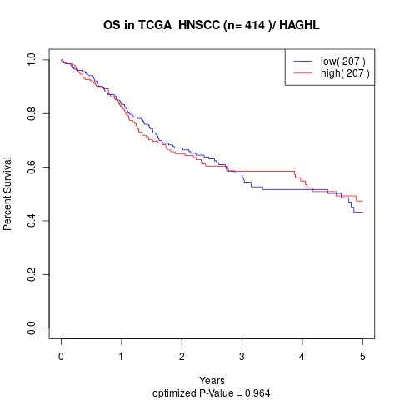

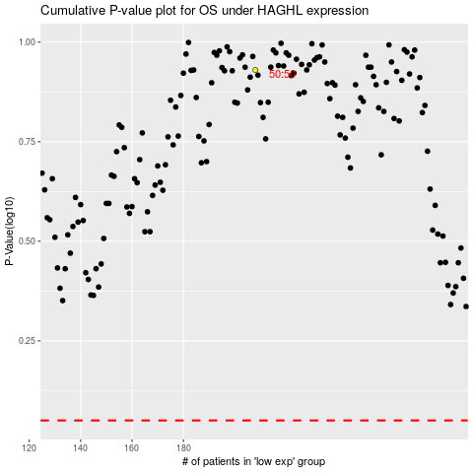

 |  |  |  |  |  | cases_OS | p_OS | rank | exp
 |  |  |  |  |  |  | cases_RFS | p_RFS | rank | exp

