HAL _multivariate
Reported by Tex Li-Hsing Chi. tex@gate.sinica.edu.tw 2019-08-19

Table 2. The clinicopathological features of HNSCC cohort and HAL expression. (Chi square test)
Cutoff at -0.19 (30.4%)
 |  | HAL expression |  | HAL expression |  | (Optimised)
 | Features | Low | (%) | High | (%) | Case no | P-value | Remark | Matthews
Gender | Female | 97 | 23.4 | 209 | 50.4 | 415 | 0.3833 | 0 | 0
2 | Male | 29 | 7 | 80 | 19.3
Age at diagnosis | <=65y | 83 | 20 | 191 | 46 | 415 | 1 | 0 | 0
4 | >65y | 43 | 10.4 | 98 | 23.6
Clinical T Status | T1+T2 | 52 | 12.5 | 97 | 23.4 | 415 | 0.1635 | 0 | 0
6 | T3+T4 | 74 | 17.8 | 192 | 46.3
Clinical N Status | N0 | 58 | 14 | 158 | 38.1 | 415 | 0.1303 | 0 | 0
8 | N1-3 | 68 | 16.4 | 131 | 31.6
Clinical M Status | M0 | 124 | 29.9 | 288 | 69.4 | 415 | 0.22 | 0 | 0
10 | M1 | 2 | 0.5 | 1 | 0.2
Clinical Stage | Stage I+II | 32 | 7.7 | 70 | 16.9 | 415 | 0.8952 | 0 | 0
12 | Stage III+IV | 94 | 22.7 | 219 | 52.8
Surgical Margin status | Negative | 94 | 22.7 | 224 | 54 | 415 | 0.53 | 0 | 0
14 | Positive | 32 | 7.7 | 65 | 15.7
Tobacco Exposure | Low | 48 | 11.6 | 113 | 27.2 | 415 | 0.9129 | 0 | 0
16 | High | 78 | 18.8 | 176 | 42.4

Table 3. Univariate/Multivariate Cox's proportional hazards regression analyses on OS time of HAL gene expression in HNSCC

 |  | Univariate |  |  |  | Multivariate
 | Features | HR | CI95%(L) | CI95%(H) | P-value | HR | CI95%(L) | CI95%(H) | P-value
1 | Female | 1 |  |  |  | 1
Gender | Male | 1.157 | 0.843 | 1.587 | 0.367 | 1.25 | 0.894 | 1.747 | 0.192
11 | <=65y | 1 |  |  |  | 1
Age at diagnosis | >65y | 1.329 | 0.99 | 1.784 | 0.058 | 1.415 | 1.041 | 1.923 | 0.027
12 | T1+T2 | 1 |  |  |  | 1
Clinical T Status | T3+T4 | 1.409 | 1.028 | 1.931 | 0.033 | 2.234 | 1.182 | 4.219 | 0.013
13 | N0 | 1 |  |  |  | 1
Clinical N Status | N1-3 | 1.185 | 0.89 | 1.577 | 0.246 | 1.163 | 0.811 | 1.667 | 0.412
14 | M0 | 1 |  |  |  | 1
Clinical M Status | M1 | 4.097 | 1.009 | 16.644 | 0.049 | 8.293 | 1.803 | 38.151 | 0.007
15 | Stage I+II | 1 |  |  |  | 1
Clinical Stage | Stage III+IV | 1.245 | 0.882 | 1.759 | 0.213 | 0.522 | 0.243 | 1.121 | 0.096
16 | Negative | 1 |  |  |  | 1
Surgical Margin status | Positive | 1.591 | 1.155 | 2.191 | 0.004 | 1.646 | 1.191 | 2.275 | 0.003
17 | Low | 1 |  |  |  | 1
Tobacco Exposure | High | 1.364 | 1.008 | 1.844 | 0.044 | 1.494 | 1.083 | 2.059 | 0.014
18 | Low | 1 |  |  |  | 1
RNAseq(z-score) | High | 0.712 | 0.528 | 0.96 | 0.026 | 0.696 | 0.511 | 0.948 | 0.021

Table 4. Univariate/Multivariate Cox's proportional hazards regression analyses on RFS time of HAL gene expression in HNSCC

 |  | Univariate |  |  |  | Multivariate
 | Features | HR | CI95%(L) | CI95%(H) | P-value | HR | CI95%(L) | CI95%(H) | P-value
1 | Female | 1 |  |  |  | 1
Gender | Male | 1.157 | 0.843 | 1.587 | 0.367 | 1.25 | 0.894 | 1.747 | 0.192
11 | <=65y | 1 |  |  |  | 1
Age at diagnosis | >65y | 1.329 | 0.99 | 1.784 | 0.058 | 1.415 | 1.041 | 1.923 | 0.027
12 | T1+T2 | 1 |  |  |  | 1
Clinical T Status | T3+T4 | 1.409 | 1.028 | 1.931 | 0.033 | 2.234 | 1.182 | 4.219 | 0.013
13 | N0 | 1 |  |  |  | 1
Clinical N Status | N1-3 | 1.185 | 0.89 | 1.577 | 0.246 | 1.163 | 0.811 | 1.667 | 0.412
14 | M0 | 1 |  |  |  | 1
Clinical M Status | M1 | 4.097 | 1.009 | 16.644 | 0.049 | 8.293 | 1.803 | 38.151 | 0.007
15 | Stage I+II | 1 |  |  |  | 1
Clinical Stage | Stage III+IV | 1.245 | 0.882 | 1.759 | 0.213 | 0.522 | 0.243 | 1.121 | 0.096
16 | Negative | 1 |  |  |  | 1
Surgical Margin status | Positive | 1.591 | 1.155 | 2.191 | 0.004 | 1.646 | 1.191 | 2.275 | 0.003
17 | Low | 1 |  |  |  | 1
Tobacco Exposure | High | 1.364 | 1.008 | 1.844 | 0.044 | 1.494 | 1.083 | 2.059 | 0.014
18 | Low | 1 |  |  |  | 1
RNAseq(z-score) | High | 0.712 | 0.528 | 0.96 | 0.026 | 0.696 | 0.511 | 0.948 | 0.021

Kaplan-Meier survival estimate: Cutoff at -0.19 (30.4%)

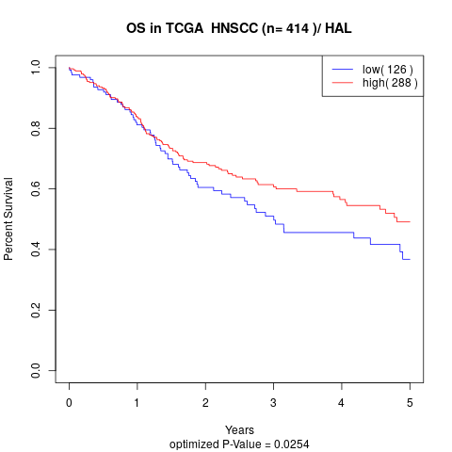

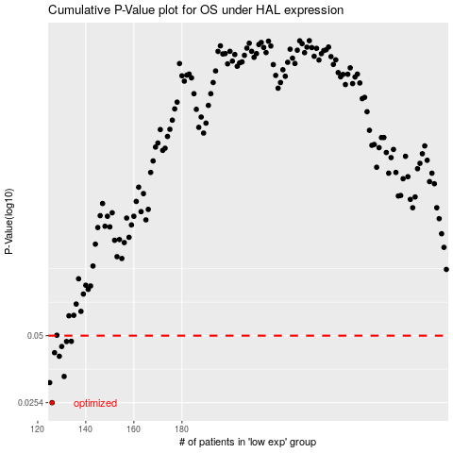

 |  |  |  |  |  | cases_OS | p_OS | rank | exp
 |  |  |  |  |  | 126 | 0.0254 | 184 | -0.1900592345
 |  |  |  |  |  | 125 | 0.0311 | 76 | -0.19019901033
 |  |  |  |  |  | 131 | 0.0331 | 32 | -0.18979269262
 |  |  |  |  |  | 129 | 0.0406 | 395 | -0.18985440976
 |  |  |  |  |  | 127 | 0.0421 | 235 | -0.19005574407
 |  |  |  |  |  | 130 | 0.0448 | 12 | -0.1898434625
 |  |  |  |  |  | 132 | 0.0471 | 363 | -0.18975239403
 |  |  |  |  |  | 134 | 0.0472 | 106 | -0.18964085895
 |  |  |  |  |  |  | cases_RFS | p_RFS | rank | exp
 |  |  |  |  |  |  | 125 | 0.0254 | 76 | -0.19019901033
 |  |  |  |  |  |  |  | 0.0311 | 18 | -0.19025723703
 |  |  |  |  |  |  | 130 | 0.0331 | 12 | -0.1898434625
 |  |  |  |  |  |  | 128 | 0.0406 | 74 | -0.18989375642
 |  |  |  |  |  |  | 126 | 0.0421 | 184 | -0.1900592345
 |  |  |  |  |  |  | 129 | 0.0448 | 395 | -0.18985440976
 |  |  |  |  |  |  | 131 | 0.0471 | 32 | -0.18979269262
 |  |  |  |  |  |  | 133 | 0.0472 | 117 | -0.1897312928

