HAND2 _multivariate
Reported by Tex Li-Hsing Chi. tex@gate.sinica.edu.tw 2019-08-19

Table 2. The clinicopathological features of HNSCC cohort and HAND2 expression. (Chi square test)
Cutoff at -0.323 (37.2%)
 |  | HAND2 expression |  | HAND2 expression |  | (Optimised)
 | Features | Low | (%) | High | (%) | Case no | P-value | Remark | Matthews
Gender | Female | 118 | 28.4 | 188 | 45.3 | 415 | 0.362 | 0 | 0
2 | Male | 36 | 8.7 | 73 | 17.6
Age at diagnosis | <=65y | 89 | 21.4 | 185 | 44.6 | 415 | 0.009 | 1 | 0
4 | >65y | 65 | 15.7 | 76 | 18.3
Clinical T Status | T1+T2 | 46 | 11.1 | 103 | 24.8 | 415 | 0.0626 | 0 | 0
6 | T3+T4 | 108 | 26 | 158 | 38.1
Clinical N Status | N0 | 93 | 22.4 | 123 | 29.6 | 415 | 0.012 | 1 | 0
8 | N1-3 | 61 | 14.7 | 138 | 33.3
Clinical M Status | M0 | 153 | 36.9 | 259 | 62.4 | 415 | 1 | 0 | 0
10 | M1 | 1 | 0.2 | 2 | 0.5
Clinical Stage | Stage I+II | 35 | 8.4 | 67 | 16.1 | 415 | 0.5791 | 0 | 0
12 | Stage III+IV | 119 | 28.7 | 194 | 46.7
Surgical Margin status | Negative | 125 | 30.1 | 193 | 46.5 | 415 | 0.1183 | 0 | 0
14 | Positive | 29 | 7 | 68 | 16.4
Tobacco Exposure | Low | 66 | 15.9 | 95 | 22.9 | 415 | 0.2113 | 0 | 0
16 | High | 88 | 21.2 | 166 | 40

Table 3. Univariate/Multivariate Cox's proportional hazards regression analyses on OS time of HAND2 gene expression in HNSCC

 |  | Univariate |  |  |  | Multivariate
 | Features | HR | CI95%(L) | CI95%(H) | P-value | HR | CI95%(L) | CI95%(H) | P-value
1 | Female | 1 |  |  |  | 1
Gender | Male | 1.157 | 0.843 | 1.587 | 0.367 | 1.174 | 0.841 | 1.639 | 0.346
11 | <=65y | 1 |  |  |  | 1
Age at diagnosis | >65y | 1.329 | 0.99 | 1.784 | 0.058 | 1.455 | 1.066 | 1.986 | 0.018
12 | T1+T2 | 1 |  |  |  | 1
Clinical T Status | T3+T4 | 1.409 | 1.028 | 1.931 | 0.033 | 2.262 | 1.195 | 4.281 | 0.012
13 | N0 | 1 |  |  |  | 1
Clinical N Status | N1-3 | 1.185 | 0.89 | 1.577 | 0.246 | 1.2 | 0.839 | 1.716 | 0.317
14 | M0 | 1 |  |  |  | 1
Clinical M Status | M1 | 4.097 | 1.009 | 16.644 | 0.049 | 9.177 | 2.001 | 42.098 | 0.004
15 | Stage I+II | 1 |  |  |  | 1
Clinical Stage | Stage III+IV | 1.245 | 0.882 | 1.759 | 0.213 | 0.512 | 0.238 | 1.1 | 0.086
16 | Negative | 1 |  |  |  | 1
Surgical Margin status | Positive | 1.591 | 1.155 | 2.191 | 0.004 | 1.609 | 1.162 | 2.228 | 0.004
17 | Low | 1 |  |  |  | 1
Tobacco Exposure | High | 1.364 | 1.008 | 1.844 | 0.044 | 1.429 | 1.036 | 1.97 | 0.029
18 | Low | 1 |  |  |  | 1
RNAseq(z-score) | High | 1.37 | 1.011 | 1.856 | 0.042 | 1.369 | 1.001 | 1.872 | 0.049

Table 4. Univariate/Multivariate Cox's proportional hazards regression analyses on RFS time of HAND2 gene expression in HNSCC

 |  | Univariate |  |  |  | Multivariate
 | Features | HR | CI95%(L) | CI95%(H) | P-value | HR | CI95%(L) | CI95%(H) | P-value
1 | Female | 1 |  |  |  | 1
Gender | Male | 1.157 | 0.843 | 1.587 | 0.367 | 1.174 | 0.841 | 1.639 | 0.346
11 | <=65y | 1 |  |  |  | 1
Age at diagnosis | >65y | 1.329 | 0.99 | 1.784 | 0.058 | 1.455 | 1.066 | 1.986 | 0.018
12 | T1+T2 | 1 |  |  |  | 1
Clinical T Status | T3+T4 | 1.409 | 1.028 | 1.931 | 0.033 | 2.262 | 1.195 | 4.281 | 0.012
13 | N0 | 1 |  |  |  | 1
Clinical N Status | N1-3 | 1.185 | 0.89 | 1.577 | 0.246 | 1.2 | 0.839 | 1.716 | 0.317
14 | M0 | 1 |  |  |  | 1
Clinical M Status | M1 | 4.097 | 1.009 | 16.644 | 0.049 | 9.177 | 2.001 | 42.098 | 0.004
15 | Stage I+II | 1 |  |  |  | 1
Clinical Stage | Stage III+IV | 1.245 | 0.882 | 1.759 | 0.213 | 0.512 | 0.238 | 1.1 | 0.086
16 | Negative | 1 |  |  |  | 1
Surgical Margin status | Positive | 1.591 | 1.155 | 2.191 | 0.004 | 1.609 | 1.162 | 2.228 | 0.004
17 | Low | 1 |  |  |  | 1
Tobacco Exposure | High | 1.364 | 1.008 | 1.844 | 0.044 | 1.429 | 1.036 | 1.97 | 0.029
18 | Low | 1 |  |  |  | 1
RNAseq(z-score) | High | 1.37 | 1.011 | 1.856 | 0.042 | 1.369 | 1.001 | 1.872 | 0.049

Kaplan-Meier survival estimate: Cutoff at -0.323 (37.2%)



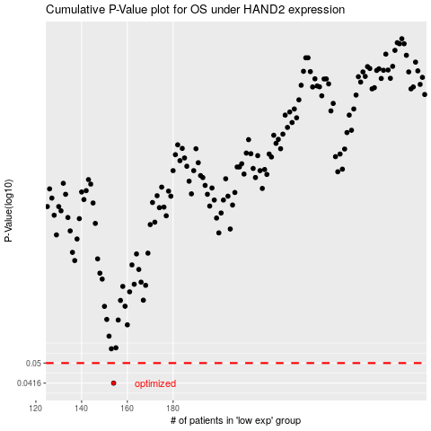

 |  |  |  |  |  | cases_OS | p_OS | rank | exp
 |  |  |  |  |  | 154 | 0.0416 | 210 | -0.32292656507
 |  |  |  |  |  |  | cases_RFS | p_RFS | rank | exp
 |  |  |  |  |  |  | 153 | 0.0416 | 35 | -0.32462913878

