HAPLN3 _multivariate
Reported by Tex Li-Hsing Chi. tex@gate.sinica.edu.tw 2019-08-19

Table 2. The clinicopathological features of HNSCC cohort and HAPLN3 expression. (Chi square test)
Cutoff at -0.213 (49.8%)
 |  | HAPLN3 expression |  | HAPLN3 expression |  | (Optimised)
 | Features | Low | (%) | High | (%) | Case no | P-value | Remark | Matthews
Gender | Female | 155 | 37.3 | 151 | 36.4 | 415 | 0.6768 | 0 | 0
2 | Male | 52 | 12.5 | 57 | 13.7
Age at diagnosis | <=65y | 147 | 35.4 | 127 | 30.6 | 415 | 0.0416 | 1 | 0
4 | >65y | 60 | 14.5 | 81 | 19.5
Clinical T Status | T1+T2 | 64 | 15.4 | 85 | 20.5 | 415 | 0.0445 | 1 | 0
6 | T3+T4 | 143 | 34.5 | 123 | 29.6
Clinical N Status | N0 | 112 | 27 | 104 | 25.1 | 415 | 0.4599 | 0 | 0
8 | N1-3 | 95 | 22.9 | 104 | 25.1
Clinical M Status | M0 | 204 | 49.2 | 208 | 50.1 | 415 | 0.1232 | 0 | 0
10 | M1 | 3 | 0.7 | 0 | 0
Clinical Stage | Stage I+II | 43 | 10.4 | 59 | 14.2 | 415 | 0.0925 | 0 | 0
12 | Stage III+IV | 164 | 39.5 | 149 | 35.9
Surgical Margin status | Negative | 164 | 39.5 | 154 | 37.1 | 415 | 0.2462 | 0 | 0
14 | Positive | 43 | 10.4 | 54 | 13
Tobacco Exposure | Low | 76 | 18.3 | 85 | 20.5 | 415 | 0.4207 | 0 | 0
16 | High | 131 | 31.6 | 123 | 29.6

Table 3. Univariate/Multivariate Cox's proportional hazards regression analyses on OS time of HAPLN3 gene expression in HNSCC

 |  | Univariate |  |  |  | Multivariate
 | Features | HR | CI95%(L) | CI95%(H) | P-value | HR | CI95%(L) | CI95%(H) | P-value
1 | Female | 1 |  |  |  | 1
Gender | Male | 1.157 | 0.843 | 1.587 | 0.367 | 1.227 | 0.878 | 1.715 | 0.231
11 | <=65y | 1 |  |  |  | 1
Age at diagnosis | >65y | 1.329 | 0.99 | 1.784 | 0.058 | 1.442 | 1.059 | 1.963 | 0.02
12 | T1+T2 | 1 |  |  |  | 1
Clinical T Status | T3+T4 | 1.409 | 1.028 | 1.931 | 0.033 | 2.195 | 1.161 | 4.15 | 0.016
13 | N0 | 1 |  |  |  | 1
Clinical N Status | N1-3 | 1.185 | 0.89 | 1.577 | 0.246 | 1.291 | 0.902 | 1.848 | 0.162
14 | M0 | 1 |  |  |  | 1
Clinical M Status | M1 | 4.097 | 1.009 | 16.644 | 0.049 | 8.343 | 1.809 | 38.471 | 0.007
15 | Stage I+II | 1 |  |  |  | 1
Clinical Stage | Stage III+IV | 1.245 | 0.882 | 1.759 | 0.213 | 0.483 | 0.225 | 1.037 | 0.062
16 | Negative | 1 |  |  |  | 1
Surgical Margin status | Positive | 1.591 | 1.155 | 2.191 | 0.004 | 1.725 | 1.246 | 2.39 | 0.001
17 | Low | 1 |  |  |  | 1
Tobacco Exposure | High | 1.364 | 1.008 | 1.844 | 0.044 | 1.445 | 1.049 | 1.991 | 0.024
18 | Low | 1 |  |  |  | 1
RNAseq(z-score) | High | 0.841 | 0.631 | 1.121 | 0.238 | 0.779 | 0.578 | 1.051 | 0.102

Table 4. Univariate/Multivariate Cox's proportional hazards regression analyses on RFS time of HAPLN3 gene expression in HNSCC

 |  | Univariate |  |  |  | Multivariate
 | Features | HR | CI95%(L) | CI95%(H) | P-value | HR | CI95%(L) | CI95%(H) | P-value
1 | Female | 1 |  |  |  | 1
Gender | Male | 1.157 | 0.843 | 1.587 | 0.367 | 1.227 | 0.878 | 1.715 | 0.231
11 | <=65y | 1 |  |  |  | 1
Age at diagnosis | >65y | 1.329 | 0.99 | 1.784 | 0.058 | 1.442 | 1.059 | 1.963 | 0.02
12 | T1+T2 | 1 |  |  |  | 1
Clinical T Status | T3+T4 | 1.409 | 1.028 | 1.931 | 0.033 | 2.195 | 1.161 | 4.15 | 0.016
13 | N0 | 1 |  |  |  | 1
Clinical N Status | N1-3 | 1.185 | 0.89 | 1.577 | 0.246 | 1.291 | 0.902 | 1.848 | 0.162
14 | M0 | 1 |  |  |  | 1
Clinical M Status | M1 | 4.097 | 1.009 | 16.644 | 0.049 | 8.343 | 1.809 | 38.471 | 0.007
15 | Stage I+II | 1 |  |  |  | 1
Clinical Stage | Stage III+IV | 1.245 | 0.882 | 1.759 | 0.213 | 0.483 | 0.225 | 1.037 | 0.062
16 | Negative | 1 |  |  |  | 1
Surgical Margin status | Positive | 1.591 | 1.155 | 2.191 | 0.004 | 1.725 | 1.246 | 2.39 | 0.001
17 | Low | 1 |  |  |  | 1
Tobacco Exposure | High | 1.364 | 1.008 | 1.844 | 0.044 | 1.445 | 1.049 | 1.991 | 0.024
18 | Low | 1 |  |  |  | 1
RNAseq(z-score) | High | 0.841 | 0.631 | 1.121 | 0.238 | 0.779 | 0.578 | 1.051 | 0.102

Kaplan-Meier survival estimate: Cutoff at -0.213 (49.8%)



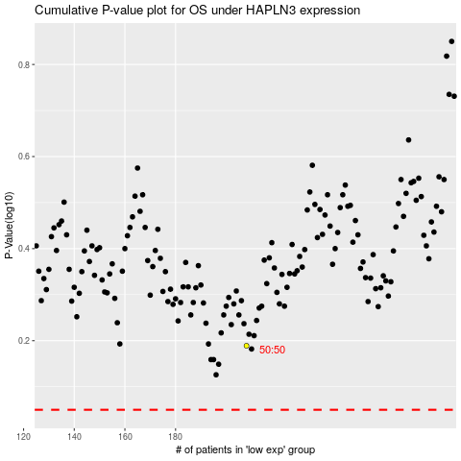

 |  |  |  |  |  | cases_OS | p_OS | rank | exp
 |  |  |  |  |  |  | cases_RFS | p_RFS | rank | exp

