HAR1A _multivariate
Reported by Tex Li-Hsing Chi. tex@gate.sinica.edu.tw 2019-08-19

Table 2. The clinicopathological features of HNSCC cohort and HAR1A expression. (Chi square test)
Cutoff at -0.284 (50.0%)
 |  | HAR1A expression |  | HAR1A expression |  | (Optimised)
 | Features | Low | (%) | High | (%) | Case no | P-value | Remark | Matthews
Gender | Female | 149 | 35.9 | 157 | 37.8 | 415 | 0.4848 | 0 | 0
2 | Male | 58 | 14 | 51 | 12.3
Age at diagnosis | <=65y | 135 | 32.5 | 139 | 33.5 | 415 | 0.8084 | 0 | 0
4 | >65y | 72 | 17.3 | 69 | 16.6
Clinical T Status | T1+T2 | 80 | 19.3 | 69 | 16.6 | 415 | 0.2891 | 0 | 0
6 | T3+T4 | 127 | 30.6 | 139 | 33.5
Clinical N Status | N0 | 113 | 27.2 | 103 | 24.8 | 415 | 0.3495 | 1 | 0
8 | N1-3 | 94 | 22.7 | 105 | 25.3
Clinical M Status | M0 | 206 | 49.6 | 206 | 49.6 | 415 | 1 | 0 | 0
10 | M1 | 1 | 0.2 | 2 | 0.5
Clinical Stage | Stage I+II | 53 | 12.8 | 49 | 11.8 | 415 | 0.7113 | 0 | 0
12 | Stage III+IV | 154 | 37.1 | 159 | 38.3
Surgical Margin status | Negative | 160 | 38.6 | 158 | 38.1 | 415 | 0.8167 | 0 | 0
14 | Positive | 47 | 11.3 | 50 | 12
Tobacco Exposure | Low | 87 | 21 | 74 | 17.8 | 415 | 0.1911 | 0 | 0
16 | High | 120 | 28.9 | 134 | 32.3

Table 3. Univariate/Multivariate Cox's proportional hazards regression analyses on OS time of HAR1A gene expression in HNSCC

 |  | Univariate |  |  |  | Multivariate
 | Features | HR | CI95%(L) | CI95%(H) | P-value | HR | CI95%(L) | CI95%(H) | P-value
1 | Female | 1 |  |  |  | 1
Gender | Male | 1.157 | 0.843 | 1.587 | 0.367 | 1.196 | 0.855 | 1.671 | 0.296
11 | <=65y | 1 |  |  |  | 1
Age at diagnosis | >65y | 1.329 | 0.99 | 1.784 | 0.058 | 1.398 | 1.028 | 1.902 | 0.033
12 | T1+T2 | 1 |  |  |  | 1
Clinical T Status | T3+T4 | 1.409 | 1.028 | 1.931 | 0.033 | 2.247 | 1.184 | 4.262 | 0.013
13 | N0 | 1 |  |  |  | 1
Clinical N Status | N1-3 | 1.185 | 0.89 | 1.577 | 0.246 | 1.251 | 0.876 | 1.787 | 0.218
14 | M0 | 1 |  |  |  | 1
Clinical M Status | M1 | 4.097 | 1.009 | 16.644 | 0.049 | 9.649 | 2.1 | 44.333 | 0.004
15 | Stage I+II | 1 |  |  |  | 1
Clinical Stage | Stage III+IV | 1.245 | 0.882 | 1.759 | 0.213 | 0.492 | 0.228 | 1.06 | 0.07
16 | Negative | 1 |  |  |  | 1
Surgical Margin status | Positive | 1.591 | 1.155 | 2.191 | 0.004 | 1.69 | 1.221 | 2.341 | 0.002
17 | Low | 1 |  |  |  | 1
Tobacco Exposure | High | 1.364 | 1.008 | 1.844 | 0.044 | 1.464 | 1.061 | 2.02 | 0.02
18 | Low | 1 |  |  |  | 1
RNAseq(z-score) | High | 1.002 | 0.752 | 1.334 | 0.99 | 0.913 | 0.682 | 1.223 | 0.542

Table 4. Univariate/Multivariate Cox's proportional hazards regression analyses on RFS time of HAR1A gene expression in HNSCC

 |  | Univariate |  |  |  | Multivariate
 | Features | HR | CI95%(L) | CI95%(H) | P-value | HR | CI95%(L) | CI95%(H) | P-value
1 | Female | 1 |  |  |  | 1
Gender | Male | 1.157 | 0.843 | 1.587 | 0.367 | 1.196 | 0.855 | 1.671 | 0.296
11 | <=65y | 1 |  |  |  | 1
Age at diagnosis | >65y | 1.329 | 0.99 | 1.784 | 0.058 | 1.398 | 1.028 | 1.902 | 0.033
12 | T1+T2 | 1 |  |  |  | 1
Clinical T Status | T3+T4 | 1.409 | 1.028 | 1.931 | 0.033 | 2.247 | 1.184 | 4.262 | 0.013
13 | N0 | 1 |  |  |  | 1
Clinical N Status | N1-3 | 1.185 | 0.89 | 1.577 | 0.246 | 1.251 | 0.876 | 1.787 | 0.218
14 | M0 | 1 |  |  |  | 1
Clinical M Status | M1 | 4.097 | 1.009 | 16.644 | 0.049 | 9.649 | 2.1 | 44.333 | 0.004
15 | Stage I+II | 1 |  |  |  | 1
Clinical Stage | Stage III+IV | 1.245 | 0.882 | 1.759 | 0.213 | 0.492 | 0.228 | 1.06 | 0.07
16 | Negative | 1 |  |  |  | 1
Surgical Margin status | Positive | 1.591 | 1.155 | 2.191 | 0.004 | 1.69 | 1.221 | 2.341 | 0.002
17 | Low | 1 |  |  |  | 1
Tobacco Exposure | High | 1.364 | 1.008 | 1.844 | 0.044 | 1.464 | 1.061 | 2.02 | 0.02
18 | Low | 1 |  |  |  | 1
RNAseq(z-score) | High | 1.002 | 0.752 | 1.334 | 0.99 | 0.913 | 0.682 | 1.223 | 0.542

Kaplan-Meier survival estimate: Cutoff at -0.284 (50.0%)



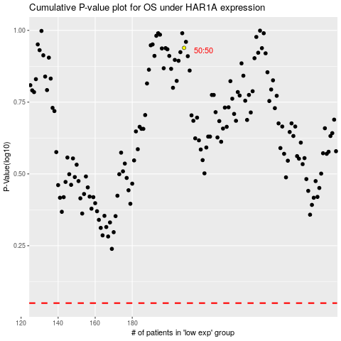

 |  |  |  |  |  | cases_OS | p_OS | rank | exp
 |  |  |  |  |  |  | cases_RFS | p_RFS | rank | exp

