HAR1B _multivariate
Reported by Tex Li-Hsing Chi. tex@gate.sinica.edu.tw 2019-08-19

Table 2. The clinicopathological features of HNSCC cohort and HAR1B expression. (Chi square test)
Cutoff at -0.266 (49.8%)
 |  | HAR1B expression |  | HAR1B expression |  | (Optimised)
 | Features | Low | (%) | High | (%) | Case no | P-value | Remark | Matthews
Gender | Female | 143 | 34.5 | 163 | 39.3 | 415 | 0.0416 | 1 | 0
2 | Male | 64 | 15.4 | 45 | 10.8
Age at diagnosis | <=65y | 138 | 33.3 | 136 | 32.8 | 415 | 0.8634 | 0 | 0
4 | >65y | 69 | 16.6 | 72 | 17.3
Clinical T Status | T1+T2 | 66 | 15.9 | 83 | 20 | 415 | 0.1095 | 0 | 0
6 | T3+T4 | 141 | 34 | 125 | 30.1
Clinical N Status | N0 | 102 | 24.6 | 114 | 27.5 | 415 | 0.3031 | 0 | 0
8 | N1-3 | 105 | 25.3 | 94 | 22.7
Clinical M Status | M0 | 206 | 49.6 | 206 | 49.6 | 415 | 1 | 0 | 0
10 | M1 | 1 | 0.2 | 2 | 0.5
Clinical Stage | Stage I+II | 47 | 11.3 | 55 | 13.3 | 415 | 0.4413 | 0 | 0
12 | Stage III+IV | 160 | 38.6 | 153 | 36.9
Surgical Margin status | Negative | 161 | 38.8 | 157 | 37.8 | 415 | 0.6429 | 0 | 0
14 | Positive | 46 | 11.1 | 51 | 12.3
Tobacco Exposure | Low | 85 | 20.5 | 76 | 18.3 | 415 | 0.3655 | 0 | 0
16 | High | 122 | 29.4 | 132 | 31.8

Table 3. Univariate/Multivariate Cox's proportional hazards regression analyses on OS time of HAR1B gene expression in HNSCC

 |  | Univariate |  |  |  | Multivariate
 | Features | HR | CI95%(L) | CI95%(H) | P-value | HR | CI95%(L) | CI95%(H) | P-value
1 | Female | 1 |  |  |  | 1
Gender | Male | 1.157 | 0.843 | 1.587 | 0.367 | 1.198 | 0.857 | 1.675 | 0.29
11 | <=65y | 1 |  |  |  | 1
Age at diagnosis | >65y | 1.329 | 0.99 | 1.784 | 0.058 | 1.394 | 1.025 | 1.896 | 0.034
12 | T1+T2 | 1 |  |  |  | 1
Clinical T Status | T3+T4 | 1.409 | 1.028 | 1.931 | 0.033 | 2.191 | 1.157 | 4.147 | 0.016
13 | N0 | 1 |  |  |  | 1
Clinical N Status | N1-3 | 1.185 | 0.89 | 1.577 | 0.246 | 1.238 | 0.867 | 1.767 | 0.24
14 | M0 | 1 |  |  |  | 1
Clinical M Status | M1 | 4.097 | 1.009 | 16.644 | 0.049 | 9.42 | 2.055 | 43.181 | 0.004
15 | Stage I+II | 1 |  |  |  | 1
Clinical Stage | Stage III+IV | 1.245 | 0.882 | 1.759 | 0.213 | 0.507 | 0.236 | 1.09 | 0.082
16 | Negative | 1 |  |  |  | 1
Surgical Margin status | Positive | 1.591 | 1.155 | 2.191 | 0.004 | 1.674 | 1.211 | 2.314 | 0.002
17 | Low | 1 |  |  |  | 1
Tobacco Exposure | High | 1.364 | 1.008 | 1.844 | 0.044 | 1.457 | 1.057 | 2.009 | 0.022
18 | Low | 1 |  |  |  | 1
RNAseq(z-score) | High | 0.959 | 0.72 | 1.277 | 0.776 | 0.963 | 0.721 | 1.286 | 0.798

Table 4. Univariate/Multivariate Cox's proportional hazards regression analyses on RFS time of HAR1B gene expression in HNSCC

 |  | Univariate |  |  |  | Multivariate
 | Features | HR | CI95%(L) | CI95%(H) | P-value | HR | CI95%(L) | CI95%(H) | P-value
1 | Female | 1 |  |  |  | 1
Gender | Male | 1.157 | 0.843 | 1.587 | 0.367 | 1.198 | 0.857 | 1.675 | 0.29
11 | <=65y | 1 |  |  |  | 1
Age at diagnosis | >65y | 1.329 | 0.99 | 1.784 | 0.058 | 1.394 | 1.025 | 1.896 | 0.034
12 | T1+T2 | 1 |  |  |  | 1
Clinical T Status | T3+T4 | 1.409 | 1.028 | 1.931 | 0.033 | 2.191 | 1.157 | 4.147 | 0.016
13 | N0 | 1 |  |  |  | 1
Clinical N Status | N1-3 | 1.185 | 0.89 | 1.577 | 0.246 | 1.238 | 0.867 | 1.767 | 0.24
14 | M0 | 1 |  |  |  | 1
Clinical M Status | M1 | 4.097 | 1.009 | 16.644 | 0.049 | 9.42 | 2.055 | 43.181 | 0.004
15 | Stage I+II | 1 |  |  |  | 1
Clinical Stage | Stage III+IV | 1.245 | 0.882 | 1.759 | 0.213 | 0.507 | 0.236 | 1.09 | 0.082
16 | Negative | 1 |  |  |  | 1
Surgical Margin status | Positive | 1.591 | 1.155 | 2.191 | 0.004 | 1.674 | 1.211 | 2.314 | 0.002
17 | Low | 1 |  |  |  | 1
Tobacco Exposure | High | 1.364 | 1.008 | 1.844 | 0.044 | 1.457 | 1.057 | 2.009 | 0.022
18 | Low | 1 |  |  |  | 1
RNAseq(z-score) | High | 0.959 | 0.72 | 1.277 | 0.776 | 0.963 | 0.721 | 1.286 | 0.798

Kaplan-Meier survival estimate: Cutoff at -0.266 (49.8%)



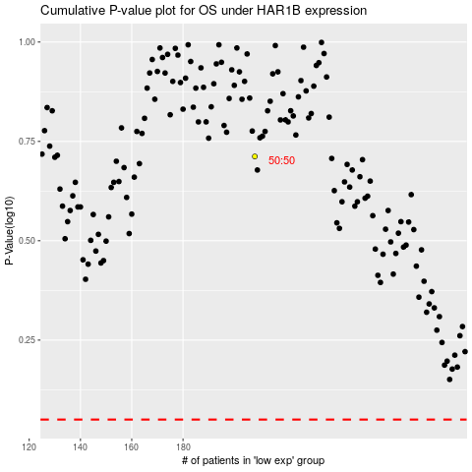

 |  |  |  |  |  | cases_OS | p_OS | rank | exp
 |  |  |  |  |  |  | cases_RFS | p_RFS | rank | exp

