HARBI1 _multivariate
Reported by Tex Li-Hsing Chi. tex@gate.sinica.edu.tw 2019-08-19

Table 2. The clinicopathological features of HNSCC cohort and HARBI1 expression. (Chi square test)
Cutoff at -0.121 (49.8%)
 |  | HARBI1 expression |  | HARBI1 expression |  | (Optimised)
 | Features | Low | (%) | High | (%) | Case no | P-value | Remark | Matthews
Gender | Female | 155 | 37.3 | 151 | 36.4 | 415 | 0.6768 | 0 | 0
2 | Male | 52 | 12.5 | 57 | 13.7
Age at diagnosis | <=65y | 139 | 33.5 | 135 | 32.5 | 415 | 0.7044 | 0 | 0
4 | >65y | 68 | 16.4 | 73 | 17.6
Clinical T Status | T1+T2 | 70 | 16.9 | 79 | 19 | 415 | 0.4343 | 0 | 0
6 | T3+T4 | 137 | 33 | 129 | 31.1
Clinical N Status | N0 | 97 | 23.4 | 119 | 28.7 | 415 | 0.0442 | 1 | 0
8 | N1-3 | 110 | 26.5 | 89 | 21.4
Clinical M Status | M0 | 205 | 49.4 | 207 | 49.9 | 415 | 0.6232 | 0 | 0
10 | M1 | 2 | 0.5 | 1 | 0.2
Clinical Stage | Stage I+II | 40 | 9.6 | 62 | 14.9 | 415 | 0.018 | 1 | 0
12 | Stage III+IV | 167 | 40.2 | 146 | 35.2
Surgical Margin status | Negative | 156 | 37.6 | 162 | 39 | 415 | 0.5636 | 0 | 0
14 | Positive | 51 | 12.3 | 46 | 11.1
Tobacco Exposure | Low | 73 | 17.6 | 88 | 21.2 | 415 | 0.1587 | 0 | 0
16 | High | 134 | 32.3 | 120 | 28.9

Table 3. Univariate/Multivariate Cox's proportional hazards regression analyses on OS time of HARBI1 gene expression in HNSCC

 |  | Univariate |  |  |  | Multivariate
 | Features | HR | CI95%(L) | CI95%(H) | P-value | HR | CI95%(L) | CI95%(H) | P-value
1 | Female | 1 |  |  |  | 1
Gender | Male | 1.157 | 0.843 | 1.587 | 0.367 | 1.2 | 0.859 | 1.676 | 0.286
11 | <=65y | 1 |  |  |  | 1
Age at diagnosis | >65y | 1.329 | 0.99 | 1.784 | 0.058 | 1.393 | 1.024 | 1.893 | 0.034
12 | T1+T2 | 1 |  |  |  | 1
Clinical T Status | T3+T4 | 1.409 | 1.028 | 1.931 | 0.033 | 2.189 | 1.155 | 4.151 | 0.016
13 | N0 | 1 |  |  |  | 1
Clinical N Status | N1-3 | 1.185 | 0.89 | 1.577 | 0.246 | 1.241 | 0.87 | 1.771 | 0.233
14 | M0 | 1 |  |  |  | 1
Clinical M Status | M1 | 4.097 | 1.009 | 16.644 | 0.049 | 9.363 | 2.041 | 42.948 | 0.004
15 | Stage I+II | 1 |  |  |  | 1
Clinical Stage | Stage III+IV | 1.245 | 0.882 | 1.759 | 0.213 | 0.51 | 0.236 | 1.103 | 0.087
16 | Negative | 1 |  |  |  | 1
Surgical Margin status | Positive | 1.591 | 1.155 | 2.191 | 0.004 | 1.669 | 1.207 | 2.307 | 0.002
17 | Low | 1 |  |  |  | 1
Tobacco Exposure | High | 1.364 | 1.008 | 1.844 | 0.044 | 1.453 | 1.054 | 2.001 | 0.022
18 | Low | 1 |  |  |  | 1
RNAseq(z-score) | High | 1.05 | 0.788 | 1.398 | 0.74 | 1.03 | 0.769 | 1.38 | 0.842

Table 4. Univariate/Multivariate Cox's proportional hazards regression analyses on RFS time of HARBI1 gene expression in HNSCC

 |  | Univariate |  |  |  | Multivariate
 | Features | HR | CI95%(L) | CI95%(H) | P-value | HR | CI95%(L) | CI95%(H) | P-value
1 | Female | 1 |  |  |  | 1
Gender | Male | 1.157 | 0.843 | 1.587 | 0.367 | 1.2 | 0.859 | 1.676 | 0.286
11 | <=65y | 1 |  |  |  | 1
Age at diagnosis | >65y | 1.329 | 0.99 | 1.784 | 0.058 | 1.393 | 1.024 | 1.893 | 0.034
12 | T1+T2 | 1 |  |  |  | 1
Clinical T Status | T3+T4 | 1.409 | 1.028 | 1.931 | 0.033 | 2.189 | 1.155 | 4.151 | 0.016
13 | N0 | 1 |  |  |  | 1
Clinical N Status | N1-3 | 1.185 | 0.89 | 1.577 | 0.246 | 1.241 | 0.87 | 1.771 | 0.233
14 | M0 | 1 |  |  |  | 1
Clinical M Status | M1 | 4.097 | 1.009 | 16.644 | 0.049 | 9.363 | 2.041 | 42.948 | 0.004
15 | Stage I+II | 1 |  |  |  | 1
Clinical Stage | Stage III+IV | 1.245 | 0.882 | 1.759 | 0.213 | 0.51 | 0.236 | 1.103 | 0.087
16 | Negative | 1 |  |  |  | 1
Surgical Margin status | Positive | 1.591 | 1.155 | 2.191 | 0.004 | 1.669 | 1.207 | 2.307 | 0.002
17 | Low | 1 |  |  |  | 1
Tobacco Exposure | High | 1.364 | 1.008 | 1.844 | 0.044 | 1.453 | 1.054 | 2.001 | 0.022
18 | Low | 1 |  |  |  | 1
RNAseq(z-score) | High | 1.05 | 0.788 | 1.398 | 0.74 | 1.03 | 0.769 | 1.38 | 0.842

Kaplan-Meier survival estimate: Cutoff at -0.121 (49.8%)



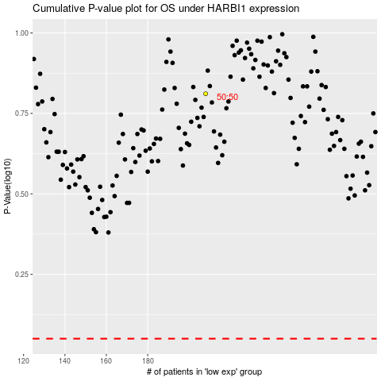

 |  |  |  |  |  | cases_OS | p_OS | rank | exp
 |  |  |  |  |  |  | cases_RFS | p_RFS | rank | exp

