HAS2 _multivariate
Reported by Tex Li-Hsing Chi. tex@gate.sinica.edu.tw 2019-08-19

Table 2. The clinicopathological features of HNSCC cohort and HAS2 expression. (Chi square test)
Cutoff at -0.271 (50.0%)
 |  | HAS2 expression |  | HAS2 expression |  | (Optimised)
 | Features | Low | (%) | High | (%) | Case no | P-value | Remark | Matthews
Gender | Female | 158 | 38.1 | 148 | 35.7 | 415 | 0.2774 | 0 | 0
2 | Male | 49 | 11.8 | 60 | 14.5
Age at diagnosis | <=65y | 138 | 33.3 | 136 | 32.8 | 415 | 0.8634 | 0 | 0
4 | >65y | 69 | 16.6 | 72 | 17.3
Clinical T Status | T1+T2 | 75 | 18.1 | 74 | 17.8 | 415 | 0.9707 | 0 | 0
6 | T3+T4 | 132 | 31.8 | 134 | 32.3
Clinical N Status | N0 | 113 | 27.2 | 103 | 24.8 | 415 | 0.3495 | 1 | 0
8 | N1-3 | 94 | 22.7 | 105 | 25.3
Clinical M Status | M0 | 204 | 49.2 | 208 | 50.1 | 415 | 0.1232 | 0 | 0
10 | M1 | 3 | 0.7 | 0 | 0
Clinical Stage | Stage I+II | 45 | 10.8 | 57 | 13.7 | 415 | 0.2202 | 0 | 0
12 | Stage III+IV | 162 | 39 | 151 | 36.4
Surgical Margin status | Negative | 158 | 38.1 | 160 | 38.6 | 415 | 0.9081 | 0 | 0
14 | Positive | 49 | 11.8 | 48 | 11.6
Tobacco Exposure | Low | 84 | 20.2 | 77 | 18.6 | 415 | 0.4816 | 0 | 0
16 | High | 123 | 29.6 | 131 | 31.6

Table 3. Univariate/Multivariate Cox's proportional hazards regression analyses on OS time of HAS2 gene expression in HNSCC

 |  | Univariate |  |  |  | Multivariate
 | Features | HR | CI95%(L) | CI95%(H) | P-value | HR | CI95%(L) | CI95%(H) | P-value
1 | Female | 1 |  |  |  | 1
Gender | Male | 1.157 | 0.843 | 1.587 | 0.367 | 1.199 | 0.858 | 1.675 | 0.287
11 | <=65y | 1 |  |  |  | 1
Age at diagnosis | >65y | 1.329 | 0.99 | 1.784 | 0.058 | 1.401 | 1.03 | 1.906 | 0.032
12 | T1+T2 | 1 |  |  |  | 1
Clinical T Status | T3+T4 | 1.409 | 1.028 | 1.931 | 0.033 | 2.183 | 1.154 | 4.13 | 0.016
13 | N0 | 1 |  |  |  | 1
Clinical N Status | N1-3 | 1.185 | 0.89 | 1.577 | 0.246 | 1.227 | 0.859 | 1.753 | 0.262
14 | M0 | 1 |  |  |  | 1
Clinical M Status | M1 | 4.097 | 1.009 | 16.644 | 0.049 | 9.827 | 2.13 | 45.333 | 0.003
15 | Stage I+II | 1 |  |  |  | 1
Clinical Stage | Stage III+IV | 1.245 | 0.882 | 1.759 | 0.213 | 0.517 | 0.24 | 1.115 | 0.092
16 | Negative | 1 |  |  |  | 1
Surgical Margin status | Positive | 1.591 | 1.155 | 2.191 | 0.004 | 1.676 | 1.213 | 2.315 | 0.002
17 | Low | 1 |  |  |  | 1
Tobacco Exposure | High | 1.364 | 1.008 | 1.844 | 0.044 | 1.44 | 1.044 | 1.986 | 0.026
18 | Low | 1 |  |  |  | 1
RNAseq(z-score) | High | 1.105 | 0.83 | 1.472 | 0.494 | 1.1 | 0.82 | 1.474 | 0.525

Table 4. Univariate/Multivariate Cox's proportional hazards regression analyses on RFS time of HAS2 gene expression in HNSCC

 |  | Univariate |  |  |  | Multivariate
 | Features | HR | CI95%(L) | CI95%(H) | P-value | HR | CI95%(L) | CI95%(H) | P-value
1 | Female | 1 |  |  |  | 1
Gender | Male | 1.157 | 0.843 | 1.587 | 0.367 | 1.199 | 0.858 | 1.675 | 0.287
11 | <=65y | 1 |  |  |  | 1
Age at diagnosis | >65y | 1.329 | 0.99 | 1.784 | 0.058 | 1.401 | 1.03 | 1.906 | 0.032
12 | T1+T2 | 1 |  |  |  | 1
Clinical T Status | T3+T4 | 1.409 | 1.028 | 1.931 | 0.033 | 2.183 | 1.154 | 4.13 | 0.016
13 | N0 | 1 |  |  |  | 1
Clinical N Status | N1-3 | 1.185 | 0.89 | 1.577 | 0.246 | 1.227 | 0.859 | 1.753 | 0.262
14 | M0 | 1 |  |  |  | 1
Clinical M Status | M1 | 4.097 | 1.009 | 16.644 | 0.049 | 9.827 | 2.13 | 45.333 | 0.003
15 | Stage I+II | 1 |  |  |  | 1
Clinical Stage | Stage III+IV | 1.245 | 0.882 | 1.759 | 0.213 | 0.517 | 0.24 | 1.115 | 0.092
16 | Negative | 1 |  |  |  | 1
Surgical Margin status | Positive | 1.591 | 1.155 | 2.191 | 0.004 | 1.676 | 1.213 | 2.315 | 0.002
17 | Low | 1 |  |  |  | 1
Tobacco Exposure | High | 1.364 | 1.008 | 1.844 | 0.044 | 1.44 | 1.044 | 1.986 | 0.026
18 | Low | 1 |  |  |  | 1
RNAseq(z-score) | High | 1.105 | 0.83 | 1.472 | 0.494 | 1.1 | 0.82 | 1.474 | 0.525

Kaplan-Meier survival estimate: Cutoff at -0.271 (50.0%)



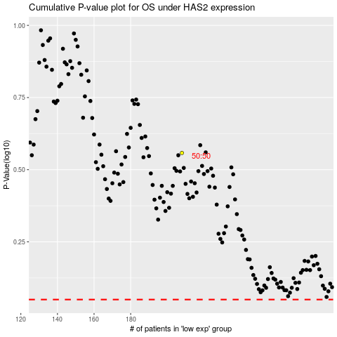

 |  |  |  |  |  | cases_OS | p_OS | rank | exp
 |  |  |  |  |  |  | cases_RFS | p_RFS | rank | exp

