HAT1 _multivariate
Reported by Tex Li-Hsing Chi. tex@gate.sinica.edu.tw 2019-08-19

Table 2. The clinicopathological features of HNSCC cohort and HAT1 expression. (Chi square test)
Cutoff at -0.12 (49.8%)
 |  | HAT1 expression |  | HAT1 expression |  | (Optimised)
 | Features | Low | (%) | High | (%) | Case no | P-value | Remark | Matthews
Gender | Female | 143 | 34.5 | 163 | 39.3 | 415 | 0.0416 | 1 | 0
2 | Male | 64 | 15.4 | 45 | 10.8
Age at diagnosis | <=65y | 130 | 31.3 | 144 | 34.7 | 415 | 0.2009 | 0 | 0
4 | >65y | 77 | 18.6 | 64 | 15.4
Clinical T Status | T1+T2 | 73 | 17.6 | 76 | 18.3 | 415 | 0.8666 | 0 | 0
6 | T3+T4 | 134 | 32.3 | 132 | 31.8
Clinical N Status | N0 | 110 | 26.5 | 106 | 25.5 | 415 | 0.7294 | 0 | 0
8 | N1-3 | 97 | 23.4 | 102 | 24.6
Clinical M Status | M0 | 204 | 49.2 | 208 | 50.1 | 415 | 0.1232 | 0 | 0
10 | M1 | 3 | 0.7 | 0 | 0
Clinical Stage | Stage I+II | 53 | 12.8 | 49 | 11.8 | 415 | 0.7113 | 0 | 0
12 | Stage III+IV | 154 | 37.1 | 159 | 38.3
Surgical Margin status | Negative | 161 | 38.8 | 157 | 37.8 | 415 | 0.6429 | 0 | 0
14 | Positive | 46 | 11.1 | 51 | 12.3
Tobacco Exposure | Low | 93 | 22.4 | 68 | 16.4 | 415 | 0.0118 | 1 | 0
16 | High | 114 | 27.5 | 140 | 33.7

Table 3. Univariate/Multivariate Cox's proportional hazards regression analyses on OS time of HAT1 gene expression in HNSCC

 |  | Univariate |  |  |  | Multivariate
 | Features | HR | CI95%(L) | CI95%(H) | P-value | HR | CI95%(L) | CI95%(H) | P-value
1 | Female | 1 |  |  |  | 1
Gender | Male | 1.157 | 0.843 | 1.587 | 0.367 | 1.21 | 0.866 | 1.691 | 0.265
11 | <=65y | 1 |  |  |  | 1
Age at diagnosis | >65y | 1.329 | 0.99 | 1.784 | 0.058 | 1.405 | 1.032 | 1.912 | 0.031
12 | T1+T2 | 1 |  |  |  | 1
Clinical T Status | T3+T4 | 1.409 | 1.028 | 1.931 | 0.033 | 2.234 | 1.18 | 4.231 | 0.014
13 | N0 | 1 |  |  |  | 1
Clinical N Status | N1-3 | 1.185 | 0.89 | 1.577 | 0.246 | 1.246 | 0.873 | 1.779 | 0.226
14 | M0 | 1 |  |  |  | 1
Clinical M Status | M1 | 4.097 | 1.009 | 16.644 | 0.049 | 10.052 | 2.164 | 46.694 | 0.003
15 | Stage I+II | 1 |  |  |  | 1
Clinical Stage | Stage III+IV | 1.245 | 0.882 | 1.759 | 0.213 | 0.495 | 0.23 | 1.065 | 0.072
16 | Negative | 1 |  |  |  | 1
Surgical Margin status | Positive | 1.591 | 1.155 | 2.191 | 0.004 | 1.666 | 1.206 | 2.303 | 0.002
17 | Low | 1 |  |  |  | 1
Tobacco Exposure | High | 1.364 | 1.008 | 1.844 | 0.044 | 1.443 | 1.047 | 1.99 | 0.025
18 | Low | 1 |  |  |  | 1
RNAseq(z-score) | High | 1.058 | 0.794 | 1.409 | 0.701 | 1.103 | 0.822 | 1.48 | 0.512

Table 4. Univariate/Multivariate Cox's proportional hazards regression analyses on RFS time of HAT1 gene expression in HNSCC

 |  | Univariate |  |  |  | Multivariate
 | Features | HR | CI95%(L) | CI95%(H) | P-value | HR | CI95%(L) | CI95%(H) | P-value
1 | Female | 1 |  |  |  | 1
Gender | Male | 1.157 | 0.843 | 1.587 | 0.367 | 1.21 | 0.866 | 1.691 | 0.265
11 | <=65y | 1 |  |  |  | 1
Age at diagnosis | >65y | 1.329 | 0.99 | 1.784 | 0.058 | 1.405 | 1.032 | 1.912 | 0.031
12 | T1+T2 | 1 |  |  |  | 1
Clinical T Status | T3+T4 | 1.409 | 1.028 | 1.931 | 0.033 | 2.234 | 1.18 | 4.231 | 0.014
13 | N0 | 1 |  |  |  | 1
Clinical N Status | N1-3 | 1.185 | 0.89 | 1.577 | 0.246 | 1.246 | 0.873 | 1.779 | 0.226
14 | M0 | 1 |  |  |  | 1
Clinical M Status | M1 | 4.097 | 1.009 | 16.644 | 0.049 | 10.052 | 2.164 | 46.694 | 0.003
15 | Stage I+II | 1 |  |  |  | 1
Clinical Stage | Stage III+IV | 1.245 | 0.882 | 1.759 | 0.213 | 0.495 | 0.23 | 1.065 | 0.072
16 | Negative | 1 |  |  |  | 1
Surgical Margin status | Positive | 1.591 | 1.155 | 2.191 | 0.004 | 1.666 | 1.206 | 2.303 | 0.002
17 | Low | 1 |  |  |  | 1
Tobacco Exposure | High | 1.364 | 1.008 | 1.844 | 0.044 | 1.443 | 1.047 | 1.99 | 0.025
18 | Low | 1 |  |  |  | 1
RNAseq(z-score) | High | 1.058 | 0.794 | 1.409 | 0.701 | 1.103 | 0.822 | 1.48 | 0.512

Kaplan-Meier survival estimate: Cutoff at -0.12 (49.8%)



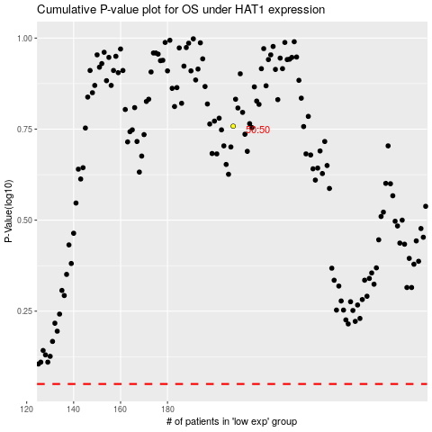

 |  |  |  |  |  | cases_OS | p_OS | rank | exp
 |  |  |  |  |  |  | cases_RFS | p_RFS | rank | exp

