HAUS3 _multivariate
Reported by Tex Li-Hsing Chi. tex@gate.sinica.edu.tw 2019-08-19

Table 2. The clinicopathological features of HNSCC cohort and HAUS3 expression. (Chi square test)
Cutoff at -0.086 (49.8%)
 |  | HAUS3 expression |  | HAUS3 expression |  | (Optimised)
 | Features | Low | (%) | High | (%) | Case no | P-value | Remark | Matthews
Gender | Female | 156 | 37.6 | 150 | 36.1 | 415 | 0.5222 | 0 | 0
2 | Male | 51 | 12.3 | 58 | 14
Age at diagnosis | <=65y | 129 | 31.1 | 145 | 34.9 | 415 | 0.1372 | 0 | 0
4 | >65y | 78 | 18.8 | 63 | 15.2
Clinical T Status | T1+T2 | 62 | 14.9 | 87 | 21 | 415 | 0.0156 | 1 | 0
6 | T3+T4 | 145 | 34.9 | 121 | 29.2
Clinical N Status | N0 | 108 | 26 | 108 | 26 | 415 | 1 | 0 | 0
8 | N1-3 | 99 | 23.9 | 100 | 24.1
Clinical M Status | M0 | 206 | 49.6 | 206 | 49.6 | 415 | 1 | 0 | 0
10 | M1 | 1 | 0.2 | 2 | 0.5
Clinical Stage | Stage I+II | 42 | 10.1 | 60 | 14.5 | 415 | 0.0561 | 0 | 0
12 | Stage III+IV | 165 | 39.8 | 148 | 35.7
Surgical Margin status | Negative | 164 | 39.5 | 154 | 37.1 | 415 | 0.2462 | 0 | 0
14 | Positive | 43 | 10.4 | 54 | 13
Tobacco Exposure | Low | 79 | 19 | 82 | 19.8 | 415 | 0.8405 | 0 | 0
16 | High | 128 | 30.8 | 126 | 30.4

Table 3. Univariate/Multivariate Cox's proportional hazards regression analyses on OS time of HAUS3 gene expression in HNSCC

 |  | Univariate |  |  |  | Multivariate
 | Features | HR | CI95%(L) | CI95%(H) | P-value | HR | CI95%(L) | CI95%(H) | P-value
1 | Female | 1 |  |  |  | 1
Gender | Male | 1.157 | 0.843 | 1.587 | 0.367 | 1.196 | 0.856 | 1.672 | 0.294
11 | <=65y | 1 |  |  |  | 1
Age at diagnosis | >65y | 1.329 | 0.99 | 1.784 | 0.058 | 1.374 | 1.011 | 1.869 | 0.043
12 | T1+T2 | 1 |  |  |  | 1
Clinical T Status | T3+T4 | 1.409 | 1.028 | 1.931 | 0.033 | 2.16 | 1.142 | 4.087 | 0.018
13 | N0 | 1 |  |  |  | 1
Clinical N Status | N1-3 | 1.185 | 0.89 | 1.577 | 0.246 | 1.245 | 0.872 | 1.777 | 0.227
14 | M0 | 1 |  |  |  | 1
Clinical M Status | M1 | 4.097 | 1.009 | 16.644 | 0.049 | 9.746 | 2.123 | 44.736 | 0.003
15 | Stage I+II | 1 |  |  |  | 1
Clinical Stage | Stage III+IV | 1.245 | 0.882 | 1.759 | 0.213 | 0.499 | 0.232 | 1.07 | 0.074
16 | Negative | 1 |  |  |  | 1
Surgical Margin status | Positive | 1.591 | 1.155 | 2.191 | 0.004 | 1.696 | 1.226 | 2.346 | 0.001
17 | Low | 1 |  |  |  | 1
Tobacco Exposure | High | 1.364 | 1.008 | 1.844 | 0.044 | 1.455 | 1.056 | 2.004 | 0.022
18 | Low | 1 |  |  |  | 1
RNAseq(z-score) | High | 0.839 | 0.629 | 1.118 | 0.23 | 0.848 | 0.632 | 1.138 | 0.272

Table 4. Univariate/Multivariate Cox's proportional hazards regression analyses on RFS time of HAUS3 gene expression in HNSCC

 |  | Univariate |  |  |  | Multivariate
 | Features | HR | CI95%(L) | CI95%(H) | P-value | HR | CI95%(L) | CI95%(H) | P-value
1 | Female | 1 |  |  |  | 1
Gender | Male | 1.157 | 0.843 | 1.587 | 0.367 | 1.196 | 0.856 | 1.672 | 0.294
11 | <=65y | 1 |  |  |  | 1
Age at diagnosis | >65y | 1.329 | 0.99 | 1.784 | 0.058 | 1.374 | 1.011 | 1.869 | 0.043
12 | T1+T2 | 1 |  |  |  | 1
Clinical T Status | T3+T4 | 1.409 | 1.028 | 1.931 | 0.033 | 2.16 | 1.142 | 4.087 | 0.018
13 | N0 | 1 |  |  |  | 1
Clinical N Status | N1-3 | 1.185 | 0.89 | 1.577 | 0.246 | 1.245 | 0.872 | 1.777 | 0.227
14 | M0 | 1 |  |  |  | 1
Clinical M Status | M1 | 4.097 | 1.009 | 16.644 | 0.049 | 9.746 | 2.123 | 44.736 | 0.003
15 | Stage I+II | 1 |  |  |  | 1
Clinical Stage | Stage III+IV | 1.245 | 0.882 | 1.759 | 0.213 | 0.499 | 0.232 | 1.07 | 0.074
16 | Negative | 1 |  |  |  | 1
Surgical Margin status | Positive | 1.591 | 1.155 | 2.191 | 0.004 | 1.696 | 1.226 | 2.346 | 0.001
17 | Low | 1 |  |  |  | 1
Tobacco Exposure | High | 1.364 | 1.008 | 1.844 | 0.044 | 1.455 | 1.056 | 2.004 | 0.022
18 | Low | 1 |  |  |  | 1
RNAseq(z-score) | High | 0.839 | 0.629 | 1.118 | 0.23 | 0.848 | 0.632 | 1.138 | 0.272

Kaplan-Meier survival estimate: Cutoff at -0.086 (49.8%)



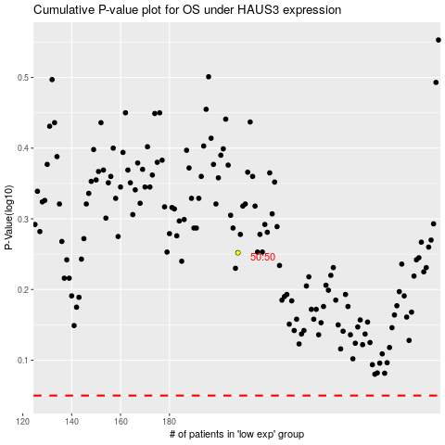

 |  |  |  |  |  | cases_OS | p_OS | rank | exp
 |  |  |  |  |  |  | cases_RFS | p_RFS | rank | exp

