HAUS4 _multivariate
Reported by Tex Li-Hsing Chi. tex@gate.sinica.edu.tw 2019-08-19

Table 2. The clinicopathological features of HNSCC cohort and HAUS4 expression. (Chi square test)
Cutoff at -0.285 (49.8%)
 |  | HAUS4 expression |  | HAUS4 expression |  | (Optimised)
 | Features | Low | (%) | High | (%) | Case no | P-value | Remark | Matthews
Gender | Female | 147 | 35.4 | 159 | 38.3 | 415 | 0.2523 | 0 | 0
2 | Male | 60 | 14.5 | 49 | 11.8
Age at diagnosis | <=65y | 136 | 32.8 | 138 | 33.3 | 415 | 0.9719 | 0 | 0
4 | >65y | 71 | 17.1 | 70 | 16.9
Clinical T Status | T1+T2 | 74 | 17.8 | 75 | 18.1 | 415 | 1 | 0 | 0
6 | T3+T4 | 133 | 32 | 133 | 32
Clinical N Status | N0 | 113 | 27.2 | 103 | 24.8 | 415 | 0.3495 | 1 | 0
8 | N1-3 | 94 | 22.7 | 105 | 25.3
Clinical M Status | M0 | 207 | 49.9 | 205 | 49.4 | 415 | 0.2482 | 0 | 0
10 | M1 | 0 | 0 | 3 | 0.7
Clinical Stage | Stage I+II | 56 | 13.5 | 46 | 11.1 | 415 | 0.2918 | 0 | 0
12 | Stage III+IV | 151 | 36.4 | 162 | 39
Surgical Margin status | Negative | 167 | 40.2 | 151 | 36.4 | 415 | 0.0632 | 0 | 0
14 | Positive | 40 | 9.6 | 57 | 13.7
Tobacco Exposure | Low | 96 | 23.1 | 65 | 15.7 | 415 | 0.0018 | 1 | 0
16 | High | 111 | 26.7 | 143 | 34.5

Table 3. Univariate/Multivariate Cox's proportional hazards regression analyses on OS time of HAUS4 gene expression in HNSCC

 |  | Univariate |  |  |  | Multivariate
 | Features | HR | CI95%(L) | CI95%(H) | P-value | HR | CI95%(L) | CI95%(H) | P-value
1 | Female | 1 |  |  |  | 1
Gender | Male | 1.157 | 0.843 | 1.587 | 0.367 | 1.201 | 0.86 | 1.678 | 0.282
11 | <=65y | 1 |  |  |  | 1
Age at diagnosis | >65y | 1.329 | 0.99 | 1.784 | 0.058 | 1.394 | 1.025 | 1.896 | 0.034
12 | T1+T2 | 1 |  |  |  | 1
Clinical T Status | T3+T4 | 1.409 | 1.028 | 1.931 | 0.033 | 2.194 | 1.16 | 4.151 | 0.016
13 | N0 | 1 |  |  |  | 1
Clinical N Status | N1-3 | 1.185 | 0.89 | 1.577 | 0.246 | 1.243 | 0.871 | 1.774 | 0.231
14 | M0 | 1 |  |  |  | 1
Clinical M Status | M1 | 4.097 | 1.009 | 16.644 | 0.049 | 9.557 | 2.074 | 44.037 | 0.004
15 | Stage I+II | 1 |  |  |  | 1
Clinical Stage | Stage III+IV | 1.245 | 0.882 | 1.759 | 0.213 | 0.507 | 0.236 | 1.088 | 0.081
16 | Negative | 1 |  |  |  | 1
Surgical Margin status | Positive | 1.591 | 1.155 | 2.191 | 0.004 | 1.682 | 1.213 | 2.334 | 0.002
17 | Low | 1 |  |  |  | 1
Tobacco Exposure | High | 1.364 | 1.008 | 1.844 | 0.044 | 1.462 | 1.057 | 2.023 | 0.022
18 | Low | 1 |  |  |  | 1
RNAseq(z-score) | High | 1.102 | 0.827 | 1.467 | 0.507 | 0.963 | 0.716 | 1.295 | 0.803

Table 4. Univariate/Multivariate Cox's proportional hazards regression analyses on RFS time of HAUS4 gene expression in HNSCC

 |  | Univariate |  |  |  | Multivariate
 | Features | HR | CI95%(L) | CI95%(H) | P-value | HR | CI95%(L) | CI95%(H) | P-value
1 | Female | 1 |  |  |  | 1
Gender | Male | 1.157 | 0.843 | 1.587 | 0.367 | 1.201 | 0.86 | 1.678 | 0.282
11 | <=65y | 1 |  |  |  | 1
Age at diagnosis | >65y | 1.329 | 0.99 | 1.784 | 0.058 | 1.394 | 1.025 | 1.896 | 0.034
12 | T1+T2 | 1 |  |  |  | 1
Clinical T Status | T3+T4 | 1.409 | 1.028 | 1.931 | 0.033 | 2.194 | 1.16 | 4.151 | 0.016
13 | N0 | 1 |  |  |  | 1
Clinical N Status | N1-3 | 1.185 | 0.89 | 1.577 | 0.246 | 1.243 | 0.871 | 1.774 | 0.231
14 | M0 | 1 |  |  |  | 1
Clinical M Status | M1 | 4.097 | 1.009 | 16.644 | 0.049 | 9.557 | 2.074 | 44.037 | 0.004
15 | Stage I+II | 1 |  |  |  | 1
Clinical Stage | Stage III+IV | 1.245 | 0.882 | 1.759 | 0.213 | 0.507 | 0.236 | 1.088 | 0.081
16 | Negative | 1 |  |  |  | 1
Surgical Margin status | Positive | 1.591 | 1.155 | 2.191 | 0.004 | 1.682 | 1.213 | 2.334 | 0.002
17 | Low | 1 |  |  |  | 1
Tobacco Exposure | High | 1.364 | 1.008 | 1.844 | 0.044 | 1.462 | 1.057 | 2.023 | 0.022
18 | Low | 1 |  |  |  | 1
RNAseq(z-score) | High | 1.102 | 0.827 | 1.467 | 0.507 | 0.963 | 0.716 | 1.295 | 0.803

Kaplan-Meier survival estimate: Cutoff at -0.285 (49.8%)



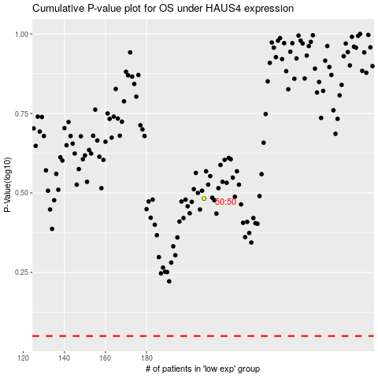

 |  |  |  |  |  | cases_OS | p_OS | rank | exp
 |  |  |  |  |  |  | cases_RFS | p_RFS | rank | exp

