HAUS5 _multivariate
Reported by Tex Li-Hsing Chi. tex@gate.sinica.edu.tw 2019-08-19

Table 2. The clinicopathological features of HNSCC cohort and HAUS5 expression. (Chi square test)
Cutoff at -0.263 (49.8%)
 |  | HAUS5 expression |  | HAUS5 expression |  | (Optimised)
 | Features | Low | (%) | High | (%) | Case no | P-value | Remark | Matthews
Gender | Female | 146 | 35.2 | 160 | 38.6 | 415 | 0.1714 | 0 | 0
2 | Male | 61 | 14.7 | 48 | 11.6
Age at diagnosis | <=65y | 140 | 33.7 | 134 | 32.3 | 415 | 0.5574 | 0 | 0
4 | >65y | 67 | 16.1 | 74 | 17.8
Clinical T Status | T1+T2 | 74 | 17.8 | 75 | 18.1 | 415 | 1 | 0 | 0
6 | T3+T4 | 133 | 32 | 133 | 32
Clinical N Status | N0 | 110 | 26.5 | 106 | 25.5 | 415 | 0.7294 | 0 | 0
8 | N1-3 | 97 | 23.4 | 102 | 24.6
Clinical M Status | M0 | 205 | 49.4 | 207 | 49.9 | 415 | 0.6232 | 0 | 0
10 | M1 | 2 | 0.5 | 1 | 0.2
Clinical Stage | Stage I+II | 53 | 12.8 | 49 | 11.8 | 415 | 0.7113 | 0 | 0
12 | Stage III+IV | 154 | 37.1 | 159 | 38.3
Surgical Margin status | Negative | 162 | 39 | 156 | 37.6 | 415 | 0.4867 | 0 | 0
14 | Positive | 45 | 10.8 | 52 | 12.5
Tobacco Exposure | Low | 81 | 19.5 | 80 | 19.3 | 415 | 0.9199 | 0 | 0
16 | High | 126 | 30.4 | 128 | 30.8

Table 3. Univariate/Multivariate Cox's proportional hazards regression analyses on OS time of HAUS5 gene expression in HNSCC

 |  | Univariate |  |  |  | Multivariate
 | Features | HR | CI95%(L) | CI95%(H) | P-value | HR | CI95%(L) | CI95%(H) | P-value
1 | Female | 1 |  |  |  | 1
Gender | Male | 1.157 | 0.843 | 1.587 | 0.367 | 1.167 | 0.832 | 1.636 | 0.372
11 | <=65y | 1 |  |  |  | 1
Age at diagnosis | >65y | 1.329 | 0.99 | 1.784 | 0.058 | 1.412 | 1.037 | 1.921 | 0.028
12 | T1+T2 | 1 |  |  |  | 1
Clinical T Status | T3+T4 | 1.409 | 1.028 | 1.931 | 0.033 | 2.168 | 1.146 | 4.099 | 0.017
13 | N0 | 1 |  |  |  | 1
Clinical N Status | N1-3 | 1.185 | 0.89 | 1.577 | 0.246 | 1.236 | 0.866 | 1.763 | 0.243
14 | M0 | 1 |  |  |  | 1
Clinical M Status | M1 | 4.097 | 1.009 | 16.644 | 0.049 | 8.797 | 1.911 | 40.488 | 0.005
15 | Stage I+II | 1 |  |  |  | 1
Clinical Stage | Stage III+IV | 1.245 | 0.882 | 1.759 | 0.213 | 0.516 | 0.24 | 1.108 | 0.09
16 | Negative | 1 |  |  |  | 1
Surgical Margin status | Positive | 1.591 | 1.155 | 2.191 | 0.004 | 1.673 | 1.21 | 2.312 | 0.002
17 | Low | 1 |  |  |  | 1
Tobacco Exposure | High | 1.364 | 1.008 | 1.844 | 0.044 | 1.474 | 1.068 | 2.033 | 0.018
18 | Low | 1 |  |  |  | 1
RNAseq(z-score) | High | 0.86 | 0.645 | 1.146 | 0.304 | 0.845 | 0.63 | 1.134 | 0.263

Table 4. Univariate/Multivariate Cox's proportional hazards regression analyses on RFS time of HAUS5 gene expression in HNSCC

 |  | Univariate |  |  |  | Multivariate
 | Features | HR | CI95%(L) | CI95%(H) | P-value | HR | CI95%(L) | CI95%(H) | P-value
1 | Female | 1 |  |  |  | 1
Gender | Male | 1.157 | 0.843 | 1.587 | 0.367 | 1.167 | 0.832 | 1.636 | 0.372
11 | <=65y | 1 |  |  |  | 1
Age at diagnosis | >65y | 1.329 | 0.99 | 1.784 | 0.058 | 1.412 | 1.037 | 1.921 | 0.028
12 | T1+T2 | 1 |  |  |  | 1
Clinical T Status | T3+T4 | 1.409 | 1.028 | 1.931 | 0.033 | 2.168 | 1.146 | 4.099 | 0.017
13 | N0 | 1 |  |  |  | 1
Clinical N Status | N1-3 | 1.185 | 0.89 | 1.577 | 0.246 | 1.236 | 0.866 | 1.763 | 0.243
14 | M0 | 1 |  |  |  | 1
Clinical M Status | M1 | 4.097 | 1.009 | 16.644 | 0.049 | 8.797 | 1.911 | 40.488 | 0.005
15 | Stage I+II | 1 |  |  |  | 1
Clinical Stage | Stage III+IV | 1.245 | 0.882 | 1.759 | 0.213 | 0.516 | 0.24 | 1.108 | 0.09
16 | Negative | 1 |  |  |  | 1
Surgical Margin status | Positive | 1.591 | 1.155 | 2.191 | 0.004 | 1.673 | 1.21 | 2.312 | 0.002
17 | Low | 1 |  |  |  | 1
Tobacco Exposure | High | 1.364 | 1.008 | 1.844 | 0.044 | 1.474 | 1.068 | 2.033 | 0.018
18 | Low | 1 |  |  |  | 1
RNAseq(z-score) | High | 0.86 | 0.645 | 1.146 | 0.304 | 0.845 | 0.63 | 1.134 | 0.263

Kaplan-Meier survival estimate: Cutoff at -0.263 (49.8%)



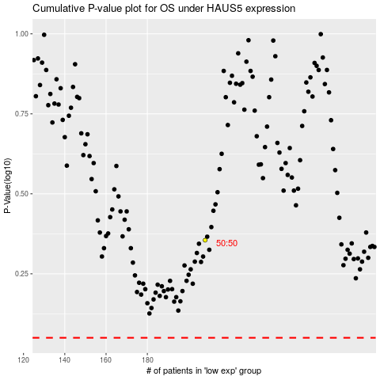

 |  |  |  |  |  | cases_OS | p_OS | rank | exp
 |  |  |  |  |  |  | cases_RFS | p_RFS | rank | exp

