HAUS6 _multivariate
Reported by Tex Li-Hsing Chi. tex@gate.sinica.edu.tw 2019-08-19

Table 2. The clinicopathological features of HNSCC cohort and HAUS6 expression. (Chi square test)
Cutoff at 0.106 (69.8%)
 |  | HAUS6 expression |  | HAUS6 expression |  | (Optimised)
 | Features | Low | (%) | High | (%) | Case no | P-value | Remark | Matthews
Gender | Female | 218 | 52.5 | 88 | 21.2 | 415 | 0.3724 | 0 | 0
2 | Male | 72 | 17.3 | 37 | 8.9
Age at diagnosis | <=65y | 195 | 47 | 79 | 19 | 415 | 0.4936 | 0 | 0
4 | >65y | 95 | 22.9 | 46 | 11.1
Clinical T Status | T1+T2 | 103 | 24.8 | 46 | 11.1 | 415 | 0.8899 | 0 | 0
6 | T3+T4 | 187 | 45.1 | 79 | 19
Clinical N Status | N0 | 153 | 36.9 | 63 | 15.2 | 415 | 0.7383 | 0 | 0
8 | N1-3 | 137 | 33 | 62 | 14.9
Clinical M Status | M0 | 288 | 69.4 | 124 | 29.9 | 415 | 1 | 0 | 0
10 | M1 | 2 | 0.5 | 1 | 0.2
Clinical Stage | Stage I+II | 70 | 16.9 | 32 | 7.7 | 415 | 0.8469 | 0 | 0
12 | Stage III+IV | 220 | 53 | 93 | 22.4
Surgical Margin status | Negative | 231 | 55.7 | 87 | 21 | 415 | 0.0316 | 1 | 0
14 | Positive | 59 | 14.2 | 38 | 9.2
Tobacco Exposure | Low | 110 | 26.5 | 51 | 12.3 | 415 | 0.585 | 0 | 0
16 | High | 180 | 43.4 | 74 | 17.8

Table 3. Univariate/Multivariate Cox's proportional hazards regression analyses on OS time of HAUS6 gene expression in HNSCC

 |  | Univariate |  |  |  | Multivariate
 | Features | HR | CI95%(L) | CI95%(H) | P-value | HR | CI95%(L) | CI95%(H) | P-value
1 | Female | 1 |  |  |  | 1
Gender | Male | 1.157 | 0.843 | 1.587 | 0.367 | 1.214 | 0.868 | 1.699 | 0.257
11 | <=65y | 1 |  |  |  | 1
Age at diagnosis | >65y | 1.329 | 0.99 | 1.784 | 0.058 | 1.367 | 1.005 | 1.86 | 0.047
12 | T1+T2 | 1 |  |  |  | 1
Clinical T Status | T3+T4 | 1.409 | 1.028 | 1.931 | 0.033 | 2.199 | 1.163 | 4.159 | 0.015
13 | N0 | 1 |  |  |  | 1
Clinical N Status | N1-3 | 1.185 | 0.89 | 1.577 | 0.246 | 1.219 | 0.854 | 1.738 | 0.275
14 | M0 | 1 |  |  |  | 1
Clinical M Status | M1 | 4.097 | 1.009 | 16.644 | 0.049 | 9.885 | 2.154 | 45.37 | 0.003
15 | Stage I+II | 1 |  |  |  | 1
Clinical Stage | Stage III+IV | 1.245 | 0.882 | 1.759 | 0.213 | 0.508 | 0.237 | 1.091 | 0.082
16 | Negative | 1 |  |  |  | 1
Surgical Margin status | Positive | 1.591 | 1.155 | 2.191 | 0.004 | 1.623 | 1.173 | 2.245 | 0.003
17 | Low | 1 |  |  |  | 1
Tobacco Exposure | High | 1.364 | 1.008 | 1.844 | 0.044 | 1.532 | 1.107 | 2.12 | 0.01
18 | Low | 1 |  |  |  | 1
RNAseq(z-score) | High | 1.435 | 1.062 | 1.939 | 0.019 | 1.448 | 1.066 | 1.968 | 0.018

Table 4. Univariate/Multivariate Cox's proportional hazards regression analyses on RFS time of HAUS6 gene expression in HNSCC

 |  | Univariate |  |  |  | Multivariate
 | Features | HR | CI95%(L) | CI95%(H) | P-value | HR | CI95%(L) | CI95%(H) | P-value
1 | Female | 1 |  |  |  | 1
Gender | Male | 1.157 | 0.843 | 1.587 | 0.367 | 1.214 | 0.868 | 1.699 | 0.257
11 | <=65y | 1 |  |  |  | 1
Age at diagnosis | >65y | 1.329 | 0.99 | 1.784 | 0.058 | 1.367 | 1.005 | 1.86 | 0.047
12 | T1+T2 | 1 |  |  |  | 1
Clinical T Status | T3+T4 | 1.409 | 1.028 | 1.931 | 0.033 | 2.199 | 1.163 | 4.159 | 0.015
13 | N0 | 1 |  |  |  | 1
Clinical N Status | N1-3 | 1.185 | 0.89 | 1.577 | 0.246 | 1.219 | 0.854 | 1.738 | 0.275
14 | M0 | 1 |  |  |  | 1
Clinical M Status | M1 | 4.097 | 1.009 | 16.644 | 0.049 | 9.885 | 2.154 | 45.37 | 0.003
15 | Stage I+II | 1 |  |  |  | 1
Clinical Stage | Stage III+IV | 1.245 | 0.882 | 1.759 | 0.213 | 0.508 | 0.237 | 1.091 | 0.082
16 | Negative | 1 |  |  |  | 1
Surgical Margin status | Positive | 1.591 | 1.155 | 2.191 | 0.004 | 1.623 | 1.173 | 2.245 | 0.003
17 | Low | 1 |  |  |  | 1
Tobacco Exposure | High | 1.364 | 1.008 | 1.844 | 0.044 | 1.532 | 1.107 | 2.12 | 0.01
18 | Low | 1 |  |  |  | 1
RNAseq(z-score) | High | 1.435 | 1.062 | 1.939 | 0.019 | 1.448 | 1.066 | 1.968 | 0.018

Kaplan-Meier survival estimate: Cutoff at 0.106 (69.8%)

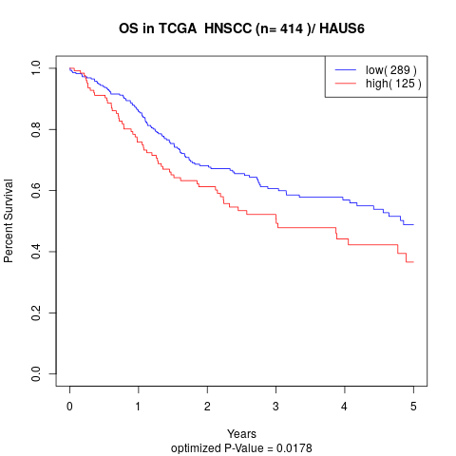

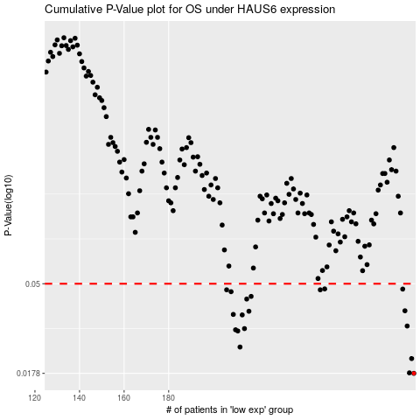

 |  |  |  |  |  | cases_OS | p_OS | rank | exp
 |  |  |  |  |  | 290 | 0.0178 | 264 | 0.10586630846
 |  |  |  |  |  | 288 | 0.0179 | 266 | 0.0968853967
 |  |  |  |  |  | 289 | 0.0211 | 367 | 0.10455296723
 |  |  |  |  |  | 212 | 0.0241 | 247 | -0.12264544574
 |  |  |  |  |  | 211 | 0.029 | 357 | -0.12407004454
 |  |  |  |  |  | 210 | 0.0294 | 259 | -0.12941521787
 |  |  |  |  |  | 214 | 0.0298 | 124 | -0.11869182855
 |  |  |  |  |  | 287 | 0.0307 | 184 | 0.093612709291
 |  |  |  |  |  | 213 | 0.0349 | 311 | -0.12241582015
 |  |  |  |  |  | 209 | 0.0351 | 134 | -0.13307166024
 |  |  |  |  |  | 216 | 0.0364 | 82 | -0.11531980402
 |  |  |  |  |  | 286 | 0.0366 | 96 | 0.086788354028
 |  |  |  |  |  | 215 | 0.0419 | 269 | -0.11615109883
 |  |  |  |  |  | 217 | 0.0432 | 85 | -0.1144761705
 |  |  |  |  |  | 208 | 0.0456 | 122 | -0.13353948577
 |  |  |  |  |  | 206 | 0.0466 | 67 | -0.13831812385
 |  |  |  |  |  | 248 | 0.0466 | 220 | -0.043366898935
 |  |  |  |  |  | 285 | 0.047 | 132 | 0.078504684257
 |  |  |  |  |  | 250 | 0.0471 | 339 | -0.036698973487
 |  |  |  |  |  |  | cases_RFS | p_RFS | rank | exp
 |  |  |  |  |  |  | 289 | 0.0178 | 367 | 0.10455296723
 |  |  |  |  |  |  | 287 | 0.0179 | 184 | 0.093612709291
 |  |  |  |  |  |  | 288 | 0.0211 | 266 | 0.0968853967
 |  |  |  |  |  |  | 211 | 0.0241 | 357 | -0.12407004454
 |  |  |  |  |  |  | 210 | 0.029 | 259 | -0.12941521787
 |  |  |  |  |  |  | 209 | 0.0294 | 134 | -0.13307166024
 |  |  |  |  |  |  | 213 | 0.0298 | 311 | -0.12241582015
 |  |  |  |  |  |  | 286 | 0.0307 | 96 | 0.086788354028
 |  |  |  |  |  |  | 212 | 0.0349 | 247 | -0.12264544574
 |  |  |  |  |  |  | 208 | 0.0351 | 122 | -0.13353948577
 |  |  |  |  |  |  | 215 | 0.0364 | 269 | -0.11615109883
 |  |  |  |  |  |  | 285 | 0.0366 | 132 | 0.078504684257
 |  |  |  |  |  |  | 214 | 0.0419 | 124 | -0.11869182855
 |  |  |  |  |  |  | 216 | 0.0432 | 82 | -0.11531980402
 |  |  |  |  |  |  | 207 | 0.0456 | 32 | -0.13403428917
 |  |  |  |  |  |  | 247 | 0.0466 | 104 | -0.043455570381
 |  |  |  |  |  |  | 205 | 0.0466 | 175 | -0.13939995732
 |  |  |  |  |  |  | 284 | 0.047 | 245 | 0.075697103679
 |  |  |  |  |  |  | 249 | 0.0471 | 139 | -0.040926761119

