HAUS7 _multivariate
Reported by Tex Li-Hsing Chi. tex@gate.sinica.edu.tw 2019-08-19

Table 2. The clinicopathological features of HNSCC cohort and HAUS7 expression. (Chi square test)
Cutoff at -0.361 (37.9%)
 |  | HAUS7 expression |  | HAUS7 expression |  | (Optimised)
 | Features | Low | (%) | High | (%) | Case no | P-value | Remark | Matthews
Gender | Female | 111 | 26.7 | 195 | 47 | 415 | 0.2506 | 0 | 0
2 | Male | 47 | 11.3 | 62 | 14.9
Age at diagnosis | <=65y | 105 | 25.3 | 169 | 40.7 | 415 | 0.969 | 0 | 0
4 | >65y | 53 | 12.8 | 88 | 21.2
Clinical T Status | T1+T2 | 58 | 14 | 91 | 21.9 | 415 | 0.8707 | 0 | 0
6 | T3+T4 | 100 | 24.1 | 166 | 40
Clinical N Status | N0 | 83 | 20 | 133 | 32 | 415 | 0.9574 | 0 | 0
8 | N1-3 | 75 | 18.1 | 124 | 29.9
Clinical M Status | M0 | 158 | 38.1 | 254 | 61.2 | 415 | 0.291 | 0 | 0
10 | M1 | 0 | 0 | 3 | 0.7
Clinical Stage | Stage I+II | 38 | 9.2 | 64 | 15.4 | 415 | 0.9375 | 0 | 0
12 | Stage III+IV | 120 | 28.9 | 193 | 46.5
Surgical Margin status | Negative | 125 | 30.1 | 193 | 46.5 | 415 | 0.4033 | 0 | 0
14 | Positive | 33 | 8 | 64 | 15.4
Tobacco Exposure | Low | 67 | 16.1 | 94 | 22.7 | 415 | 0.2546 | 0 | 0
16 | High | 91 | 21.9 | 163 | 39.3

Table 3. Univariate/Multivariate Cox's proportional hazards regression analyses on OS time of HAUS7 gene expression in HNSCC

 |  | Univariate |  |  |  | Multivariate
 | Features | HR | CI95%(L) | CI95%(H) | P-value | HR | CI95%(L) | CI95%(H) | P-value
1 | Female | 1 |  |  |  | 1
Gender | Male | 1.157 | 0.843 | 1.587 | 0.367 | 1.219 | 0.871 | 1.706 | 0.248
11 | <=65y | 1 |  |  |  | 1
Age at diagnosis | >65y | 1.329 | 0.99 | 1.784 | 0.058 | 1.365 | 1.003 | 1.857 | 0.048
12 | T1+T2 | 1 |  |  |  | 1
Clinical T Status | T3+T4 | 1.409 | 1.028 | 1.931 | 0.033 | 2.161 | 1.143 | 4.086 | 0.018
13 | N0 | 1 |  |  |  | 1
Clinical N Status | N1-3 | 1.185 | 0.89 | 1.577 | 0.246 | 1.231 | 0.863 | 1.755 | 0.252
14 | M0 | 1 |  |  |  | 1
Clinical M Status | M1 | 4.097 | 1.009 | 16.644 | 0.049 | 8.554 | 1.856 | 39.417 | 0.006
15 | Stage I+II | 1 |  |  |  | 1
Clinical Stage | Stage III+IV | 1.245 | 0.882 | 1.759 | 0.213 | 0.515 | 0.24 | 1.106 | 0.089
16 | Negative | 1 |  |  |  | 1
Surgical Margin status | Positive | 1.591 | 1.155 | 2.191 | 0.004 | 1.626 | 1.175 | 2.251 | 0.003
17 | Low | 1 |  |  |  | 1
Tobacco Exposure | High | 1.364 | 1.008 | 1.844 | 0.044 | 1.45 | 1.052 | 1.999 | 0.023
18 | Low | 1 |  |  |  | 1
RNAseq(z-score) | High | 1.378 | 1.019 | 1.865 | 0.037 | 1.249 | 0.919 | 1.698 | 0.155

Table 4. Univariate/Multivariate Cox's proportional hazards regression analyses on RFS time of HAUS7 gene expression in HNSCC

 |  | Univariate |  |  |  | Multivariate
 | Features | HR | CI95%(L) | CI95%(H) | P-value | HR | CI95%(L) | CI95%(H) | P-value
1 | Female | 1 |  |  |  | 1
Gender | Male | 1.157 | 0.843 | 1.587 | 0.367 | 1.219 | 0.871 | 1.706 | 0.248
11 | <=65y | 1 |  |  |  | 1
Age at diagnosis | >65y | 1.329 | 0.99 | 1.784 | 0.058 | 1.365 | 1.003 | 1.857 | 0.048
12 | T1+T2 | 1 |  |  |  | 1
Clinical T Status | T3+T4 | 1.409 | 1.028 | 1.931 | 0.033 | 2.161 | 1.143 | 4.086 | 0.018
13 | N0 | 1 |  |  |  | 1
Clinical N Status | N1-3 | 1.185 | 0.89 | 1.577 | 0.246 | 1.231 | 0.863 | 1.755 | 0.252
14 | M0 | 1 |  |  |  | 1
Clinical M Status | M1 | 4.097 | 1.009 | 16.644 | 0.049 | 8.554 | 1.856 | 39.417 | 0.006
15 | Stage I+II | 1 |  |  |  | 1
Clinical Stage | Stage III+IV | 1.245 | 0.882 | 1.759 | 0.213 | 0.515 | 0.24 | 1.106 | 0.089
16 | Negative | 1 |  |  |  | 1
Surgical Margin status | Positive | 1.591 | 1.155 | 2.191 | 0.004 | 1.626 | 1.175 | 2.251 | 0.003
17 | Low | 1 |  |  |  | 1
Tobacco Exposure | High | 1.364 | 1.008 | 1.844 | 0.044 | 1.45 | 1.052 | 1.999 | 0.023
18 | Low | 1 |  |  |  | 1
RNAseq(z-score) | High | 1.378 | 1.019 | 1.865 | 0.037 | 1.249 | 0.919 | 1.698 | 0.155

Kaplan-Meier survival estimate: Cutoff at -0.361 (37.9%)



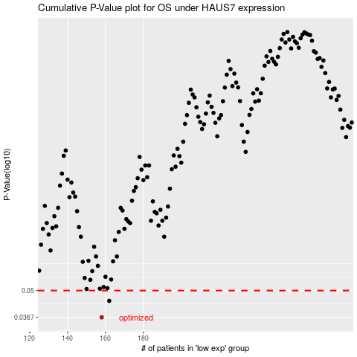

 |  |  |  |  |  | cases_OS | p_OS | rank | exp
 |  |  |  |  |  | 158 | 0.0367 | 281 | -0.3605668398
 |  |  |  |  |  | 162 | 0.0444 | 65 | -0.35225939784
 |  |  |  |  |  |  | cases_RFS | p_RFS | rank | exp
 |  |  |  |  |  |  | 157 | 0.0367 | 63 | -0.36573973715
 |  |  |  |  |  |  | 161 | 0.0444 | 311 | -0.35280970607

