HAVCR2 _multivariate
Reported by Tex Li-Hsing Chi. tex@gate.sinica.edu.tw 2019-08-19

Table 2. The clinicopathological features of HNSCC cohort and HAVCR2 expression. (Chi square test)
Cutoff at -0.28 (49.8%)
 |  | HAVCR2 expression |  | HAVCR2 expression |  | (Optimised)
 | Features | Low | (%) | High | (%) | Case no | P-value | Remark | Matthews
Gender | Female | 165 | 39.8 | 141 | 34 | 415 | 0.0081 | 1 | 0
2 | Male | 42 | 10.1 | 67 | 16.1
Age at diagnosis | <=65y | 142 | 34.2 | 132 | 31.8 | 415 | 0.3167 | 0 | 0
4 | >65y | 65 | 15.7 | 76 | 18.3
Clinical T Status | T1+T2 | 71 | 17.1 | 78 | 18.8 | 415 | 0.5638 | 0 | 0
6 | T3+T4 | 136 | 32.8 | 130 | 31.3
Clinical N Status | N0 | 125 | 30.1 | 91 | 21.9 | 415 | 0.001 | 1 | 0
8 | N1-3 | 82 | 19.8 | 117 | 28.2
Clinical M Status | M0 | 207 | 49.9 | 205 | 49.4 | 415 | 0.2482 | 0 | 0
10 | M1 | 0 | 0 | 3 | 0.7
Clinical Stage | Stage I+II | 52 | 12.5 | 50 | 12 | 415 | 0.8871 | 0 | 0
12 | Stage III+IV | 155 | 37.3 | 158 | 38.1
Surgical Margin status | Negative | 160 | 38.6 | 158 | 38.1 | 415 | 0.8167 | 0 | 0
14 | Positive | 47 | 11.3 | 50 | 12
Tobacco Exposure | Low | 72 | 17.3 | 89 | 21.4 | 415 | 0.1071 | 0 | 0
16 | High | 135 | 32.5 | 119 | 28.7

Table 3. Univariate/Multivariate Cox's proportional hazards regression analyses on OS time of HAVCR2 gene expression in HNSCC

 |  | Univariate |  |  |  | Multivariate
 | Features | HR | CI95%(L) | CI95%(H) | P-value | HR | CI95%(L) | CI95%(H) | P-value
1 | Female | 1 |  |  |  | 1
Gender | Male | 1.157 | 0.843 | 1.587 | 0.367 | 1.206 | 0.862 | 1.687 | 0.275
11 | <=65y | 1 |  |  |  | 1
Age at diagnosis | >65y | 1.329 | 0.99 | 1.784 | 0.058 | 1.393 | 1.025 | 1.893 | 0.034
12 | T1+T2 | 1 |  |  |  | 1
Clinical T Status | T3+T4 | 1.409 | 1.028 | 1.931 | 0.033 | 2.206 | 1.166 | 4.172 | 0.015
13 | N0 | 1 |  |  |  | 1
Clinical N Status | N1-3 | 1.185 | 0.89 | 1.577 | 0.246 | 1.249 | 0.87 | 1.793 | 0.228
14 | M0 | 1 |  |  |  | 1
Clinical M Status | M1 | 4.097 | 1.009 | 16.644 | 0.049 | 9.545 | 2.067 | 44.071 | 0.004
15 | Stage I+II | 1 |  |  |  | 1
Clinical Stage | Stage III+IV | 1.245 | 0.882 | 1.759 | 0.213 | 0.502 | 0.234 | 1.08 | 0.078
16 | Negative | 1 |  |  |  | 1
Surgical Margin status | Positive | 1.591 | 1.155 | 2.191 | 0.004 | 1.675 | 1.211 | 2.317 | 0.002
17 | Low | 1 |  |  |  | 1
Tobacco Exposure | High | 1.364 | 1.008 | 1.844 | 0.044 | 1.449 | 1.05 | 1.999 | 0.024
18 | Low | 1 |  |  |  | 1
RNAseq(z-score) | High | 1.037 | 0.778 | 1.383 | 0.802 | 0.971 | 0.72 | 1.309 | 0.847

Table 4. Univariate/Multivariate Cox's proportional hazards regression analyses on RFS time of HAVCR2 gene expression in HNSCC

 |  | Univariate |  |  |  | Multivariate
 | Features | HR | CI95%(L) | CI95%(H) | P-value | HR | CI95%(L) | CI95%(H) | P-value
1 | Female | 1 |  |  |  | 1
Gender | Male | 1.157 | 0.843 | 1.587 | 0.367 | 1.206 | 0.862 | 1.687 | 0.275
11 | <=65y | 1 |  |  |  | 1
Age at diagnosis | >65y | 1.329 | 0.99 | 1.784 | 0.058 | 1.393 | 1.025 | 1.893 | 0.034
12 | T1+T2 | 1 |  |  |  | 1
Clinical T Status | T3+T4 | 1.409 | 1.028 | 1.931 | 0.033 | 2.206 | 1.166 | 4.172 | 0.015
13 | N0 | 1 |  |  |  | 1
Clinical N Status | N1-3 | 1.185 | 0.89 | 1.577 | 0.246 | 1.249 | 0.87 | 1.793 | 0.228
14 | M0 | 1 |  |  |  | 1
Clinical M Status | M1 | 4.097 | 1.009 | 16.644 | 0.049 | 9.545 | 2.067 | 44.071 | 0.004
15 | Stage I+II | 1 |  |  |  | 1
Clinical Stage | Stage III+IV | 1.245 | 0.882 | 1.759 | 0.213 | 0.502 | 0.234 | 1.08 | 0.078
16 | Negative | 1 |  |  |  | 1
Surgical Margin status | Positive | 1.591 | 1.155 | 2.191 | 0.004 | 1.675 | 1.211 | 2.317 | 0.002
17 | Low | 1 |  |  |  | 1
Tobacco Exposure | High | 1.364 | 1.008 | 1.844 | 0.044 | 1.449 | 1.05 | 1.999 | 0.024
18 | Low | 1 |  |  |  | 1
RNAseq(z-score) | High | 1.037 | 0.778 | 1.383 | 0.802 | 0.971 | 0.72 | 1.309 | 0.847

Kaplan-Meier survival estimate: Cutoff at -0.28 (49.8%)



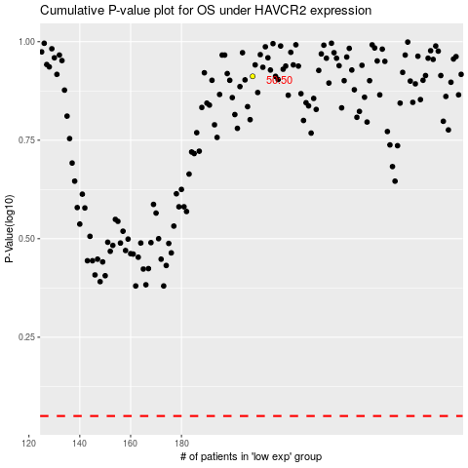

 |  |  |  |  |  | cases_OS | p_OS | rank | exp
 |  |  |  |  |  |  | cases_RFS | p_RFS | rank | exp

