HAX1 _multivariate
Reported by Tex Li-Hsing Chi. tex@gate.sinica.edu.tw 2019-08-19

Table 2. The clinicopathological features of HNSCC cohort and HAX1 expression. (Chi square test)
Cutoff at -0.285 (49.8%)
 |  | HAX1 expression |  | HAX1 expression |  | (Optimised)
 | Features | Low | (%) | High | (%) | Case no | P-value | Remark | Matthews
Gender | Female | 147 | 35.4 | 159 | 38.3 | 415 | 0.2523 | 0 | 0
2 | Male | 60 | 14.5 | 49 | 11.8
Age at diagnosis | <=65y | 133 | 32 | 141 | 34 | 415 | 0.5111 | 0 | 0
4 | >65y | 74 | 17.8 | 67 | 16.1
Clinical T Status | T1+T2 | 75 | 18.1 | 74 | 17.8 | 415 | 0.9707 | 0 | 0
6 | T3+T4 | 132 | 31.8 | 134 | 32.3
Clinical N Status | N0 | 106 | 25.5 | 110 | 26.5 | 415 | 0.8075 | 0 | 0
8 | N1-3 | 101 | 24.3 | 98 | 23.6
Clinical M Status | M0 | 206 | 49.6 | 206 | 49.6 | 415 | 1 | 0 | 0
10 | M1 | 1 | 0.2 | 2 | 0.5
Clinical Stage | Stage I+II | 54 | 13 | 48 | 11.6 | 415 | 0.5498 | 0 | 0
12 | Stage III+IV | 153 | 36.9 | 160 | 38.6
Surgical Margin status | Negative | 159 | 38.3 | 159 | 38.3 | 415 | 1 | 0 | 0
14 | Positive | 48 | 11.6 | 49 | 11.8
Tobacco Exposure | Low | 89 | 21.4 | 72 | 17.3 | 415 | 0.0872 | 0 | 0
16 | High | 118 | 28.4 | 136 | 32.8

Table 3. Univariate/Multivariate Cox's proportional hazards regression analyses on OS time of HAX1 gene expression in HNSCC

 |  | Univariate |  |  |  | Multivariate
 | Features | HR | CI95%(L) | CI95%(H) | P-value | HR | CI95%(L) | CI95%(H) | P-value
1 | Female | 1 |  |  |  | 1
Gender | Male | 1.157 | 0.843 | 1.587 | 0.367 | 1.204 | 0.862 | 1.682 | 0.275
11 | <=65y | 1 |  |  |  | 1
Age at diagnosis | >65y | 1.329 | 0.99 | 1.784 | 0.058 | 1.414 | 1.04 | 1.923 | 0.027
12 | T1+T2 | 1 |  |  |  | 1
Clinical T Status | T3+T4 | 1.409 | 1.028 | 1.931 | 0.033 | 2.23 | 1.18 | 4.213 | 0.014
13 | N0 | 1 |  |  |  | 1
Clinical N Status | N1-3 | 1.185 | 0.89 | 1.577 | 0.246 | 1.267 | 0.887 | 1.81 | 0.193
14 | M0 | 1 |  |  |  | 1
Clinical M Status | M1 | 4.097 | 1.009 | 16.644 | 0.049 | 8.927 | 1.943 | 41.007 | 0.005
15 | Stage I+II | 1 |  |  |  | 1
Clinical Stage | Stage III+IV | 1.245 | 0.882 | 1.759 | 0.213 | 0.493 | 0.23 | 1.059 | 0.07
16 | Negative | 1 |  |  |  | 1
Surgical Margin status | Positive | 1.591 | 1.155 | 2.191 | 0.004 | 1.644 | 1.189 | 2.272 | 0.003
17 | Low | 1 |  |  |  | 1
Tobacco Exposure | High | 1.364 | 1.008 | 1.844 | 0.044 | 1.429 | 1.037 | 1.97 | 0.029
18 | Low | 1 |  |  |  | 1
RNAseq(z-score) | High | 1.238 | 0.928 | 1.654 | 0.147 | 1.212 | 0.904 | 1.625 | 0.199

Table 4. Univariate/Multivariate Cox's proportional hazards regression analyses on RFS time of HAX1 gene expression in HNSCC

 |  | Univariate |  |  |  | Multivariate
 | Features | HR | CI95%(L) | CI95%(H) | P-value | HR | CI95%(L) | CI95%(H) | P-value
1 | Female | 1 |  |  |  | 1
Gender | Male | 1.157 | 0.843 | 1.587 | 0.367 | 1.204 | 0.862 | 1.682 | 0.275
11 | <=65y | 1 |  |  |  | 1
Age at diagnosis | >65y | 1.329 | 0.99 | 1.784 | 0.058 | 1.414 | 1.04 | 1.923 | 0.027
12 | T1+T2 | 1 |  |  |  | 1
Clinical T Status | T3+T4 | 1.409 | 1.028 | 1.931 | 0.033 | 2.23 | 1.18 | 4.213 | 0.014
13 | N0 | 1 |  |  |  | 1
Clinical N Status | N1-3 | 1.185 | 0.89 | 1.577 | 0.246 | 1.267 | 0.887 | 1.81 | 0.193
14 | M0 | 1 |  |  |  | 1
Clinical M Status | M1 | 4.097 | 1.009 | 16.644 | 0.049 | 8.927 | 1.943 | 41.007 | 0.005
15 | Stage I+II | 1 |  |  |  | 1
Clinical Stage | Stage III+IV | 1.245 | 0.882 | 1.759 | 0.213 | 0.493 | 0.23 | 1.059 | 0.07
16 | Negative | 1 |  |  |  | 1
Surgical Margin status | Positive | 1.591 | 1.155 | 2.191 | 0.004 | 1.644 | 1.189 | 2.272 | 0.003
17 | Low | 1 |  |  |  | 1
Tobacco Exposure | High | 1.364 | 1.008 | 1.844 | 0.044 | 1.429 | 1.037 | 1.97 | 0.029
18 | Low | 1 |  |  |  | 1
RNAseq(z-score) | High | 1.238 | 0.928 | 1.654 | 0.147 | 1.212 | 0.904 | 1.625 | 0.199

Kaplan-Meier survival estimate: Cutoff at -0.285 (49.8%)



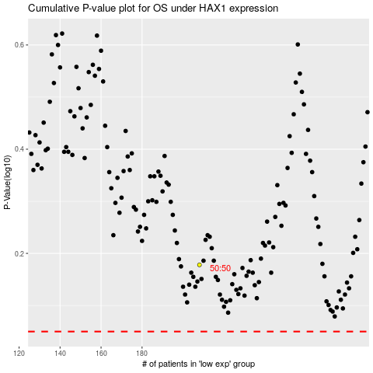

 |  |  |  |  |  | cases_OS | p_OS | rank | exp
 |  |  |  |  |  |  | cases_RFS | p_RFS | rank | exp

