HBB _multivariate
Reported by Tex Li-Hsing Chi. tex@gate.sinica.edu.tw 2019-08-19

Table 2. The clinicopathological features of HNSCC cohort and HBB expression. (Chi square test)
Cutoff at -0.117 (50.0%)
 |  | HBB expression |  | HBB expression |  | (Optimised)
 | Features | Low | (%) | High | (%) | Case no | P-value | Remark | Matthews
Gender | Female | 157 | 37.8 | 149 | 35.9 | 415 | 0.3881 | 0 | 0
2 | Male | 50 | 12 | 59 | 14.2
Age at diagnosis | <=65y | 134 | 32.3 | 140 | 33.7 | 415 | 0.6529 | 0 | 0
4 | >65y | 73 | 17.6 | 68 | 16.4
Clinical T Status | T1+T2 | 71 | 17.1 | 78 | 18.8 | 415 | 0.5638 | 0 | 0
6 | T3+T4 | 136 | 32.8 | 130 | 31.3
Clinical N Status | N0 | 111 | 26.7 | 105 | 25.3 | 415 | 0.5875 | 0 | 0
8 | N1-3 | 96 | 23.1 | 103 | 24.8
Clinical M Status | M0 | 205 | 49.4 | 207 | 49.9 | 415 | 0.6232 | 0 | 0
10 | M1 | 2 | 0.5 | 1 | 0.2
Clinical Stage | Stage I+II | 52 | 12.5 | 50 | 12 | 415 | 0.8871 | 0 | 0
12 | Stage III+IV | 155 | 37.3 | 158 | 38.1
Surgical Margin status | Negative | 165 | 39.8 | 153 | 36.9 | 415 | 0.1639 | 0 | 0
14 | Positive | 42 | 10.1 | 55 | 13.3
Tobacco Exposure | Low | 76 | 18.3 | 85 | 20.5 | 415 | 0.4207 | 0 | 0
16 | High | 131 | 31.6 | 123 | 29.6

Table 3. Univariate/Multivariate Cox's proportional hazards regression analyses on OS time of HBB gene expression in HNSCC

 |  | Univariate |  |  |  | Multivariate
 | Features | HR | CI95%(L) | CI95%(H) | P-value | HR | CI95%(L) | CI95%(H) | P-value
1 | Female | 1 |  |  |  | 1
Gender | Male | 1.157 | 0.843 | 1.587 | 0.367 | 1.203 | 0.861 | 1.681 | 0.279
11 | <=65y | 1 |  |  |  | 1
Age at diagnosis | >65y | 1.329 | 0.99 | 1.784 | 0.058 | 1.385 | 1.019 | 1.883 | 0.038
12 | T1+T2 | 1 |  |  |  | 1
Clinical T Status | T3+T4 | 1.409 | 1.028 | 1.931 | 0.033 | 2.17 | 1.145 | 4.112 | 0.017
13 | N0 | 1 |  |  |  | 1
Clinical N Status | N1-3 | 1.185 | 0.89 | 1.577 | 0.246 | 1.239 | 0.868 | 1.767 | 0.238
14 | M0 | 1 |  |  |  | 1
Clinical M Status | M1 | 4.097 | 1.009 | 16.644 | 0.049 | 9.24 | 2.014 | 42.405 | 0.004
15 | Stage I+II | 1 |  |  |  | 1
Clinical Stage | Stage III+IV | 1.245 | 0.882 | 1.759 | 0.213 | 0.51 | 0.237 | 1.094 | 0.084
16 | Negative | 1 |  |  |  | 1
Surgical Margin status | Positive | 1.591 | 1.155 | 2.191 | 0.004 | 1.682 | 1.217 | 2.327 | 0.002
17 | Low | 1 |  |  |  | 1
Tobacco Exposure | High | 1.364 | 1.008 | 1.844 | 0.044 | 1.443 | 1.046 | 1.991 | 0.025
18 | Low | 1 |  |  |  | 1
RNAseq(z-score) | High | 0.877 | 0.657 | 1.171 | 0.374 | 0.92 | 0.687 | 1.232 | 0.576

Table 4. Univariate/Multivariate Cox's proportional hazards regression analyses on RFS time of HBB gene expression in HNSCC

 |  | Univariate |  |  |  | Multivariate
 | Features | HR | CI95%(L) | CI95%(H) | P-value | HR | CI95%(L) | CI95%(H) | P-value
1 | Female | 1 |  |  |  | 1
Gender | Male | 1.157 | 0.843 | 1.587 | 0.367 | 1.203 | 0.861 | 1.681 | 0.279
11 | <=65y | 1 |  |  |  | 1
Age at diagnosis | >65y | 1.329 | 0.99 | 1.784 | 0.058 | 1.385 | 1.019 | 1.883 | 0.038
12 | T1+T2 | 1 |  |  |  | 1
Clinical T Status | T3+T4 | 1.409 | 1.028 | 1.931 | 0.033 | 2.17 | 1.145 | 4.112 | 0.017
13 | N0 | 1 |  |  |  | 1
Clinical N Status | N1-3 | 1.185 | 0.89 | 1.577 | 0.246 | 1.239 | 0.868 | 1.767 | 0.238
14 | M0 | 1 |  |  |  | 1
Clinical M Status | M1 | 4.097 | 1.009 | 16.644 | 0.049 | 9.24 | 2.014 | 42.405 | 0.004
15 | Stage I+II | 1 |  |  |  | 1
Clinical Stage | Stage III+IV | 1.245 | 0.882 | 1.759 | 0.213 | 0.51 | 0.237 | 1.094 | 0.084
16 | Negative | 1 |  |  |  | 1
Surgical Margin status | Positive | 1.591 | 1.155 | 2.191 | 0.004 | 1.682 | 1.217 | 2.327 | 0.002
17 | Low | 1 |  |  |  | 1
Tobacco Exposure | High | 1.364 | 1.008 | 1.844 | 0.044 | 1.443 | 1.046 | 1.991 | 0.025
18 | Low | 1 |  |  |  | 1
RNAseq(z-score) | High | 0.877 | 0.657 | 1.171 | 0.374 | 0.92 | 0.687 | 1.232 | 0.576

Kaplan-Meier survival estimate: Cutoff at -0.117 (50.0%)



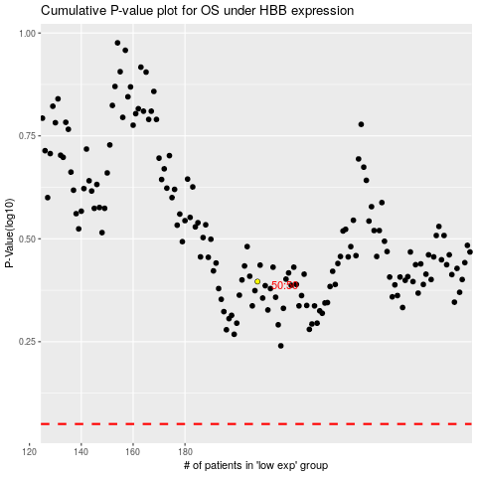

 |  |  |  |  |  | cases_OS | p_OS | rank | exp
 |  |  |  |  |  |  | cases_RFS | p_RFS | rank | exp

