HBS1L _multivariate
Reported by Tex Li-Hsing Chi. tex@gate.sinica.edu.tw 2019-08-19

Table 2. The clinicopathological features of HNSCC cohort and HBS1L expression. (Chi square test)
Cutoff at -0.178 (50.0%)
 |  | HBS1L expression |  | HBS1L expression |  | (Optimised)
 | Features | Low | (%) | High | (%) | Case no | P-value | Remark | Matthews
Gender | Female | 149 | 35.9 | 157 | 37.8 | 415 | 0.4848 | 0 | 0
2 | Male | 58 | 14 | 51 | 12.3
Age at diagnosis | <=65y | 133 | 32 | 141 | 34 | 415 | 0.5111 | 0 | 0
4 | >65y | 74 | 17.8 | 67 | 16.1
Clinical T Status | T1+T2 | 69 | 16.6 | 80 | 19.3 | 415 | 0.3239 | 0 | 0
6 | T3+T4 | 138 | 33.3 | 128 | 30.8
Clinical N Status | N0 | 112 | 27 | 104 | 25.1 | 415 | 0.4599 | 0 | 0
8 | N1-3 | 95 | 22.9 | 104 | 25.1
Clinical M Status | M0 | 204 | 49.2 | 208 | 50.1 | 415 | 0.1232 | 0 | 0
10 | M1 | 3 | 0.7 | 0 | 0
Clinical Stage | Stage I+II | 49 | 11.8 | 53 | 12.8 | 415 | 0.7535 | 0 | 0
12 | Stage III+IV | 158 | 38.1 | 155 | 37.3
Surgical Margin status | Negative | 164 | 39.5 | 154 | 37.1 | 415 | 0.2462 | 0 | 0
14 | Positive | 43 | 10.4 | 54 | 13
Tobacco Exposure | Low | 89 | 21.4 | 72 | 17.3 | 415 | 0.0872 | 0 | 0
16 | High | 118 | 28.4 | 136 | 32.8

Table 3. Univariate/Multivariate Cox's proportional hazards regression analyses on OS time of HBS1L gene expression in HNSCC

 |  | Univariate |  |  |  | Multivariate
 | Features | HR | CI95%(L) | CI95%(H) | P-value | HR | CI95%(L) | CI95%(H) | P-value
1 | Female | 1 |  |  |  | 1
Gender | Male | 1.157 | 0.843 | 1.587 | 0.367 | 1.2 | 0.859 | 1.676 | 0.286
11 | <=65y | 1 |  |  |  | 1
Age at diagnosis | >65y | 1.329 | 0.99 | 1.784 | 0.058 | 1.392 | 1.024 | 1.892 | 0.035
12 | T1+T2 | 1 |  |  |  | 1
Clinical T Status | T3+T4 | 1.409 | 1.028 | 1.931 | 0.033 | 2.167 | 1.14 | 4.118 | 0.018
13 | N0 | 1 |  |  |  | 1
Clinical N Status | N1-3 | 1.185 | 0.89 | 1.577 | 0.246 | 1.242 | 0.871 | 1.772 | 0.231
14 | M0 | 1 |  |  |  | 1
Clinical M Status | M1 | 4.097 | 1.009 | 16.644 | 0.049 | 8.995 | 1.931 | 41.902 | 0.005
15 | Stage I+II | 1 |  |  |  | 1
Clinical Stage | Stage III+IV | 1.245 | 0.882 | 1.759 | 0.213 | 0.512 | 0.238 | 1.104 | 0.088
16 | Negative | 1 |  |  |  | 1
Surgical Margin status | Positive | 1.591 | 1.155 | 2.191 | 0.004 | 1.663 | 1.202 | 2.3 | 0.002
17 | Low | 1 |  |  |  | 1
Tobacco Exposure | High | 1.364 | 1.008 | 1.844 | 0.044 | 1.462 | 1.059 | 2.017 | 0.021
18 | Low | 1 |  |  |  | 1
RNAseq(z-score) | High | 0.889 | 0.666 | 1.187 | 0.425 | 0.943 | 0.701 | 1.268 | 0.697

Table 4. Univariate/Multivariate Cox's proportional hazards regression analyses on RFS time of HBS1L gene expression in HNSCC

 |  | Univariate |  |  |  | Multivariate
 | Features | HR | CI95%(L) | CI95%(H) | P-value | HR | CI95%(L) | CI95%(H) | P-value
1 | Female | 1 |  |  |  | 1
Gender | Male | 1.157 | 0.843 | 1.587 | 0.367 | 1.2 | 0.859 | 1.676 | 0.286
11 | <=65y | 1 |  |  |  | 1
Age at diagnosis | >65y | 1.329 | 0.99 | 1.784 | 0.058 | 1.392 | 1.024 | 1.892 | 0.035
12 | T1+T2 | 1 |  |  |  | 1
Clinical T Status | T3+T4 | 1.409 | 1.028 | 1.931 | 0.033 | 2.167 | 1.14 | 4.118 | 0.018
13 | N0 | 1 |  |  |  | 1
Clinical N Status | N1-3 | 1.185 | 0.89 | 1.577 | 0.246 | 1.242 | 0.871 | 1.772 | 0.231
14 | M0 | 1 |  |  |  | 1
Clinical M Status | M1 | 4.097 | 1.009 | 16.644 | 0.049 | 8.995 | 1.931 | 41.902 | 0.005
15 | Stage I+II | 1 |  |  |  | 1
Clinical Stage | Stage III+IV | 1.245 | 0.882 | 1.759 | 0.213 | 0.512 | 0.238 | 1.104 | 0.088
16 | Negative | 1 |  |  |  | 1
Surgical Margin status | Positive | 1.591 | 1.155 | 2.191 | 0.004 | 1.663 | 1.202 | 2.3 | 0.002
17 | Low | 1 |  |  |  | 1
Tobacco Exposure | High | 1.364 | 1.008 | 1.844 | 0.044 | 1.462 | 1.059 | 2.017 | 0.021
18 | Low | 1 |  |  |  | 1
RNAseq(z-score) | High | 0.889 | 0.666 | 1.187 | 0.425 | 0.943 | 0.701 | 1.268 | 0.697

Kaplan-Meier survival estimate: Cutoff at -0.178 (50.0%)



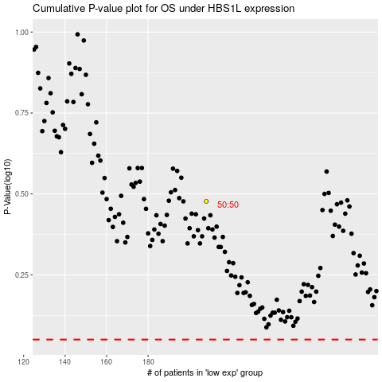

 |  |  |  |  |  | cases_OS | p_OS | rank | exp
 |  |  |  |  |  |  | cases_RFS | p_RFS | rank | exp

