HBXIP _multivariate
Reported by Tex Li-Hsing Chi. tex@gate.sinica.edu.tw 2019-08-19

Table 2. The clinicopathological features of HNSCC cohort and HBXIP expression. (Chi square test)
Cutoff at -0.294 (50.0%)
 |  | HBXIP expression |  | HBXIP expression |  | (Optimised)
 | Features | Low | (%) | High | (%) | Case no | P-value | Remark | Matthews
Gender | Female | 156 | 37.6 | 150 | 36.1 | 415 | 0.5222 | 0 | 0
2 | Male | 51 | 12.3 | 58 | 14
Age at diagnosis | <=65y | 135 | 32.5 | 139 | 33.5 | 415 | 0.8084 | 0 | 0
4 | >65y | 72 | 17.3 | 69 | 16.6
Clinical T Status | T1+T2 | 75 | 18.1 | 74 | 17.8 | 415 | 0.9707 | 0 | 0
6 | T3+T4 | 132 | 31.8 | 134 | 32.3
Clinical N Status | N0 | 111 | 26.7 | 105 | 25.3 | 415 | 0.5875 | 0 | 0
8 | N1-3 | 96 | 23.1 | 103 | 24.8
Clinical M Status | M0 | 206 | 49.6 | 206 | 49.6 | 415 | 1 | 0 | 0
10 | M1 | 1 | 0.2 | 2 | 0.5
Clinical Stage | Stage I+II | 54 | 13 | 48 | 11.6 | 415 | 0.5498 | 0 | 0
12 | Stage III+IV | 153 | 36.9 | 160 | 38.6
Surgical Margin status | Negative | 168 | 40.5 | 150 | 36.1 | 415 | 0.0366 | 1 | 0
14 | Positive | 39 | 9.4 | 58 | 14
Tobacco Exposure | Low | 79 | 19 | 82 | 19.8 | 415 | 0.8405 | 0 | 0
16 | High | 128 | 30.8 | 126 | 30.4

Table 3. Univariate/Multivariate Cox's proportional hazards regression analyses on OS time of HBXIP gene expression in HNSCC

 |  | Univariate |  |  |  | Multivariate
 | Features | HR | CI95%(L) | CI95%(H) | P-value | HR | CI95%(L) | CI95%(H) | P-value
1 | Female | 1 |  |  |  | 1
Gender | Male | 1.157 | 0.843 | 1.587 | 0.367 | 1.196 | 0.855 | 1.672 | 0.296
11 | <=65y | 1 |  |  |  | 1
Age at diagnosis | >65y | 1.329 | 0.99 | 1.784 | 0.058 | 1.39 | 1.022 | 1.889 | 0.036
12 | T1+T2 | 1 |  |  |  | 1
Clinical T Status | T3+T4 | 1.409 | 1.028 | 1.931 | 0.033 | 2.213 | 1.17 | 4.187 | 0.015
13 | N0 | 1 |  |  |  | 1
Clinical N Status | N1-3 | 1.185 | 0.89 | 1.577 | 0.246 | 1.241 | 0.87 | 1.771 | 0.233
14 | M0 | 1 |  |  |  | 1
Clinical M Status | M1 | 4.097 | 1.009 | 16.644 | 0.049 | 9.388 | 2.048 | 43.035 | 0.004
15 | Stage I+II | 1 |  |  |  | 1
Clinical Stage | Stage III+IV | 1.245 | 0.882 | 1.759 | 0.213 | 0.501 | 0.233 | 1.076 | 0.077
16 | Negative | 1 |  |  |  | 1
Surgical Margin status | Positive | 1.591 | 1.155 | 2.191 | 0.004 | 1.655 | 1.192 | 2.297 | 0.003
17 | Low | 1 |  |  |  | 1
Tobacco Exposure | High | 1.364 | 1.008 | 1.844 | 0.044 | 1.451 | 1.054 | 1.999 | 0.023
18 | Low | 1 |  |  |  | 1
RNAseq(z-score) | High | 1.125 | 0.845 | 1.499 | 0.42 | 1.054 | 0.786 | 1.414 | 0.725

Table 4. Univariate/Multivariate Cox's proportional hazards regression analyses on RFS time of HBXIP gene expression in HNSCC

 |  | Univariate |  |  |  | Multivariate
 | Features | HR | CI95%(L) | CI95%(H) | P-value | HR | CI95%(L) | CI95%(H) | P-value
1 | Female | 1 |  |  |  | 1
Gender | Male | 1.157 | 0.843 | 1.587 | 0.367 | 1.196 | 0.855 | 1.672 | 0.296
11 | <=65y | 1 |  |  |  | 1
Age at diagnosis | >65y | 1.329 | 0.99 | 1.784 | 0.058 | 1.39 | 1.022 | 1.889 | 0.036
12 | T1+T2 | 1 |  |  |  | 1
Clinical T Status | T3+T4 | 1.409 | 1.028 | 1.931 | 0.033 | 2.213 | 1.17 | 4.187 | 0.015
13 | N0 | 1 |  |  |  | 1
Clinical N Status | N1-3 | 1.185 | 0.89 | 1.577 | 0.246 | 1.241 | 0.87 | 1.771 | 0.233
14 | M0 | 1 |  |  |  | 1
Clinical M Status | M1 | 4.097 | 1.009 | 16.644 | 0.049 | 9.388 | 2.048 | 43.035 | 0.004
15 | Stage I+II | 1 |  |  |  | 1
Clinical Stage | Stage III+IV | 1.245 | 0.882 | 1.759 | 0.213 | 0.501 | 0.233 | 1.076 | 0.077
16 | Negative | 1 |  |  |  | 1
Surgical Margin status | Positive | 1.591 | 1.155 | 2.191 | 0.004 | 1.655 | 1.192 | 2.297 | 0.003
17 | Low | 1 |  |  |  | 1
Tobacco Exposure | High | 1.364 | 1.008 | 1.844 | 0.044 | 1.451 | 1.054 | 1.999 | 0.023
18 | Low | 1 |  |  |  | 1
RNAseq(z-score) | High | 1.125 | 0.845 | 1.499 | 0.42 | 1.054 | 0.786 | 1.414 | 0.725

Kaplan-Meier survival estimate: Cutoff at -0.294 (50.0%)



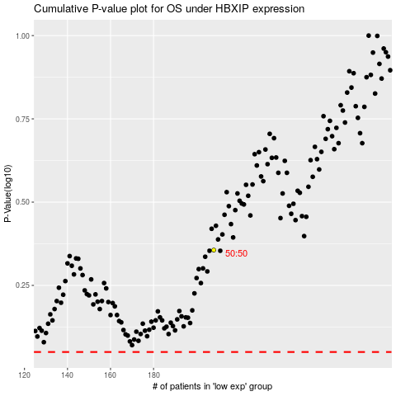

 |  |  |  |  |  | cases_OS | p_OS | rank | exp
 |  |  |  |  |  |  | cases_RFS | p_RFS | rank | exp

