HCCS _multivariate
Reported by Tex Li-Hsing Chi. tex@gate.sinica.edu.tw 2019-08-19

Table 2. The clinicopathological features of HNSCC cohort and HCCS expression. (Chi square test)
Cutoff at -0.125 (50.0%)
 |  | HCCS expression |  | HCCS expression |  | (Optimised)
 | Features | Low | (%) | High | (%) | Case no | P-value | Remark | Matthews
Gender | Female | 154 | 37.1 | 152 | 36.6 | 415 | 0.8463 | 0 | 0
2 | Male | 53 | 12.8 | 56 | 13.5
Age at diagnosis | <=65y | 139 | 33.5 | 135 | 32.5 | 415 | 0.7044 | 0 | 0
4 | >65y | 68 | 16.4 | 73 | 17.6
Clinical T Status | T1+T2 | 61 | 14.7 | 88 | 21.2 | 415 | 0.0087 | 1 | 0
6 | T3+T4 | 146 | 35.2 | 120 | 28.9
Clinical N Status | N0 | 96 | 23.1 | 120 | 28.9 | 415 | 0.0272 | 1 | 0
8 | N1-3 | 111 | 26.7 | 88 | 21.2
Clinical M Status | M0 | 206 | 49.6 | 206 | 49.6 | 415 | 1 | 0 | 0
10 | M1 | 1 | 0.2 | 2 | 0.5
Clinical Stage | Stage I+II | 37 | 8.9 | 65 | 15.7 | 415 | 0.0023 | 1 | 0
12 | Stage III+IV | 170 | 41 | 143 | 34.5
Surgical Margin status | Negative | 163 | 39.3 | 155 | 37.3 | 415 | 0.3537 | 0 | 0
14 | Positive | 44 | 10.6 | 53 | 12.8
Tobacco Exposure | Low | 75 | 18.1 | 86 | 20.7 | 415 | 0.3141 | 0 | 0
16 | High | 132 | 31.8 | 122 | 29.4

Table 3. Univariate/Multivariate Cox's proportional hazards regression analyses on OS time of HCCS gene expression in HNSCC

 |  | Univariate |  |  |  | Multivariate
 | Features | HR | CI95%(L) | CI95%(H) | P-value | HR | CI95%(L) | CI95%(H) | P-value
1 | Female | 1 |  |  |  | 1
Gender | Male | 1.157 | 0.843 | 1.587 | 0.367 | 1.201 | 0.86 | 1.679 | 0.283
11 | <=65y | 1 |  |  |  | 1
Age at diagnosis | >65y | 1.329 | 0.99 | 1.784 | 0.058 | 1.391 | 1.023 | 1.893 | 0.036
12 | T1+T2 | 1 |  |  |  | 1
Clinical T Status | T3+T4 | 1.409 | 1.028 | 1.931 | 0.033 | 2.201 | 1.162 | 4.169 | 0.015
13 | N0 | 1 |  |  |  | 1
Clinical N Status | N1-3 | 1.185 | 0.89 | 1.577 | 0.246 | 1.241 | 0.87 | 1.77 | 0.234
14 | M0 | 1 |  |  |  | 1
Clinical M Status | M1 | 4.097 | 1.009 | 16.644 | 0.049 | 9.391 | 2.033 | 43.375 | 0.004
15 | Stage I+II | 1 |  |  |  | 1
Clinical Stage | Stage III+IV | 1.245 | 0.882 | 1.759 | 0.213 | 0.505 | 0.234 | 1.092 | 0.082
16 | Negative | 1 |  |  |  | 1
Surgical Margin status | Positive | 1.591 | 1.155 | 2.191 | 0.004 | 1.671 | 1.206 | 2.315 | 0.002
17 | Low | 1 |  |  |  | 1
Tobacco Exposure | High | 1.364 | 1.008 | 1.844 | 0.044 | 1.453 | 1.054 | 2.004 | 0.023
18 | Low | 1 |  |  |  | 1
RNAseq(z-score) | High | 1.072 | 0.804 | 1.429 | 0.637 | 1.003 | 0.744 | 1.354 | 0.983

Table 4. Univariate/Multivariate Cox's proportional hazards regression analyses on RFS time of HCCS gene expression in HNSCC

 |  | Univariate |  |  |  | Multivariate
 | Features | HR | CI95%(L) | CI95%(H) | P-value | HR | CI95%(L) | CI95%(H) | P-value
1 | Female | 1 |  |  |  | 1
Gender | Male | 1.157 | 0.843 | 1.587 | 0.367 | 1.201 | 0.86 | 1.679 | 0.283
11 | <=65y | 1 |  |  |  | 1
Age at diagnosis | >65y | 1.329 | 0.99 | 1.784 | 0.058 | 1.391 | 1.023 | 1.893 | 0.036
12 | T1+T2 | 1 |  |  |  | 1
Clinical T Status | T3+T4 | 1.409 | 1.028 | 1.931 | 0.033 | 2.201 | 1.162 | 4.169 | 0.015
13 | N0 | 1 |  |  |  | 1
Clinical N Status | N1-3 | 1.185 | 0.89 | 1.577 | 0.246 | 1.241 | 0.87 | 1.77 | 0.234
14 | M0 | 1 |  |  |  | 1
Clinical M Status | M1 | 4.097 | 1.009 | 16.644 | 0.049 | 9.391 | 2.033 | 43.375 | 0.004
15 | Stage I+II | 1 |  |  |  | 1
Clinical Stage | Stage III+IV | 1.245 | 0.882 | 1.759 | 0.213 | 0.505 | 0.234 | 1.092 | 0.082
16 | Negative | 1 |  |  |  | 1
Surgical Margin status | Positive | 1.591 | 1.155 | 2.191 | 0.004 | 1.671 | 1.206 | 2.315 | 0.002
17 | Low | 1 |  |  |  | 1
Tobacco Exposure | High | 1.364 | 1.008 | 1.844 | 0.044 | 1.453 | 1.054 | 2.004 | 0.023
18 | Low | 1 |  |  |  | 1
RNAseq(z-score) | High | 1.072 | 0.804 | 1.429 | 0.637 | 1.003 | 0.744 | 1.354 | 0.983

Kaplan-Meier survival estimate: Cutoff at -0.125 (50.0%)



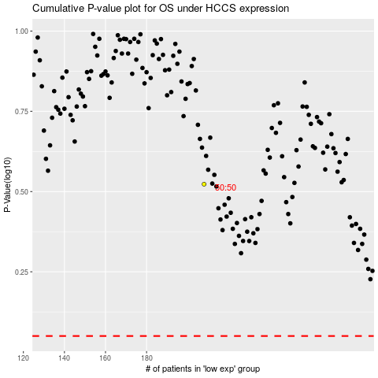

 |  |  |  |  |  | cases_OS | p_OS | rank | exp
 |  |  |  |  |  |  | cases_RFS | p_RFS | rank | exp

