HCG11 _multivariate
Reported by Tex Li-Hsing Chi. tex@gate.sinica.edu.tw 2019-08-19

Table 2. The clinicopathological features of HNSCC cohort and HCG11 expression. (Chi square test)
Cutoff at -0.261 (49.8%)
 |  | HCG11 expression |  | HCG11 expression |  | (Optimised)
 | Features | Low | (%) | High | (%) | Case no | P-value | Remark | Matthews
Gender | Female | 151 | 36.4 | 155 | 37.3 | 415 | 0.8007 | 0 | 0
2 | Male | 56 | 13.5 | 53 | 12.8
Age at diagnosis | <=65y | 128 | 30.8 | 146 | 35.2 | 415 | 0.0904 | 0 | 0
4 | >65y | 79 | 19 | 62 | 14.9
Clinical T Status | T1+T2 | 75 | 18.1 | 74 | 17.8 | 415 | 0.9707 | 0 | 0
6 | T3+T4 | 132 | 31.8 | 134 | 32.3
Clinical N Status | N0 | 101 | 24.3 | 115 | 27.7 | 415 | 0.2201 | 0 | 0
8 | N1-3 | 106 | 25.5 | 93 | 22.4
Clinical M Status | M0 | 206 | 49.6 | 206 | 49.6 | 415 | 1 | 0 | 0
10 | M1 | 1 | 0.2 | 2 | 0.5
Clinical Stage | Stage I+II | 52 | 12.5 | 50 | 12 | 415 | 0.8871 | 0 | 0
12 | Stage III+IV | 155 | 37.3 | 158 | 38.1
Surgical Margin status | Negative | 163 | 39.3 | 155 | 37.3 | 415 | 0.3537 | 0 | 0
14 | Positive | 44 | 10.6 | 53 | 12.8
Tobacco Exposure | Low | 79 | 19 | 82 | 19.8 | 415 | 0.8405 | 0 | 0
16 | High | 128 | 30.8 | 126 | 30.4

Table 3. Univariate/Multivariate Cox's proportional hazards regression analyses on OS time of HCG11 gene expression in HNSCC

 |  | Univariate |  |  |  | Multivariate
 | Features | HR | CI95%(L) | CI95%(H) | P-value | HR | CI95%(L) | CI95%(H) | P-value
1 | Female | 1 |  |  |  | 1
Gender | Male | 1.157 | 0.843 | 1.587 | 0.367 | 1.197 | 0.856 | 1.673 | 0.294
11 | <=65y | 1 |  |  |  | 1
Age at diagnosis | >65y | 1.329 | 0.99 | 1.784 | 0.058 | 1.352 | 0.992 | 1.843 | 0.056
12 | T1+T2 | 1 |  |  |  | 1
Clinical T Status | T3+T4 | 1.409 | 1.028 | 1.931 | 0.033 | 2.232 | 1.18 | 4.22 | 0.014
13 | N0 | 1 |  |  |  | 1
Clinical N Status | N1-3 | 1.185 | 0.89 | 1.577 | 0.246 | 1.22 | 0.854 | 1.742 | 0.274
14 | M0 | 1 |  |  |  | 1
Clinical M Status | M1 | 4.097 | 1.009 | 16.644 | 0.049 | 10.084 | 2.19 | 46.426 | 0.003
15 | Stage I+II | 1 |  |  |  | 1
Clinical Stage | Stage III+IV | 1.245 | 0.882 | 1.759 | 0.213 | 0.508 | 0.237 | 1.091 | 0.082
16 | Negative | 1 |  |  |  | 1
Surgical Margin status | Positive | 1.591 | 1.155 | 2.191 | 0.004 | 1.705 | 1.232 | 2.361 | 0.001
17 | Low | 1 |  |  |  | 1
Tobacco Exposure | High | 1.364 | 1.008 | 1.844 | 0.044 | 1.451 | 1.052 | 2 | 0.023
18 | Low | 1 |  |  |  | 1
RNAseq(z-score) | High | 0.855 | 0.642 | 1.139 | 0.285 | 0.834 | 0.622 | 1.119 | 0.226

Table 4. Univariate/Multivariate Cox's proportional hazards regression analyses on RFS time of HCG11 gene expression in HNSCC

 |  | Univariate |  |  |  | Multivariate
 | Features | HR | CI95%(L) | CI95%(H) | P-value | HR | CI95%(L) | CI95%(H) | P-value
1 | Female | 1 |  |  |  | 1
Gender | Male | 1.157 | 0.843 | 1.587 | 0.367 | 1.197 | 0.856 | 1.673 | 0.294
11 | <=65y | 1 |  |  |  | 1
Age at diagnosis | >65y | 1.329 | 0.99 | 1.784 | 0.058 | 1.352 | 0.992 | 1.843 | 0.056
12 | T1+T2 | 1 |  |  |  | 1
Clinical T Status | T3+T4 | 1.409 | 1.028 | 1.931 | 0.033 | 2.232 | 1.18 | 4.22 | 0.014
13 | N0 | 1 |  |  |  | 1
Clinical N Status | N1-3 | 1.185 | 0.89 | 1.577 | 0.246 | 1.22 | 0.854 | 1.742 | 0.274
14 | M0 | 1 |  |  |  | 1
Clinical M Status | M1 | 4.097 | 1.009 | 16.644 | 0.049 | 10.084 | 2.19 | 46.426 | 0.003
15 | Stage I+II | 1 |  |  |  | 1
Clinical Stage | Stage III+IV | 1.245 | 0.882 | 1.759 | 0.213 | 0.508 | 0.237 | 1.091 | 0.082
16 | Negative | 1 |  |  |  | 1
Surgical Margin status | Positive | 1.591 | 1.155 | 2.191 | 0.004 | 1.705 | 1.232 | 2.361 | 0.001
17 | Low | 1 |  |  |  | 1
Tobacco Exposure | High | 1.364 | 1.008 | 1.844 | 0.044 | 1.451 | 1.052 | 2 | 0.023
18 | Low | 1 |  |  |  | 1
RNAseq(z-score) | High | 0.855 | 0.642 | 1.139 | 0.285 | 0.834 | 0.622 | 1.119 | 0.226

Kaplan-Meier survival estimate: Cutoff at -0.261 (49.8%)



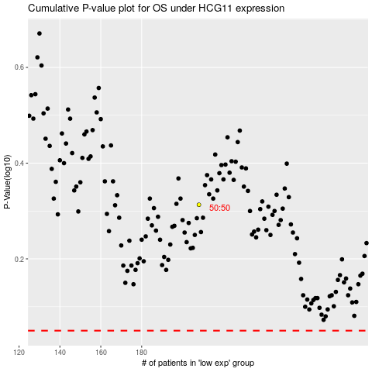

 |  |  |  |  |  | cases_OS | p_OS | rank | exp
 |  |  |  |  |  |  | cases_RFS | p_RFS | rank | exp

