HCG27 _multivariate
Reported by Tex Li-Hsing Chi. tex@gate.sinica.edu.tw 2019-08-19

Table 2. The clinicopathological features of HNSCC cohort and HCG27 expression. (Chi square test)
Cutoff at -0.339 (50.0%)
 |  | HCG27 expression |  | HCG27 expression |  | (Optimised)
 | Features | Low | (%) | High | (%) | Case no | P-value | Remark | Matthews
Gender | Female | 151 | 36.4 | 155 | 37.3 | 415 | 0.8007 | 0 | 0
2 | Male | 56 | 13.5 | 53 | 12.8
Age at diagnosis | <=65y | 143 | 34.5 | 131 | 31.6 | 415 | 0.2269 | 0 | 0
4 | >65y | 64 | 15.4 | 77 | 18.6
Clinical T Status | T1+T2 | 73 | 17.6 | 76 | 18.3 | 415 | 0.8666 | 0 | 0
6 | T3+T4 | 134 | 32.3 | 132 | 31.8
Clinical N Status | N0 | 108 | 26 | 108 | 26 | 415 | 1 | 0 | 0
8 | N1-3 | 99 | 23.9 | 100 | 24.1
Clinical M Status | M0 | 206 | 49.6 | 206 | 49.6 | 415 | 1 | 0 | 0
10 | M1 | 1 | 0.2 | 2 | 0.5
Clinical Stage | Stage I+II | 57 | 13.7 | 45 | 10.8 | 415 | 0.1998 | 0 | 0
12 | Stage III+IV | 150 | 36.1 | 163 | 39.3
Surgical Margin status | Negative | 169 | 40.7 | 149 | 35.9 | 415 | 0.0201 | 1 | 0
14 | Positive | 38 | 9.2 | 59 | 14.2
Tobacco Exposure | Low | 77 | 18.6 | 84 | 20.2 | 415 | 0.5459 | 0 | 0
16 | High | 130 | 31.3 | 124 | 29.9

Table 3. Univariate/Multivariate Cox's proportional hazards regression analyses on OS time of HCG27 gene expression in HNSCC

 |  | Univariate |  |  |  | Multivariate
 | Features | HR | CI95%(L) | CI95%(H) | P-value | HR | CI95%(L) | CI95%(H) | P-value
1 | Female | 1 |  |  |  | 1
Gender | Male | 1.157 | 0.843 | 1.587 | 0.367 | 1.202 | 0.86 | 1.679 | 0.281
11 | <=65y | 1 |  |  |  | 1
Age at diagnosis | >65y | 1.329 | 0.99 | 1.784 | 0.058 | 1.396 | 1.026 | 1.899 | 0.034
12 | T1+T2 | 1 |  |  |  | 1
Clinical T Status | T3+T4 | 1.409 | 1.028 | 1.931 | 0.033 | 2.185 | 1.153 | 4.141 | 0.017
13 | N0 | 1 |  |  |  | 1
Clinical N Status | N1-3 | 1.185 | 0.89 | 1.577 | 0.246 | 1.235 | 0.864 | 1.765 | 0.246
14 | M0 | 1 |  |  |  | 1
Clinical M Status | M1 | 4.097 | 1.009 | 16.644 | 0.049 | 9.395 | 2.049 | 43.07 | 0.004
15 | Stage I+II | 1 |  |  |  | 1
Clinical Stage | Stage III+IV | 1.245 | 0.882 | 1.759 | 0.213 | 0.51 | 0.237 | 1.1 | 0.086
16 | Negative | 1 |  |  |  | 1
Surgical Margin status | Positive | 1.591 | 1.155 | 2.191 | 0.004 | 1.683 | 1.214 | 2.334 | 0.002
17 | Low | 1 |  |  |  | 1
Tobacco Exposure | High | 1.364 | 1.008 | 1.844 | 0.044 | 1.454 | 1.055 | 2.004 | 0.022
18 | Low | 1 |  |  |  | 1
RNAseq(z-score) | High | 0.986 | 0.739 | 1.315 | 0.921 | 0.959 | 0.714 | 1.288 | 0.779

Table 4. Univariate/Multivariate Cox's proportional hazards regression analyses on RFS time of HCG27 gene expression in HNSCC

 |  | Univariate |  |  |  | Multivariate
 | Features | HR | CI95%(L) | CI95%(H) | P-value | HR | CI95%(L) | CI95%(H) | P-value
1 | Female | 1 |  |  |  | 1
Gender | Male | 1.157 | 0.843 | 1.587 | 0.367 | 1.202 | 0.86 | 1.679 | 0.281
11 | <=65y | 1 |  |  |  | 1
Age at diagnosis | >65y | 1.329 | 0.99 | 1.784 | 0.058 | 1.396 | 1.026 | 1.899 | 0.034
12 | T1+T2 | 1 |  |  |  | 1
Clinical T Status | T3+T4 | 1.409 | 1.028 | 1.931 | 0.033 | 2.185 | 1.153 | 4.141 | 0.017
13 | N0 | 1 |  |  |  | 1
Clinical N Status | N1-3 | 1.185 | 0.89 | 1.577 | 0.246 | 1.235 | 0.864 | 1.765 | 0.246
14 | M0 | 1 |  |  |  | 1
Clinical M Status | M1 | 4.097 | 1.009 | 16.644 | 0.049 | 9.395 | 2.049 | 43.07 | 0.004
15 | Stage I+II | 1 |  |  |  | 1
Clinical Stage | Stage III+IV | 1.245 | 0.882 | 1.759 | 0.213 | 0.51 | 0.237 | 1.1 | 0.086
16 | Negative | 1 |  |  |  | 1
Surgical Margin status | Positive | 1.591 | 1.155 | 2.191 | 0.004 | 1.683 | 1.214 | 2.334 | 0.002
17 | Low | 1 |  |  |  | 1
Tobacco Exposure | High | 1.364 | 1.008 | 1.844 | 0.044 | 1.454 | 1.055 | 2.004 | 0.022
18 | Low | 1 |  |  |  | 1
RNAseq(z-score) | High | 0.986 | 0.739 | 1.315 | 0.921 | 0.959 | 0.714 | 1.288 | 0.779

Kaplan-Meier survival estimate: Cutoff at -0.339 (50.0%)



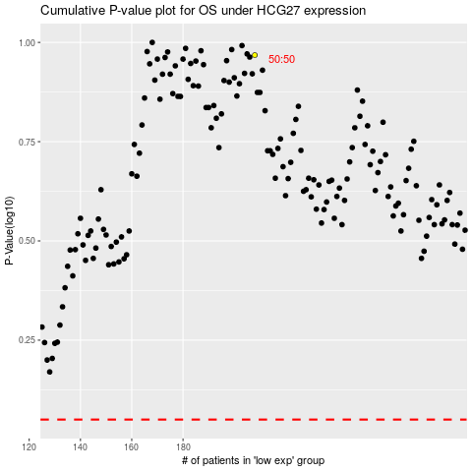

 |  |  |  |  |  | cases_OS | p_OS | rank | exp
 |  |  |  |  |  |  | cases_RFS | p_RFS | rank | exp

