HCG4P6 _multivariate
Reported by Tex Li-Hsing Chi. tex@gate.sinica.edu.tw 2019-08-19

Table 2. The clinicopathological features of HNSCC cohort and HCG4P6 expression. (Chi square test)
Cutoff at -0.261 (49.8%)
 |  | HCG4P6 expression |  | HCG4P6 expression |  | (Optimised)
 | Features | Low | (%) | High | (%) | Case no | P-value | Remark | Matthews
Gender | Female | 158 | 38.1 | 148 | 35.7 | 415 | 0.2774 | 0 | 0
2 | Male | 49 | 11.8 | 60 | 14.5
Age at diagnosis | <=65y | 140 | 33.7 | 134 | 32.3 | 415 | 0.5574 | 0 | 0
4 | >65y | 67 | 16.1 | 74 | 17.8
Clinical T Status | T1+T2 | 69 | 16.6 | 80 | 19.3 | 415 | 0.3239 | 0 | 0
6 | T3+T4 | 138 | 33.3 | 128 | 30.8
Clinical N Status | N0 | 99 | 23.9 | 117 | 28.2 | 415 | 0.1054 | 0 | 0
8 | N1-3 | 108 | 26 | 91 | 21.9
Clinical M Status | M0 | 206 | 49.6 | 206 | 49.6 | 415 | 1 | 0 | 0
10 | M1 | 1 | 0.2 | 2 | 0.5
Clinical Stage | Stage I+II | 47 | 11.3 | 55 | 13.3 | 415 | 0.4413 | 0 | 0
12 | Stage III+IV | 160 | 38.6 | 153 | 36.9
Surgical Margin status | Negative | 174 | 41.9 | 144 | 34.7 | 415 | 5e-04 | 1 | 0
14 | Positive | 33 | 8 | 64 | 15.4
Tobacco Exposure | Low | 80 | 19.3 | 81 | 19.5 | 415 | 1 | 0 | 0
16 | High | 127 | 30.6 | 127 | 30.6

Table 3. Univariate/Multivariate Cox's proportional hazards regression analyses on OS time of HCG4P6 gene expression in HNSCC

 |  | Univariate |  |  |  | Multivariate
 | Features | HR | CI95%(L) | CI95%(H) | P-value | HR | CI95%(L) | CI95%(H) | P-value
1 | Female | 1 |  |  |  | 1
Gender | Male | 1.157 | 0.843 | 1.587 | 0.367 | 1.221 | 0.873 | 1.709 | 0.244
11 | <=65y | 1 |  |  |  | 1
Age at diagnosis | >65y | 1.329 | 0.99 | 1.784 | 0.058 | 1.401 | 1.03 | 1.905 | 0.032
12 | T1+T2 | 1 |  |  |  | 1
Clinical T Status | T3+T4 | 1.409 | 1.028 | 1.931 | 0.033 | 2.18 | 1.153 | 4.123 | 0.017
13 | N0 | 1 |  |  |  | 1
Clinical N Status | N1-3 | 1.185 | 0.89 | 1.577 | 0.246 | 1.219 | 0.854 | 1.741 | 0.276
14 | M0 | 1 |  |  |  | 1
Clinical M Status | M1 | 4.097 | 1.009 | 16.644 | 0.049 | 10.003 | 2.174 | 46.018 | 0.003
15 | Stage I+II | 1 |  |  |  | 1
Clinical Stage | Stage III+IV | 1.245 | 0.882 | 1.759 | 0.213 | 0.506 | 0.236 | 1.087 | 0.081
16 | Negative | 1 |  |  |  | 1
Surgical Margin status | Positive | 1.591 | 1.155 | 2.191 | 0.004 | 1.762 | 1.259 | 2.465 | 0.001
17 | Low | 1 |  |  |  | 1
Tobacco Exposure | High | 1.364 | 1.008 | 1.844 | 0.044 | 1.469 | 1.065 | 2.027 | 0.019
18 | Low | 1 |  |  |  | 1
RNAseq(z-score) | High | 0.952 | 0.715 | 1.269 | 0.738 | 0.838 | 0.62 | 1.133 | 0.25

Table 4. Univariate/Multivariate Cox's proportional hazards regression analyses on RFS time of HCG4P6 gene expression in HNSCC

 |  | Univariate |  |  |  | Multivariate
 | Features | HR | CI95%(L) | CI95%(H) | P-value | HR | CI95%(L) | CI95%(H) | P-value
1 | Female | 1 |  |  |  | 1
Gender | Male | 1.157 | 0.843 | 1.587 | 0.367 | 1.221 | 0.873 | 1.709 | 0.244
11 | <=65y | 1 |  |  |  | 1
Age at diagnosis | >65y | 1.329 | 0.99 | 1.784 | 0.058 | 1.401 | 1.03 | 1.905 | 0.032
12 | T1+T2 | 1 |  |  |  | 1
Clinical T Status | T3+T4 | 1.409 | 1.028 | 1.931 | 0.033 | 2.18 | 1.153 | 4.123 | 0.017
13 | N0 | 1 |  |  |  | 1
Clinical N Status | N1-3 | 1.185 | 0.89 | 1.577 | 0.246 | 1.219 | 0.854 | 1.741 | 0.276
14 | M0 | 1 |  |  |  | 1
Clinical M Status | M1 | 4.097 | 1.009 | 16.644 | 0.049 | 10.003 | 2.174 | 46.018 | 0.003
15 | Stage I+II | 1 |  |  |  | 1
Clinical Stage | Stage III+IV | 1.245 | 0.882 | 1.759 | 0.213 | 0.506 | 0.236 | 1.087 | 0.081
16 | Negative | 1 |  |  |  | 1
Surgical Margin status | Positive | 1.591 | 1.155 | 2.191 | 0.004 | 1.762 | 1.259 | 2.465 | 0.001
17 | Low | 1 |  |  |  | 1
Tobacco Exposure | High | 1.364 | 1.008 | 1.844 | 0.044 | 1.469 | 1.065 | 2.027 | 0.019
18 | Low | 1 |  |  |  | 1
RNAseq(z-score) | High | 0.952 | 0.715 | 1.269 | 0.738 | 0.838 | 0.62 | 1.133 | 0.25

Kaplan-Meier survival estimate: Cutoff at -0.261 (49.8%)



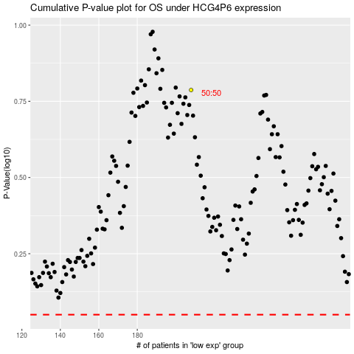

 |  |  |  |  |  | cases_OS | p_OS | rank | exp
 |  |  |  |  |  |  | cases_RFS | p_RFS | rank | exp

