HCLS1 _multivariate
Reported by Tex Li-Hsing Chi. tex@gate.sinica.edu.tw 2019-08-19

Table 2. The clinicopathological features of HNSCC cohort and HCLS1 expression. (Chi square test)
Cutoff at -0.432 (42.3%)
 |  | HCLS1 expression |  | HCLS1 expression |  | (Optimised)
 | Features | Low | (%) | High | (%) | Case no | P-value | Remark | Matthews
Gender | Female | 134 | 32.3 | 172 | 41.4 | 415 | 0.3133 | 0 | 0
2 | Male | 41 | 9.9 | 68 | 16.4
Age at diagnosis | <=65y | 121 | 29.2 | 153 | 36.9 | 415 | 0.2981 | 0 | 0
4 | >65y | 54 | 13 | 87 | 21
Clinical T Status | T1+T2 | 61 | 14.7 | 88 | 21.2 | 415 | 0.7827 | 0 | 0
6 | T3+T4 | 114 | 27.5 | 152 | 36.6
Clinical N Status | N0 | 91 | 21.9 | 125 | 30.1 | 415 | 1 | 0 | 0
8 | N1-3 | 84 | 20.2 | 115 | 27.7
Clinical M Status | M0 | 173 | 41.7 | 239 | 57.6 | 415 | 0.5756 | 0 | 0
10 | M1 | 2 | 0.5 | 1 | 0.2
Clinical Stage | Stage I+II | 43 | 10.4 | 59 | 14.2 | 415 | 1 | 0 | 0
12 | Stage III+IV | 132 | 31.8 | 181 | 43.6
Surgical Margin status | Negative | 135 | 32.5 | 183 | 44.1 | 415 | 0.9066 | 0 | 0
14 | Positive | 40 | 9.6 | 57 | 13.7
Tobacco Exposure | Low | 68 | 16.4 | 93 | 22.4 | 415 | 1 | 0 | 0
16 | High | 107 | 25.8 | 147 | 35.4

Table 3. Univariate/Multivariate Cox's proportional hazards regression analyses on OS time of HCLS1 gene expression in HNSCC

 |  | Univariate |  |  |  | Multivariate
 | Features | HR | CI95%(L) | CI95%(H) | P-value | HR | CI95%(L) | CI95%(H) | P-value
1 | Female | 1 |  |  |  | 1
Gender | Male | 1.157 | 0.843 | 1.587 | 0.367 | 1.196 | 0.856 | 1.671 | 0.294
11 | <=65y | 1 |  |  |  | 1
Age at diagnosis | >65y | 1.329 | 0.99 | 1.784 | 0.058 | 1.389 | 1.022 | 1.886 | 0.036
12 | T1+T2 | 1 |  |  |  | 1
Clinical T Status | T3+T4 | 1.409 | 1.028 | 1.931 | 0.033 | 2.178 | 1.153 | 4.117 | 0.017
13 | N0 | 1 |  |  |  | 1
Clinical N Status | N1-3 | 1.185 | 0.89 | 1.577 | 0.246 | 1.235 | 0.866 | 1.762 | 0.243
14 | M0 | 1 |  |  |  | 1
Clinical M Status | M1 | 4.097 | 1.009 | 16.644 | 0.049 | 8.832 | 1.925 | 40.519 | 0.005
15 | Stage I+II | 1 |  |  |  | 1
Clinical Stage | Stage III+IV | 1.245 | 0.882 | 1.759 | 0.213 | 0.508 | 0.237 | 1.088 | 0.081
16 | Negative | 1 |  |  |  | 1
Surgical Margin status | Positive | 1.591 | 1.155 | 2.191 | 0.004 | 1.71 | 1.236 | 2.365 | 0.001
17 | Low | 1 |  |  |  | 1
Tobacco Exposure | High | 1.364 | 1.008 | 1.844 | 0.044 | 1.454 | 1.055 | 2.005 | 0.022
18 | Low | 1 |  |  |  | 1
RNAseq(z-score) | High | 0.725 | 0.544 | 0.966 | 0.028 | 0.711 | 0.533 | 0.949 | 0.021

Table 4. Univariate/Multivariate Cox's proportional hazards regression analyses on RFS time of HCLS1 gene expression in HNSCC

 |  | Univariate |  |  |  | Multivariate
 | Features | HR | CI95%(L) | CI95%(H) | P-value | HR | CI95%(L) | CI95%(H) | P-value
1 | Female | 1 |  |  |  | 1
Gender | Male | 1.157 | 0.843 | 1.587 | 0.367 | 1.196 | 0.856 | 1.671 | 0.294
11 | <=65y | 1 |  |  |  | 1
Age at diagnosis | >65y | 1.329 | 0.99 | 1.784 | 0.058 | 1.389 | 1.022 | 1.886 | 0.036
12 | T1+T2 | 1 |  |  |  | 1
Clinical T Status | T3+T4 | 1.409 | 1.028 | 1.931 | 0.033 | 2.178 | 1.153 | 4.117 | 0.017
13 | N0 | 1 |  |  |  | 1
Clinical N Status | N1-3 | 1.185 | 0.89 | 1.577 | 0.246 | 1.235 | 0.866 | 1.762 | 0.243
14 | M0 | 1 |  |  |  | 1
Clinical M Status | M1 | 4.097 | 1.009 | 16.644 | 0.049 | 8.832 | 1.925 | 40.519 | 0.005
15 | Stage I+II | 1 |  |  |  | 1
Clinical Stage | Stage III+IV | 1.245 | 0.882 | 1.759 | 0.213 | 0.508 | 0.237 | 1.088 | 0.081
16 | Negative | 1 |  |  |  | 1
Surgical Margin status | Positive | 1.591 | 1.155 | 2.191 | 0.004 | 1.71 | 1.236 | 2.365 | 0.001
17 | Low | 1 |  |  |  | 1
Tobacco Exposure | High | 1.364 | 1.008 | 1.844 | 0.044 | 1.454 | 1.055 | 2.005 | 0.022
18 | Low | 1 |  |  |  | 1
RNAseq(z-score) | High | 0.725 | 0.544 | 0.966 | 0.028 | 0.711 | 0.533 | 0.949 | 0.021

Kaplan-Meier survival estimate: Cutoff at -0.432 (42.3%)

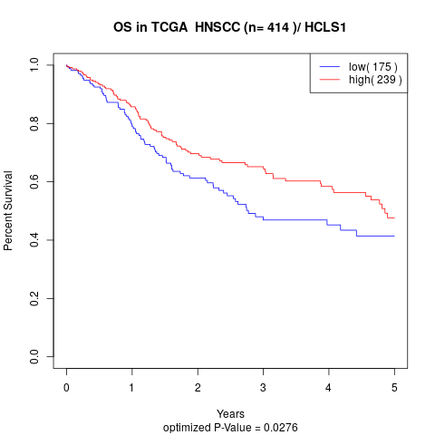

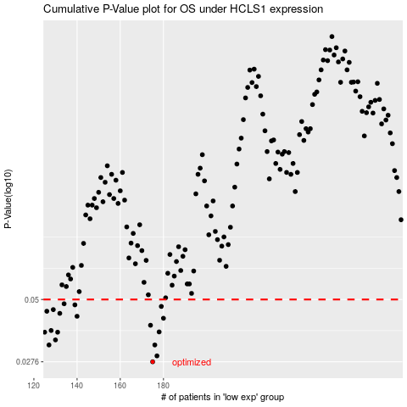

 |  |  |  |  |  | cases_OS | p_OS | rank | exp
 |  |  |  |  |  | 175 | 0.0276 | 5 | -0.43158369228
 |  |  |  |  |  | 177 | 0.0292 | 126 | -0.42571761912
 |  |  |  |  |  | 176 | 0.0324 | 211 | -0.42999197401
 |  |  |  |  |  | 127 | 0.0324 | 312 | -0.56822900929
 |  |  |  |  |  | 130 | 0.034 | 19 | -0.5551042327
 |  |  |  |  |  | 131 | 0.0366 | 37 | -0.55503967694
 |  |  |  |  |  | 125 | 0.0366 | 136 | -0.57336267028
 |  |  |  |  |  | 178 | 0.0367 | 105 | -0.42286558524
 |  |  |  |  |  | 128 | 0.0372 | 17 | -0.56360625043
 |  |  |  |  |  | 174 | 0.0391 | 239 | -0.43305344451
 |  |  |  |  |  | 180 | 0.0418 | 174 | -0.41286301577
 |  |  |  |  |  | 140 | 0.0426 | 116 | -0.51627714848
 |  |  |  |  |  | 132 | 0.0438 | 106 | -0.54732920641
 |  |  |  |  |  | 126 | 0.0447 | 204 | -0.57102720564
 |  |  |  |  |  | 129 | 0.0454 | 23 | -0.55803745407
 |  |  |  |  |  | 179 | 0.0468 | 278 | -0.41956966893
 |  |  |  |  |  | 139 | 0.0475 | 401 | -0.51634576978
 |  |  |  |  |  | 134 | 0.048 | 156 | -0.54551831889
 |  |  |  |  |  |  | cases_RFS | p_RFS | rank | exp
 |  |  |  |  |  |  | 174 | 0.0276 | 239 | -0.43305344451
 |  |  |  |  |  |  | 176 | 0.0292 | 211 | -0.42999197401
 |  |  |  |  |  |  | 175 | 0.0324 | 5 | -0.43158369228
 |  |  |  |  |  |  | 126 | 0.0324 | 204 | -0.57102720564
 |  |  |  |  |  |  | 129 | 0.034 | 23 | -0.55803745407
 |  |  |  |  |  |  |  | 0.0366 | 13 | -0.57447293073
 |  |  |  |  |  |  | 130 | 0.0366 | 19 | -0.5551042327
 |  |  |  |  |  |  | 177 | 0.0367 | 126 | -0.42571761912
 |  |  |  |  |  |  | 127 | 0.0372 | 312 | -0.56822900929
 |  |  |  |  |  |  | 173 | 0.0391 | 66 | -0.4332398431
 |  |  |  |  |  |  | 179 | 0.0418 | 278 | -0.41956966893
 |  |  |  |  |  |  | 139 | 0.0426 | 401 | -0.51634576978
 |  |  |  |  |  |  | 131 | 0.0438 | 37 | -0.55503967694
 |  |  |  |  |  |  | 125 | 0.0447 | 136 | -0.57336267028
 |  |  |  |  |  |  | 128 | 0.0454 | 17 | -0.56360625043
 |  |  |  |  |  |  | 178 | 0.0468 | 105 | -0.42286558524
 |  |  |  |  |  |  | 138 | 0.0475 | 250 | -0.52362221372
 |  |  |  |  |  |  | 133 | 0.048 | 371 | -0.54620268383

