HCN4 _multivariate
Reported by Tex Li-Hsing Chi. tex@gate.sinica.edu.tw 2019-08-19

Table 2. The clinicopathological features of HNSCC cohort and HCN4 expression. (Chi square test)
Cutoff at -0.172 (50.0%)
 |  | HCN4 expression |  | HCN4 expression |  | (Optimised)
 | Features | Low | (%) | High | (%) | Case no | P-value | Remark | Matthews
Gender | Female | 147 | 35.4 | 159 | 38.3 | 415 | 0.2523 | 0 | 0
2 | Male | 60 | 14.5 | 49 | 11.8
Age at diagnosis | <=65y | 132 | 31.8 | 142 | 34.2 | 415 | 0.3874 | 0 | 0
4 | >65y | 75 | 18.1 | 66 | 15.9
Clinical T Status | T1+T2 | 72 | 17.3 | 77 | 18.6 | 415 | 0.7095 | 0 | 0
6 | T3+T4 | 135 | 32.5 | 131 | 31.6
Clinical N Status | N0 | 111 | 26.7 | 105 | 25.3 | 415 | 0.5875 | 0 | 0
8 | N1-3 | 96 | 23.1 | 103 | 24.8
Clinical M Status | M0 | 204 | 49.2 | 208 | 50.1 | 415 | 0.1232 | 0 | 0
10 | M1 | 3 | 0.7 | 0 | 0
Clinical Stage | Stage I+II | 51 | 12.3 | 51 | 12.3 | 415 | 1 | 0 | 0
12 | Stage III+IV | 156 | 37.6 | 157 | 37.8
Surgical Margin status | Negative | 169 | 40.7 | 149 | 35.9 | 415 | 0.0201 | 1 | 0
14 | Positive | 38 | 9.2 | 59 | 14.2
Tobacco Exposure | Low | 86 | 20.7 | 75 | 18.1 | 415 | 0.2687 | 0 | 0
16 | High | 121 | 29.2 | 133 | 32

Table 3. Univariate/Multivariate Cox's proportional hazards regression analyses on OS time of HCN4 gene expression in HNSCC

 |  | Univariate |  |  |  | Multivariate
 | Features | HR | CI95%(L) | CI95%(H) | P-value | HR | CI95%(L) | CI95%(H) | P-value
1 | Female | 1 |  |  |  | 1
Gender | Male | 1.157 | 0.843 | 1.587 | 0.367 | 1.175 | 0.839 | 1.646 | 0.348
11 | <=65y | 1 |  |  |  | 1
Age at diagnosis | >65y | 1.329 | 0.99 | 1.784 | 0.058 | 1.402 | 1.032 | 1.906 | 0.031
12 | T1+T2 | 1 |  |  |  | 1
Clinical T Status | T3+T4 | 1.409 | 1.028 | 1.931 | 0.033 | 2.137 | 1.129 | 4.045 | 0.02
13 | N0 | 1 |  |  |  | 1
Clinical N Status | N1-3 | 1.185 | 0.89 | 1.577 | 0.246 | 1.235 | 0.866 | 1.763 | 0.244
14 | M0 | 1 |  |  |  | 1
Clinical M Status | M1 | 4.097 | 1.009 | 16.644 | 0.049 | 8.307 | 1.794 | 38.46 | 0.007
15 | Stage I+II | 1 |  |  |  | 1
Clinical Stage | Stage III+IV | 1.245 | 0.882 | 1.759 | 0.213 | 0.521 | 0.243 | 1.121 | 0.095
16 | Negative | 1 |  |  |  | 1
Surgical Margin status | Positive | 1.591 | 1.155 | 2.191 | 0.004 | 1.688 | 1.222 | 2.332 | 0.002
17 | Low | 1 |  |  |  | 1
Tobacco Exposure | High | 1.364 | 1.008 | 1.844 | 0.044 | 1.481 | 1.073 | 2.043 | 0.017
18 | Low | 1 |  |  |  | 1
RNAseq(z-score) | High | 0.815 | 0.611 | 1.086 | 0.162 | 0.82 | 0.611 | 1.101 | 0.188

Table 4. Univariate/Multivariate Cox's proportional hazards regression analyses on RFS time of HCN4 gene expression in HNSCC

 |  | Univariate |  |  |  | Multivariate
 | Features | HR | CI95%(L) | CI95%(H) | P-value | HR | CI95%(L) | CI95%(H) | P-value
1 | Female | 1 |  |  |  | 1
Gender | Male | 1.157 | 0.843 | 1.587 | 0.367 | 1.175 | 0.839 | 1.646 | 0.348
11 | <=65y | 1 |  |  |  | 1
Age at diagnosis | >65y | 1.329 | 0.99 | 1.784 | 0.058 | 1.402 | 1.032 | 1.906 | 0.031
12 | T1+T2 | 1 |  |  |  | 1
Clinical T Status | T3+T4 | 1.409 | 1.028 | 1.931 | 0.033 | 2.137 | 1.129 | 4.045 | 0.02
13 | N0 | 1 |  |  |  | 1
Clinical N Status | N1-3 | 1.185 | 0.89 | 1.577 | 0.246 | 1.235 | 0.866 | 1.763 | 0.244
14 | M0 | 1 |  |  |  | 1
Clinical M Status | M1 | 4.097 | 1.009 | 16.644 | 0.049 | 8.307 | 1.794 | 38.46 | 0.007
15 | Stage I+II | 1 |  |  |  | 1
Clinical Stage | Stage III+IV | 1.245 | 0.882 | 1.759 | 0.213 | 0.521 | 0.243 | 1.121 | 0.095
16 | Negative | 1 |  |  |  | 1
Surgical Margin status | Positive | 1.591 | 1.155 | 2.191 | 0.004 | 1.688 | 1.222 | 2.332 | 0.002
17 | Low | 1 |  |  |  | 1
Tobacco Exposure | High | 1.364 | 1.008 | 1.844 | 0.044 | 1.481 | 1.073 | 2.043 | 0.017
18 | Low | 1 |  |  |  | 1
RNAseq(z-score) | High | 0.815 | 0.611 | 1.086 | 0.162 | 0.82 | 0.611 | 1.101 | 0.188

Kaplan-Meier survival estimate: Cutoff at -0.172 (50.0%)



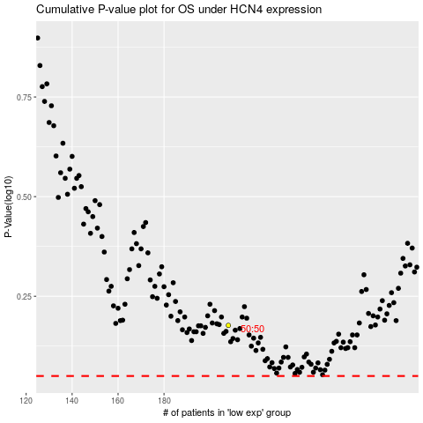

 |  |  |  |  |  | cases_OS | p_OS | rank | exp
 |  |  |  |  |  |  | cases_RFS | p_RFS | rank | exp

