HCST _multivariate
Reported by Tex Li-Hsing Chi. tex@gate.sinica.edu.tw 2019-08-19

Table 2. The clinicopathological features of HNSCC cohort and HCST expression. (Chi square test)
Cutoff at -0.342 (49.8%)
 |  | HCST expression |  | HCST expression |  | (Optimised)
 | Features | Low | (%) | High | (%) | Case no | P-value | Remark | Matthews
Gender | Female | 164 | 39.5 | 142 | 34.2 | 415 | 0.0153 | 1 | 0
2 | Male | 43 | 10.4 | 66 | 15.9
Age at diagnosis | <=65y | 145 | 34.9 | 129 | 31.1 | 415 | 0.1046 | 0 | 0
4 | >65y | 62 | 14.9 | 79 | 19
Clinical T Status | T1+T2 | 72 | 17.3 | 77 | 18.6 | 415 | 0.7095 | 0 | 0
6 | T3+T4 | 135 | 32.5 | 131 | 31.6
Clinical N Status | N0 | 119 | 28.7 | 97 | 23.4 | 415 | 0.0345 | 1 | 0
8 | N1-3 | 88 | 21.2 | 111 | 26.7
Clinical M Status | M0 | 206 | 49.6 | 206 | 49.6 | 415 | 1 | 0 | 0
10 | M1 | 1 | 0.2 | 2 | 0.5
Clinical Stage | Stage I+II | 51 | 12.3 | 51 | 12.3 | 415 | 1 | 0 | 0
12 | Stage III+IV | 156 | 37.6 | 157 | 37.8
Surgical Margin status | Negative | 158 | 38.1 | 160 | 38.6 | 415 | 0.9081 | 0 | 0
14 | Positive | 49 | 11.8 | 48 | 11.6
Tobacco Exposure | Low | 69 | 16.6 | 92 | 22.2 | 415 | 0.0266 | 1 | 0
16 | High | 138 | 33.3 | 116 | 28

Table 3. Univariate/Multivariate Cox's proportional hazards regression analyses on OS time of HCST gene expression in HNSCC

 |  | Univariate |  |  |  | Multivariate
 | Features | HR | CI95%(L) | CI95%(H) | P-value | HR | CI95%(L) | CI95%(H) | P-value
1 | Female | 1 |  |  |  | 1
Gender | Male | 1.157 | 0.843 | 1.587 | 0.367 | 1.232 | 0.88 | 1.724 | 0.224
11 | <=65y | 1 |  |  |  | 1
Age at diagnosis | >65y | 1.329 | 0.99 | 1.784 | 0.058 | 1.408 | 1.035 | 1.915 | 0.029
12 | T1+T2 | 1 |  |  |  | 1
Clinical T Status | T3+T4 | 1.409 | 1.028 | 1.931 | 0.033 | 2.253 | 1.191 | 4.263 | 0.013
13 | N0 | 1 |  |  |  | 1
Clinical N Status | N1-3 | 1.185 | 0.89 | 1.577 | 0.246 | 1.303 | 0.908 | 1.87 | 0.152
14 | M0 | 1 |  |  |  | 1
Clinical M Status | M1 | 4.097 | 1.009 | 16.644 | 0.049 | 10.154 | 2.207 | 46.709 | 0.003
15 | Stage I+II | 1 |  |  |  | 1
Clinical Stage | Stage III+IV | 1.245 | 0.882 | 1.759 | 0.213 | 0.486 | 0.226 | 1.045 | 0.065
16 | Negative | 1 |  |  |  | 1
Surgical Margin status | Positive | 1.591 | 1.155 | 2.191 | 0.004 | 1.698 | 1.227 | 2.348 | 0.001
17 | Low | 1 |  |  |  | 1
Tobacco Exposure | High | 1.364 | 1.008 | 1.844 | 0.044 | 1.41 | 1.02 | 1.947 | 0.037
18 | Low | 1 |  |  |  | 1
RNAseq(z-score) | High | 0.868 | 0.649 | 1.161 | 0.34 | 0.796 | 0.588 | 1.078 | 0.14

Table 4. Univariate/Multivariate Cox's proportional hazards regression analyses on RFS time of HCST gene expression in HNSCC

 |  | Univariate |  |  |  | Multivariate
 | Features | HR | CI95%(L) | CI95%(H) | P-value | HR | CI95%(L) | CI95%(H) | P-value
1 | Female | 1 |  |  |  | 1
Gender | Male | 1.157 | 0.843 | 1.587 | 0.367 | 1.232 | 0.88 | 1.724 | 0.224
11 | <=65y | 1 |  |  |  | 1
Age at diagnosis | >65y | 1.329 | 0.99 | 1.784 | 0.058 | 1.408 | 1.035 | 1.915 | 0.029
12 | T1+T2 | 1 |  |  |  | 1
Clinical T Status | T3+T4 | 1.409 | 1.028 | 1.931 | 0.033 | 2.253 | 1.191 | 4.263 | 0.013
13 | N0 | 1 |  |  |  | 1
Clinical N Status | N1-3 | 1.185 | 0.89 | 1.577 | 0.246 | 1.303 | 0.908 | 1.87 | 0.152
14 | M0 | 1 |  |  |  | 1
Clinical M Status | M1 | 4.097 | 1.009 | 16.644 | 0.049 | 10.154 | 2.207 | 46.709 | 0.003
15 | Stage I+II | 1 |  |  |  | 1
Clinical Stage | Stage III+IV | 1.245 | 0.882 | 1.759 | 0.213 | 0.486 | 0.226 | 1.045 | 0.065
16 | Negative | 1 |  |  |  | 1
Surgical Margin status | Positive | 1.591 | 1.155 | 2.191 | 0.004 | 1.698 | 1.227 | 2.348 | 0.001
17 | Low | 1 |  |  |  | 1
Tobacco Exposure | High | 1.364 | 1.008 | 1.844 | 0.044 | 1.41 | 1.02 | 1.947 | 0.037
18 | Low | 1 |  |  |  | 1
RNAseq(z-score) | High | 0.868 | 0.649 | 1.161 | 0.34 | 0.796 | 0.588 | 1.078 | 0.14

Kaplan-Meier survival estimate: Cutoff at -0.342 (49.8%)



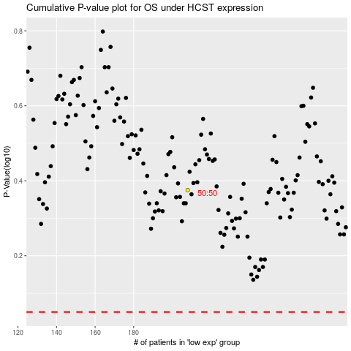

 |  |  |  |  |  | cases_OS | p_OS | rank | exp
 |  |  |  |  |  |  | cases_RFS | p_RFS | rank | exp

