HDAC1 _multivariate
Reported by Tex Li-Hsing Chi. tex@gate.sinica.edu.tw 2019-08-19

Table 2. The clinicopathological features of HNSCC cohort and HDAC1 expression. (Chi square test)
Cutoff at -0.027 (50.0%)
 |  | HDAC1 expression |  | HDAC1 expression |  | (Optimised)
 | Features | Low | (%) | High | (%) | Case no | P-value | Remark | Matthews
Gender | Female | 153 | 36.9 | 153 | 36.9 | 415 | 1 | 0 | 0
2 | Male | 54 | 13 | 55 | 13.3
Age at diagnosis | <=65y | 132 | 31.8 | 142 | 34.2 | 415 | 0.3874 | 0 | 0
4 | >65y | 75 | 18.1 | 66 | 15.9
Clinical T Status | T1+T2 | 76 | 18.3 | 73 | 17.6 | 415 | 0.8092 | 0 | 0
6 | T3+T4 | 131 | 31.6 | 135 | 32.5
Clinical N Status | N0 | 114 | 27.5 | 102 | 24.6 | 415 | 0.2576 | 1 | 0
8 | N1-3 | 93 | 22.4 | 106 | 25.5
Clinical M Status | M0 | 207 | 49.9 | 205 | 49.4 | 415 | 0.2482 | 0 | 0
10 | M1 | 0 | 0 | 3 | 0.7
Clinical Stage | Stage I+II | 54 | 13 | 48 | 11.6 | 415 | 0.5498 | 0 | 0
12 | Stage III+IV | 153 | 36.9 | 160 | 38.6
Surgical Margin status | Negative | 157 | 37.8 | 161 | 38.8 | 415 | 0.729 | 0 | 0
14 | Positive | 50 | 12 | 47 | 11.3
Tobacco Exposure | Low | 94 | 22.7 | 67 | 16.1 | 415 | 0.0065 | 1 | 0
16 | High | 113 | 27.2 | 141 | 34

Table 3. Univariate/Multivariate Cox's proportional hazards regression analyses on OS time of HDAC1 gene expression in HNSCC

 |  | Univariate |  |  |  | Multivariate
 | Features | HR | CI95%(L) | CI95%(H) | P-value | HR | CI95%(L) | CI95%(H) | P-value
1 | Female | 1 |  |  |  | 1
Gender | Male | 1.157 | 0.843 | 1.587 | 0.367 | 1.224 | 0.875 | 1.711 | 0.238
11 | <=65y | 1 |  |  |  | 1
Age at diagnosis | >65y | 1.329 | 0.99 | 1.784 | 0.058 | 1.389 | 1.022 | 1.887 | 0.036
12 | T1+T2 | 1 |  |  |  | 1
Clinical T Status | T3+T4 | 1.409 | 1.028 | 1.931 | 0.033 | 2.175 | 1.151 | 4.112 | 0.017
13 | N0 | 1 |  |  |  | 1
Clinical N Status | N1-3 | 1.185 | 0.89 | 1.577 | 0.246 | 1.254 | 0.879 | 1.789 | 0.212
14 | M0 | 1 |  |  |  | 1
Clinical M Status | M1 | 4.097 | 1.009 | 16.644 | 0.049 | 10.431 | 2.26 | 48.143 | 0.003
15 | Stage I+II | 1 |  |  |  | 1
Clinical Stage | Stage III+IV | 1.245 | 0.882 | 1.759 | 0.213 | 0.51 | 0.238 | 1.095 | 0.084
16 | Negative | 1 |  |  |  | 1
Surgical Margin status | Positive | 1.591 | 1.155 | 2.191 | 0.004 | 1.635 | 1.182 | 2.262 | 0.003
17 | Low | 1 |  |  |  | 1
Tobacco Exposure | High | 1.364 | 1.008 | 1.844 | 0.044 | 1.505 | 1.089 | 2.08 | 0.013
18 | Low | 1 |  |  |  | 1
RNAseq(z-score) | High | 0.837 | 0.628 | 1.115 | 0.224 | 0.802 | 0.598 | 1.076 | 0.142

Table 4. Univariate/Multivariate Cox's proportional hazards regression analyses on RFS time of HDAC1 gene expression in HNSCC

 |  | Univariate |  |  |  | Multivariate
 | Features | HR | CI95%(L) | CI95%(H) | P-value | HR | CI95%(L) | CI95%(H) | P-value
1 | Female | 1 |  |  |  | 1
Gender | Male | 1.157 | 0.843 | 1.587 | 0.367 | 1.224 | 0.875 | 1.711 | 0.238
11 | <=65y | 1 |  |  |  | 1
Age at diagnosis | >65y | 1.329 | 0.99 | 1.784 | 0.058 | 1.389 | 1.022 | 1.887 | 0.036
12 | T1+T2 | 1 |  |  |  | 1
Clinical T Status | T3+T4 | 1.409 | 1.028 | 1.931 | 0.033 | 2.175 | 1.151 | 4.112 | 0.017
13 | N0 | 1 |  |  |  | 1
Clinical N Status | N1-3 | 1.185 | 0.89 | 1.577 | 0.246 | 1.254 | 0.879 | 1.789 | 0.212
14 | M0 | 1 |  |  |  | 1
Clinical M Status | M1 | 4.097 | 1.009 | 16.644 | 0.049 | 10.431 | 2.26 | 48.143 | 0.003
15 | Stage I+II | 1 |  |  |  | 1
Clinical Stage | Stage III+IV | 1.245 | 0.882 | 1.759 | 0.213 | 0.51 | 0.238 | 1.095 | 0.084
16 | Negative | 1 |  |  |  | 1
Surgical Margin status | Positive | 1.591 | 1.155 | 2.191 | 0.004 | 1.635 | 1.182 | 2.262 | 0.003
17 | Low | 1 |  |  |  | 1
Tobacco Exposure | High | 1.364 | 1.008 | 1.844 | 0.044 | 1.505 | 1.089 | 2.08 | 0.013
18 | Low | 1 |  |  |  | 1
RNAseq(z-score) | High | 0.837 | 0.628 | 1.115 | 0.224 | 0.802 | 0.598 | 1.076 | 0.142

Kaplan-Meier survival estimate: Cutoff at -0.027 (50.0%)



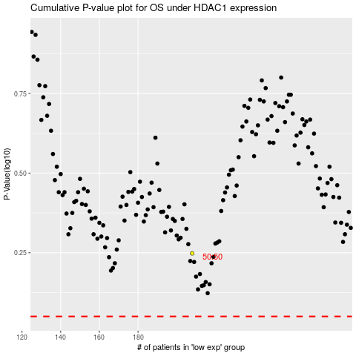

 |  |  |  |  |  | cases_OS | p_OS | rank | exp
 |  |  |  |  |  |  | cases_RFS | p_RFS | rank | exp

