HDAC2 _multivariate
Reported by Tex Li-Hsing Chi. tex@gate.sinica.edu.tw 2019-08-19

Table 2. The clinicopathological features of HNSCC cohort and HDAC2 expression. (Chi square test)
Cutoff at -0.173 (49.8%)
 |  | HDAC2 expression |  | HDAC2 expression |  | (Optimised)
 | Features | Low | (%) | High | (%) | Case no | P-value | Remark | Matthews
Gender | Female | 150 | 36.1 | 156 | 37.6 | 415 | 0.6344 | 0 | 0
2 | Male | 57 | 13.7 | 52 | 12.5
Age at diagnosis | <=65y | 136 | 32.8 | 138 | 33.3 | 415 | 0.9719 | 0 | 0
4 | >65y | 71 | 17.1 | 70 | 16.9
Clinical T Status | T1+T2 | 79 | 19 | 70 | 16.9 | 415 | 0.3924 | 0 | 0
6 | T3+T4 | 128 | 30.8 | 138 | 33.3
Clinical N Status | N0 | 115 | 27.7 | 101 | 24.3 | 415 | 0.184 | 1 | 0
8 | N1-3 | 92 | 22.2 | 107 | 25.8
Clinical M Status | M0 | 205 | 49.4 | 207 | 49.9 | 415 | 0.6232 | 0 | 0
10 | M1 | 2 | 0.5 | 1 | 0.2
Clinical Stage | Stage I+II | 59 | 14.2 | 43 | 10.4 | 415 | 0.0822 | 0 | 0
12 | Stage III+IV | 148 | 35.7 | 165 | 39.8
Surgical Margin status | Negative | 168 | 40.5 | 150 | 36.1 | 415 | 0.0366 | 1 | 0
14 | Positive | 39 | 9.4 | 58 | 14
Tobacco Exposure | Low | 87 | 21 | 74 | 17.8 | 415 | 0.1911 | 0 | 0
16 | High | 120 | 28.9 | 134 | 32.3

Table 3. Univariate/Multivariate Cox's proportional hazards regression analyses on OS time of HDAC2 gene expression in HNSCC

 |  | Univariate |  |  |  | Multivariate
 | Features | HR | CI95%(L) | CI95%(H) | P-value | HR | CI95%(L) | CI95%(H) | P-value
1 | Female | 1 |  |  |  | 1
Gender | Male | 1.157 | 0.843 | 1.587 | 0.367 | 1.204 | 0.861 | 1.682 | 0.277
11 | <=65y | 1 |  |  |  | 1
Age at diagnosis | >65y | 1.329 | 0.99 | 1.784 | 0.058 | 1.388 | 1.021 | 1.888 | 0.036
12 | T1+T2 | 1 |  |  |  | 1
Clinical T Status | T3+T4 | 1.409 | 1.028 | 1.931 | 0.033 | 2.275 | 1.199 | 4.315 | 0.012
13 | N0 | 1 |  |  |  | 1
Clinical N Status | N1-3 | 1.185 | 0.89 | 1.577 | 0.246 | 1.237 | 0.867 | 1.766 | 0.241
14 | M0 | 1 |  |  |  | 1
Clinical M Status | M1 | 4.097 | 1.009 | 16.644 | 0.049 | 9.85 | 2.142 | 45.294 | 0.003
15 | Stage I+II | 1 |  |  |  | 1
Clinical Stage | Stage III+IV | 1.245 | 0.882 | 1.759 | 0.213 | 0.48 | 0.222 | 1.037 | 0.062
16 | Negative | 1 |  |  |  | 1
Surgical Margin status | Positive | 1.591 | 1.155 | 2.191 | 0.004 | 1.677 | 1.213 | 2.318 | 0.002
17 | Low | 1 |  |  |  | 1
Tobacco Exposure | High | 1.364 | 1.008 | 1.844 | 0.044 | 1.426 | 1.033 | 1.969 | 0.031
18 | Low | 1 |  |  |  | 1
RNAseq(z-score) | High | 1.186 | 0.888 | 1.584 | 0.249 | 1.165 | 0.867 | 1.566 | 0.31

Table 4. Univariate/Multivariate Cox's proportional hazards regression analyses on RFS time of HDAC2 gene expression in HNSCC

 |  | Univariate |  |  |  | Multivariate
 | Features | HR | CI95%(L) | CI95%(H) | P-value | HR | CI95%(L) | CI95%(H) | P-value
1 | Female | 1 |  |  |  | 1
Gender | Male | 1.157 | 0.843 | 1.587 | 0.367 | 1.204 | 0.861 | 1.682 | 0.277
11 | <=65y | 1 |  |  |  | 1
Age at diagnosis | >65y | 1.329 | 0.99 | 1.784 | 0.058 | 1.388 | 1.021 | 1.888 | 0.036
12 | T1+T2 | 1 |  |  |  | 1
Clinical T Status | T3+T4 | 1.409 | 1.028 | 1.931 | 0.033 | 2.275 | 1.199 | 4.315 | 0.012
13 | N0 | 1 |  |  |  | 1
Clinical N Status | N1-3 | 1.185 | 0.89 | 1.577 | 0.246 | 1.237 | 0.867 | 1.766 | 0.241
14 | M0 | 1 |  |  |  | 1
Clinical M Status | M1 | 4.097 | 1.009 | 16.644 | 0.049 | 9.85 | 2.142 | 45.294 | 0.003
15 | Stage I+II | 1 |  |  |  | 1
Clinical Stage | Stage III+IV | 1.245 | 0.882 | 1.759 | 0.213 | 0.48 | 0.222 | 1.037 | 0.062
16 | Negative | 1 |  |  |  | 1
Surgical Margin status | Positive | 1.591 | 1.155 | 2.191 | 0.004 | 1.677 | 1.213 | 2.318 | 0.002
17 | Low | 1 |  |  |  | 1
Tobacco Exposure | High | 1.364 | 1.008 | 1.844 | 0.044 | 1.426 | 1.033 | 1.969 | 0.031
18 | Low | 1 |  |  |  | 1
RNAseq(z-score) | High | 1.186 | 0.888 | 1.584 | 0.249 | 1.165 | 0.867 | 1.566 | 0.31

Kaplan-Meier survival estimate: Cutoff at -0.173 (49.8%)



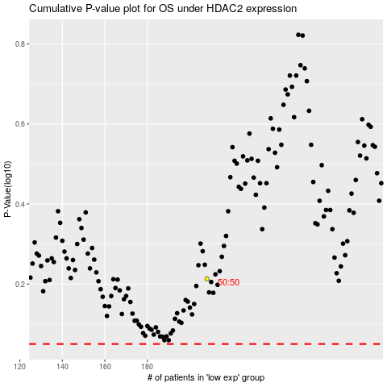

 |  |  |  |  |  | cases_OS | p_OS | rank | exp
 |  |  |  |  |  |  | cases_RFS | p_RFS | rank | exp

