HDAC4 _multivariate
Reported by Tex Li-Hsing Chi. tex@gate.sinica.edu.tw 2019-08-19

Table 2. The clinicopathological features of HNSCC cohort and HDAC4 expression. (Chi square test)
Cutoff at -0.598 (30.4%)
 |  | HDAC4 expression |  | HDAC4 expression |  | (Optimised)
 | Features | Low | (%) | High | (%) | Case no | P-value | Remark | Matthews
Gender | Female | 89 | 21.4 | 217 | 52.3 | 415 | 0.4087 | 0 | 0
2 | Male | 37 | 8.9 | 72 | 17.3
Age at diagnosis | <=65y | 85 | 20.5 | 189 | 45.5 | 415 | 0.7678 | 0 | 0
4 | >65y | 41 | 9.9 | 100 | 24.1
Clinical T Status | T1+T2 | 35 | 8.4 | 114 | 27.5 | 415 | 0.0302 | 1 | 0
6 | T3+T4 | 91 | 21.9 | 175 | 42.2
Clinical N Status | N0 | 56 | 13.5 | 160 | 38.6 | 415 | 0.0523 | 0 | 0
8 | N1-3 | 70 | 16.9 | 129 | 31.1
Clinical M Status | M0 | 125 | 30.1 | 287 | 69.2 | 415 | 1 | 0 | 0
10 | M1 | 1 | 0.2 | 2 | 0.5
Clinical Stage | Stage I+II | 21 | 5.1 | 81 | 19.5 | 415 | 0.0189 | 1 | 0
12 | Stage III+IV | 105 | 25.3 | 208 | 50.1
Surgical Margin status | Negative | 91 | 21.9 | 227 | 54.7 | 415 | 0.1672 | 0 | 0
14 | Positive | 35 | 8.4 | 62 | 14.9
Tobacco Exposure | Low | 54 | 13 | 107 | 25.8 | 415 | 0.2747 | 0 | 0
16 | High | 72 | 17.3 | 182 | 43.9

Table 3. Univariate/Multivariate Cox's proportional hazards regression analyses on OS time of HDAC4 gene expression in HNSCC

 |  | Univariate |  |  |  | Multivariate
 | Features | HR | CI95%(L) | CI95%(H) | P-value | HR | CI95%(L) | CI95%(H) | P-value
1 | Female | 1 |  |  |  | 1
Gender | Male | 1.157 | 0.843 | 1.587 | 0.367 | 1.157 | 0.83 | 1.612 | 0.39
11 | <=65y | 1 |  |  |  | 1
Age at diagnosis | >65y | 1.329 | 0.99 | 1.784 | 0.058 | 1.454 | 1.07 | 1.976 | 0.017
12 | T1+T2 | 1 |  |  |  | 1
Clinical T Status | T3+T4 | 1.409 | 1.028 | 1.931 | 0.033 | 2.036 | 1.075 | 3.856 | 0.029
13 | N0 | 1 |  |  |  | 1
Clinical N Status | N1-3 | 1.185 | 0.89 | 1.577 | 0.246 | 1.174 | 0.822 | 1.678 | 0.377
14 | M0 | 1 |  |  |  | 1
Clinical M Status | M1 | 4.097 | 1.009 | 16.644 | 0.049 | 8.591 | 1.87 | 39.475 | 0.006
15 | Stage I+II | 1 |  |  |  | 1
Clinical Stage | Stage III+IV | 1.245 | 0.882 | 1.759 | 0.213 | 0.515 | 0.24 | 1.104 | 0.088
16 | Negative | 1 |  |  |  | 1
Surgical Margin status | Positive | 1.591 | 1.155 | 2.191 | 0.004 | 1.619 | 1.17 | 2.241 | 0.004
17 | Low | 1 |  |  |  | 1
Tobacco Exposure | High | 1.364 | 1.008 | 1.844 | 0.044 | 1.53 | 1.109 | 2.11 | 0.01
18 | Low | 1 |  |  |  | 1
RNAseq(z-score) | High | 0.573 | 0.421 | 0.78 | *** | 0.585 | 0.425 | 0.805 | 0.001

Table 4. Univariate/Multivariate Cox's proportional hazards regression analyses on RFS time of HDAC4 gene expression in HNSCC

 |  | Univariate |  |  |  | Multivariate
 | Features | HR | CI95%(L) | CI95%(H) | P-value | HR | CI95%(L) | CI95%(H) | P-value
1 | Female | 1 |  |  |  | 1
Gender | Male | 1.157 | 0.843 | 1.587 | 0.367 | 1.157 | 0.83 | 1.612 | 0.39
11 | <=65y | 1 |  |  |  | 1
Age at diagnosis | >65y | 1.329 | 0.99 | 1.784 | 0.058 | 1.454 | 1.07 | 1.976 | 0.017
12 | T1+T2 | 1 |  |  |  | 1
Clinical T Status | T3+T4 | 1.409 | 1.028 | 1.931 | 0.033 | 2.036 | 1.075 | 3.856 | 0.029
13 | N0 | 1 |  |  |  | 1
Clinical N Status | N1-3 | 1.185 | 0.89 | 1.577 | 0.246 | 1.174 | 0.822 | 1.678 | 0.377
14 | M0 | 1 |  |  |  | 1
Clinical M Status | M1 | 4.097 | 1.009 | 16.644 | 0.049 | 8.591 | 1.87 | 39.475 | 0.006
15 | Stage I+II | 1 |  |  |  | 1
Clinical Stage | Stage III+IV | 1.245 | 0.882 | 1.759 | 0.213 | 0.515 | 0.24 | 1.104 | 0.088
16 | Negative | 1 |  |  |  | 1
Surgical Margin status | Positive | 1.591 | 1.155 | 2.191 | 0.004 | 1.619 | 1.17 | 2.241 | 0.004
17 | Low | 1 |  |  |  | 1
Tobacco Exposure | High | 1.364 | 1.008 | 1.844 | 0.044 | 1.53 | 1.109 | 2.11 | 0.01
18 | Low | 1 |  |  |  | 1
RNAseq(z-score) | High | 0.573 | 0.421 | 0.78 | *** | 0.585 | 0.425 | 0.805 | 0.001

Kaplan-Meier survival estimate: Cutoff at -0.598 (30.4%)

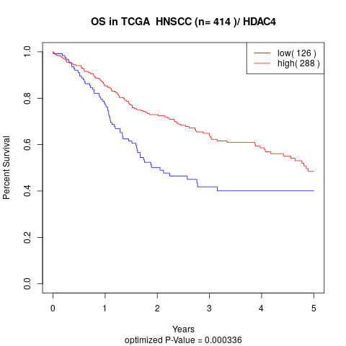

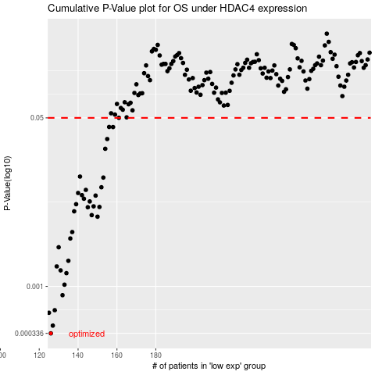

 |  |  |  |  |  | cases_OS | p_OS | rank | exp
 |  |  |  |  |  | 126 | 0.000336 | 393 | -0.59784811502
 |  |  |  |  |  | 127 | 0.000402 | 93 | -0.58793638624
 |  |  |  |  |  | 125 | 0.000542 | 409 | -0.61154603929
 |  |  |  |  |  | 128 | 0.000575 | 205 | -0.5872789474
 |  |  |  |  |  | 132 | 0.000815 | 104 | -0.56306907761
 |  |  |  |  |  | 133 | 0.00104 | 336 | -0.55360374271
 |  |  |  |  |  | 134 | 0.00136 | 162 | -0.54876816778
 |  |  |  |  |  | 131 | 0.00145 | 394 | -0.57210309324
 |  |  |  |  |  | 129 | 0.00159 | 127 | -0.58309681191
 |  |  |  |  |  | 135 | 0.00181 | 111 | -0.5482928552
 |  |  |  |  |  | 130 | 0.00248 | 115 | -0.57529368668
 |  |  |  |  |  | 136 | 0.00304 | 22 | -0.54254880255
 |  |  |  |  |  | 137 | 0.00353 | 190 | -0.54235344754
 |  |  |  |  |  | 150 | 0.00504 | 102 | -0.48355989534
 |  |  |  |  |  | 147 | 0.00523 | 16 | -0.49898863425
 |  |  |  |  |  | 138 | 0.00571 | 8 | -0.53791473555
 |  |  |  |  |  | 145 | 0.00628 | 348 | -0.51329815815
 |  |  |  |  |  | 151 | 0.00632 | 32 | -0.47960818647
 |  |  |  |  |  | 148 | 0.00641 | 314 | -0.49562145219
 |  |  |  |  |  | 139 | 0.00674 | 357 | -0.53149417003
 |  |  |  |  |  | 146 | 0.00718 | 325 | -0.50240534726
 |  |  |  |  |  | 143 | 0.00765 | 376 | -0.5176544211
 |  |  |  |  |  | 149 | 0.00823 | 250 | -0.48938455115
 |  |  |  |  |  | 142 | 0.00831 | 72 | -0.52250537831
 |  |  |  |  |  | 140 | 0.00874 | 122 | -0.53089610681
 |  |  |  |  |  | 144 | 0.00939 | 80 | -0.5174436838
 |  |  |  |  |  | 152 | 0.00999 | 47 | -0.47714056041
 |  |  |  |  |  | 153 | 0.0125 | 219 | -0.47643020651
 |  |  |  |  |  | 141 | 0.0128 | 287 | -0.52551261491
 |  |  |  |  |  | 154 | 0.0244 | 164 | -0.46718914532
 |  |  |  |  |  | 155 | 0.0306 | 301 | -0.46236218448
 |  |  |  |  |  | 158 | 0.0404 | 282 | -0.45101651914
 |  |  |  |  |  | 156 | 0.0405 | 140 | -0.46190840709
 |  |  |  |  |  |  | cases_RFS | p_RFS | rank | exp
 |  |  |  |  |  |  | 125 | 0.000336 | 409 | -0.61154603929
 |  |  |  |  |  |  | 126 | 0.000402 | 393 | -0.59784811502
 |  |  |  |  |  |  |  | 0.000542 | 223 | -0.61891353824
 |  |  |  |  |  |  | 127 | 0.000575 | 93 | -0.58793638624
 |  |  |  |  |  |  | 131 | 0.000815 | 394 | -0.57210309324
 |  |  |  |  |  |  | 132 | 0.00104 | 104 | -0.56306907761
 |  |  |  |  |  |  | 133 | 0.00136 | 336 | -0.55360374271
 |  |  |  |  |  |  | 130 | 0.00145 | 115 | -0.57529368668
 |  |  |  |  |  |  | 128 | 0.00159 | 205 | -0.5872789474
 |  |  |  |  |  |  | 134 | 0.00181 | 162 | -0.54876816778
 |  |  |  |  |  |  | 129 | 0.00248 | 127 | -0.58309681191
 |  |  |  |  |  |  | 135 | 0.00304 | 111 | -0.5482928552
 |  |  |  |  |  |  | 136 | 0.00353 | 22 | -0.54254880255
 |  |  |  |  |  |  | 149 | 0.00504 | 250 | -0.48938455115
 |  |  |  |  |  |  | 146 | 0.00523 | 325 | -0.50240534726
 |  |  |  |  |  |  | 137 | 0.00571 | 190 | -0.54235344754
 |  |  |  |  |  |  | 144 | 0.00628 | 80 | -0.5174436838
 |  |  |  |  |  |  | 150 | 0.00632 | 102 | -0.48355989534
 |  |  |  |  |  |  | 147 | 0.00641 | 16 | -0.49898863425
 |  |  |  |  |  |  | 138 | 0.00674 | 8 | -0.53791473555
 |  |  |  |  |  |  | 145 | 0.00718 | 348 | -0.51329815815
 |  |  |  |  |  |  | 142 | 0.00765 | 72 | -0.52250537831
 |  |  |  |  |  |  | 148 | 0.00823 | 314 | -0.49562145219
 |  |  |  |  |  |  | 141 | 0.00831 | 287 | -0.52551261491
 |  |  |  |  |  |  | 139 | 0.00874 | 357 | -0.53149417003
 |  |  |  |  |  |  | 143 | 0.00939 | 376 | -0.5176544211
 |  |  |  |  |  |  | 151 | 0.00999 | 32 | -0.47960818647
 |  |  |  |  |  |  | 152 | 0.0125 | 47 | -0.47714056041
 |  |  |  |  |  |  | 140 | 0.0128 | 122 | -0.53089610681
 |  |  |  |  |  |  | 153 | 0.0244 | 219 | -0.47643020651
 |  |  |  |  |  |  | 154 | 0.0306 | 164 | -0.46718914532
 |  |  |  |  |  |  | 157 | 0.0404 | 196 | -0.45854922382
 |  |  |  |  |  |  | 155 | 0.0405 | 301 | -0.46236218448

