HDAC9 _multivariate
Reported by Tex Li-Hsing Chi. tex@gate.sinica.edu.tw 2019-08-19

Table 2. The clinicopathological features of HNSCC cohort and HDAC9 expression. (Chi square test)
Cutoff at -0.229 (50.0%)
 |  | HDAC9 expression |  | HDAC9 expression |  | (Optimised)
 | Features | Low | (%) | High | (%) | Case no | P-value | Remark | Matthews
Gender | Female | 154 | 37.1 | 152 | 36.6 | 415 | 0.8463 | 0 | 0
2 | Male | 53 | 12.8 | 56 | 13.5
Age at diagnosis | <=65y | 138 | 33.3 | 136 | 32.8 | 415 | 0.8634 | 0 | 0
4 | >65y | 69 | 16.6 | 72 | 17.3
Clinical T Status | T1+T2 | 75 | 18.1 | 74 | 17.8 | 415 | 0.9707 | 0 | 0
6 | T3+T4 | 132 | 31.8 | 134 | 32.3
Clinical N Status | N0 | 118 | 28.4 | 98 | 23.6 | 415 | 0.0551 | 1 | 0
8 | N1-3 | 89 | 21.4 | 110 | 26.5
Clinical M Status | M0 | 207 | 49.9 | 205 | 49.4 | 415 | 0.2482 | 0 | 0
10 | M1 | 0 | 0 | 3 | 0.7
Clinical Stage | Stage I+II | 52 | 12.5 | 50 | 12 | 415 | 0.8871 | 0 | 0
12 | Stage III+IV | 155 | 37.3 | 158 | 38.1
Surgical Margin status | Negative | 143 | 34.5 | 175 | 42.2 | 415 | 3e-04 | 1 | 0
14 | Positive | 64 | 15.4 | 33 | 8
Tobacco Exposure | Low | 81 | 19.5 | 80 | 19.3 | 415 | 0.9199 | 0 | 0
16 | High | 126 | 30.4 | 128 | 30.8

Table 3. Univariate/Multivariate Cox's proportional hazards regression analyses on OS time of HDAC9 gene expression in HNSCC

 |  | Univariate |  |  |  | Multivariate
 | Features | HR | CI95%(L) | CI95%(H) | P-value | HR | CI95%(L) | CI95%(H) | P-value
1 | Female | 1 |  |  |  | 1
Gender | Male | 1.157 | 0.843 | 1.587 | 0.367 | 1.202 | 0.86 | 1.679 | 0.281
11 | <=65y | 1 |  |  |  | 1
Age at diagnosis | >65y | 1.329 | 0.99 | 1.784 | 0.058 | 1.382 | 1.016 | 1.879 | 0.039
12 | T1+T2 | 1 |  |  |  | 1
Clinical T Status | T3+T4 | 1.409 | 1.028 | 1.931 | 0.033 | 2.185 | 1.155 | 4.131 | 0.016
13 | N0 | 1 |  |  |  | 1
Clinical N Status | N1-3 | 1.185 | 0.89 | 1.577 | 0.246 | 1.212 | 0.847 | 1.736 | 0.293
14 | M0 | 1 |  |  |  | 1
Clinical M Status | M1 | 4.097 | 1.009 | 16.644 | 0.049 | 8.811 | 1.91 | 40.648 | 0.005
15 | Stage I+II | 1 |  |  |  | 1
Clinical Stage | Stage III+IV | 1.245 | 0.882 | 1.759 | 0.213 | 0.518 | 0.241 | 1.115 | 0.093
16 | Negative | 1 |  |  |  | 1
Surgical Margin status | Positive | 1.591 | 1.155 | 2.191 | 0.004 | 1.715 | 1.235 | 2.382 | 0.001
17 | Low | 1 |  |  |  | 1
Tobacco Exposure | High | 1.364 | 1.008 | 1.844 | 0.044 | 1.45 | 1.052 | 1.999 | 0.023
18 | Low | 1 |  |  |  | 1
RNAseq(z-score) | High | 1.11 | 0.833 | 1.48 | 0.475 | 1.142 | 0.849 | 1.536 | 0.38

Table 4. Univariate/Multivariate Cox's proportional hazards regression analyses on RFS time of HDAC9 gene expression in HNSCC

 |  | Univariate |  |  |  | Multivariate
 | Features | HR | CI95%(L) | CI95%(H) | P-value | HR | CI95%(L) | CI95%(H) | P-value
1 | Female | 1 |  |  |  | 1
Gender | Male | 1.157 | 0.843 | 1.587 | 0.367 | 1.202 | 0.86 | 1.679 | 0.281
11 | <=65y | 1 |  |  |  | 1
Age at diagnosis | >65y | 1.329 | 0.99 | 1.784 | 0.058 | 1.382 | 1.016 | 1.879 | 0.039
12 | T1+T2 | 1 |  |  |  | 1
Clinical T Status | T3+T4 | 1.409 | 1.028 | 1.931 | 0.033 | 2.185 | 1.155 | 4.131 | 0.016
13 | N0 | 1 |  |  |  | 1
Clinical N Status | N1-3 | 1.185 | 0.89 | 1.577 | 0.246 | 1.212 | 0.847 | 1.736 | 0.293
14 | M0 | 1 |  |  |  | 1
Clinical M Status | M1 | 4.097 | 1.009 | 16.644 | 0.049 | 8.811 | 1.91 | 40.648 | 0.005
15 | Stage I+II | 1 |  |  |  | 1
Clinical Stage | Stage III+IV | 1.245 | 0.882 | 1.759 | 0.213 | 0.518 | 0.241 | 1.115 | 0.093
16 | Negative | 1 |  |  |  | 1
Surgical Margin status | Positive | 1.591 | 1.155 | 2.191 | 0.004 | 1.715 | 1.235 | 2.382 | 0.001
17 | Low | 1 |  |  |  | 1
Tobacco Exposure | High | 1.364 | 1.008 | 1.844 | 0.044 | 1.45 | 1.052 | 1.999 | 0.023
18 | Low | 1 |  |  |  | 1
RNAseq(z-score) | High | 1.11 | 0.833 | 1.48 | 0.475 | 1.142 | 0.849 | 1.536 | 0.38

Kaplan-Meier survival estimate: Cutoff at -0.229 (50.0%)



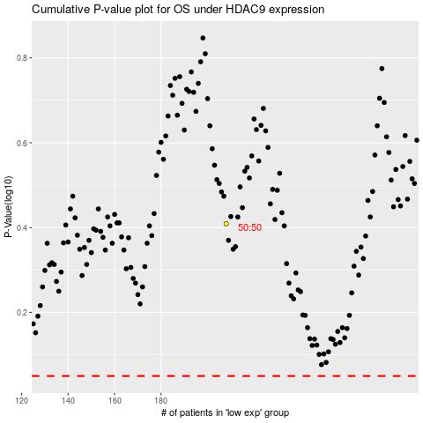

 |  |  |  |  |  | cases_OS | p_OS | rank | exp
 |  |  |  |  |  |  | cases_RFS | p_RFS | rank | exp

