HDGF _multivariate
Reported by Tex Li-Hsing Chi. tex@gate.sinica.edu.tw 2019-08-19

Table 2. The clinicopathological features of HNSCC cohort and HDGF expression. (Chi square test)
Cutoff at -0.065 (50.0%)
 |  | HDGF expression |  | HDGF expression |  | (Optimised)
 | Features | Low | (%) | High | (%) | Case no | P-value | Remark | Matthews
Gender | Female | 145 | 34.9 | 161 | 38.8 | 415 | 0.1116 | 0 | 0
2 | Male | 62 | 14.9 | 47 | 11.3
Age at diagnosis | <=65y | 133 | 32 | 141 | 34 | 415 | 0.5111 | 0 | 0
4 | >65y | 74 | 17.8 | 67 | 16.1
Clinical T Status | T1+T2 | 84 | 20.2 | 65 | 15.7 | 415 | 0.0603 | 0 | 0
6 | T3+T4 | 123 | 29.6 | 143 | 34.5
Clinical N Status | N0 | 119 | 28.7 | 97 | 23.4 | 415 | 0.0345 | 1 | 0
8 | N1-3 | 88 | 21.2 | 111 | 26.7
Clinical M Status | M0 | 206 | 49.6 | 206 | 49.6 | 415 | 1 | 0 | 0
10 | M1 | 1 | 0.2 | 2 | 0.5
Clinical Stage | Stage I+II | 59 | 14.2 | 43 | 10.4 | 415 | 0.0822 | 0 | 0
12 | Stage III+IV | 148 | 35.7 | 165 | 39.8
Surgical Margin status | Negative | 160 | 38.6 | 158 | 38.1 | 415 | 0.8167 | 0 | 0
14 | Positive | 47 | 11.3 | 50 | 12
Tobacco Exposure | Low | 95 | 22.9 | 66 | 15.9 | 415 | 0.0035 | 1 | 0
16 | High | 112 | 27 | 142 | 34.2

Table 3. Univariate/Multivariate Cox's proportional hazards regression analyses on OS time of HDGF gene expression in HNSCC

 |  | Univariate |  |  |  | Multivariate
 | Features | HR | CI95%(L) | CI95%(H) | P-value | HR | CI95%(L) | CI95%(H) | P-value
1 | Female | 1 |  |  |  | 1
Gender | Male | 1.157 | 0.843 | 1.587 | 0.367 | 1.199 | 0.858 | 1.674 | 0.288
11 | <=65y | 1 |  |  |  | 1
Age at diagnosis | >65y | 1.329 | 0.99 | 1.784 | 0.058 | 1.398 | 1.029 | 1.901 | 0.032
12 | T1+T2 | 1 |  |  |  | 1
Clinical T Status | T3+T4 | 1.409 | 1.028 | 1.931 | 0.033 | 2.241 | 1.184 | 4.244 | 0.013
13 | N0 | 1 |  |  |  | 1
Clinical N Status | N1-3 | 1.185 | 0.89 | 1.577 | 0.246 | 1.26 | 0.882 | 1.802 | 0.204
14 | M0 | 1 |  |  |  | 1
Clinical M Status | M1 | 4.097 | 1.009 | 16.644 | 0.049 | 9.83 | 2.137 | 45.213 | 0.003
15 | Stage I+II | 1 |  |  |  | 1
Clinical Stage | Stage III+IV | 1.245 | 0.882 | 1.759 | 0.213 | 0.503 | 0.234 | 1.079 | 0.077
16 | Negative | 1 |  |  |  | 1
Surgical Margin status | Positive | 1.591 | 1.155 | 2.191 | 0.004 | 1.687 | 1.22 | 2.333 | 0.002
17 | Low | 1 |  |  |  | 1
Tobacco Exposure | High | 1.364 | 1.008 | 1.844 | 0.044 | 1.485 | 1.073 | 2.055 | 0.017
18 | Low | 1 |  |  |  | 1
RNAseq(z-score) | High | 1.035 | 0.777 | 1.38 | 0.813 | 0.881 | 0.653 | 1.187 | 0.404

Table 4. Univariate/Multivariate Cox's proportional hazards regression analyses on RFS time of HDGF gene expression in HNSCC

 |  | Univariate |  |  |  | Multivariate
 | Features | HR | CI95%(L) | CI95%(H) | P-value | HR | CI95%(L) | CI95%(H) | P-value
1 | Female | 1 |  |  |  | 1
Gender | Male | 1.157 | 0.843 | 1.587 | 0.367 | 1.199 | 0.858 | 1.674 | 0.288
11 | <=65y | 1 |  |  |  | 1
Age at diagnosis | >65y | 1.329 | 0.99 | 1.784 | 0.058 | 1.398 | 1.029 | 1.901 | 0.032
12 | T1+T2 | 1 |  |  |  | 1
Clinical T Status | T3+T4 | 1.409 | 1.028 | 1.931 | 0.033 | 2.241 | 1.184 | 4.244 | 0.013
13 | N0 | 1 |  |  |  | 1
Clinical N Status | N1-3 | 1.185 | 0.89 | 1.577 | 0.246 | 1.26 | 0.882 | 1.802 | 0.204
14 | M0 | 1 |  |  |  | 1
Clinical M Status | M1 | 4.097 | 1.009 | 16.644 | 0.049 | 9.83 | 2.137 | 45.213 | 0.003
15 | Stage I+II | 1 |  |  |  | 1
Clinical Stage | Stage III+IV | 1.245 | 0.882 | 1.759 | 0.213 | 0.503 | 0.234 | 1.079 | 0.077
16 | Negative | 1 |  |  |  | 1
Surgical Margin status | Positive | 1.591 | 1.155 | 2.191 | 0.004 | 1.687 | 1.22 | 2.333 | 0.002
17 | Low | 1 |  |  |  | 1
Tobacco Exposure | High | 1.364 | 1.008 | 1.844 | 0.044 | 1.485 | 1.073 | 2.055 | 0.017
18 | Low | 1 |  |  |  | 1
RNAseq(z-score) | High | 1.035 | 0.777 | 1.38 | 0.813 | 0.881 | 0.653 | 1.187 | 0.404

Kaplan-Meier survival estimate: Cutoff at -0.065 (50.0%)



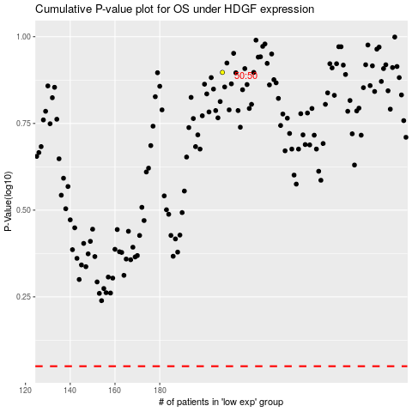

 |  |  |  |  |  | cases_OS | p_OS | rank | exp
 |  |  |  |  |  |  | cases_RFS | p_RFS | rank | exp

