HDGFRP2 _multivariate
Reported by Tex Li-Hsing Chi. tex@gate.sinica.edu.tw 2019-08-19

Table 2. The clinicopathological features of HNSCC cohort and HDGFRP2 expression. (Chi square test)
Cutoff at -0.182 (49.8%)
 |  | HDGFRP2 expression |  | HDGFRP2 expression |  | (Optimised)
 | Features | Low | (%) | High | (%) | Case no | P-value | Remark | Matthews
Gender | Female | 141 | 34 | 165 | 39.8 | 415 | 0.013 | 1 | 0
2 | Male | 66 | 15.9 | 43 | 10.4
Age at diagnosis | <=65y | 136 | 32.8 | 138 | 33.3 | 415 | 0.9719 | 0 | 0
4 | >65y | 71 | 17.1 | 70 | 16.9
Clinical T Status | T1+T2 | 86 | 20.7 | 63 | 15.2 | 415 | 0.0221 | 1 | 0
6 | T3+T4 | 121 | 29.2 | 145 | 34.9
Clinical N Status | N0 | 115 | 27.7 | 101 | 24.3 | 415 | 0.184 | 1 | 0
8 | N1-3 | 92 | 22.2 | 107 | 25.8
Clinical M Status | M0 | 205 | 49.4 | 207 | 49.9 | 415 | 0.6232 | 0 | 0
10 | M1 | 2 | 0.5 | 1 | 0.2
Clinical Stage | Stage I+II | 63 | 15.2 | 39 | 9.4 | 415 | 0.008 | 1 | 0
12 | Stage III+IV | 144 | 34.7 | 169 | 40.7
Surgical Margin status | Negative | 158 | 38.1 | 160 | 38.6 | 415 | 0.9081 | 0 | 0
14 | Positive | 49 | 11.8 | 48 | 11.6
Tobacco Exposure | Low | 84 | 20.2 | 77 | 18.6 | 415 | 0.4816 | 0 | 0
16 | High | 123 | 29.6 | 131 | 31.6

Table 3. Univariate/Multivariate Cox's proportional hazards regression analyses on OS time of HDGFRP2 gene expression in HNSCC

 |  | Univariate |  |  |  | Multivariate
 | Features | HR | CI95%(L) | CI95%(H) | P-value | HR | CI95%(L) | CI95%(H) | P-value
1 | Female | 1 |  |  |  | 1
Gender | Male | 1.157 | 0.843 | 1.587 | 0.367 | 1.194 | 0.851 | 1.675 | 0.305
11 | <=65y | 1 |  |  |  | 1
Age at diagnosis | >65y | 1.329 | 0.99 | 1.784 | 0.058 | 1.393 | 1.025 | 1.894 | 0.034
12 | T1+T2 | 1 |  |  |  | 1
Clinical T Status | T3+T4 | 1.409 | 1.028 | 1.931 | 0.033 | 2.208 | 1.167 | 4.177 | 0.015
13 | N0 | 1 |  |  |  | 1
Clinical N Status | N1-3 | 1.185 | 0.89 | 1.577 | 0.246 | 1.244 | 0.872 | 1.777 | 0.229
14 | M0 | 1 |  |  |  | 1
Clinical M Status | M1 | 4.097 | 1.009 | 16.644 | 0.049 | 9.353 | 2.039 | 42.901 | 0.004
15 | Stage I+II | 1 |  |  |  | 1
Clinical Stage | Stage III+IV | 1.245 | 0.882 | 1.759 | 0.213 | 0.507 | 0.236 | 1.089 | 0.081
16 | Negative | 1 |  |  |  | 1
Surgical Margin status | Positive | 1.591 | 1.155 | 2.191 | 0.004 | 1.67 | 1.208 | 2.307 | 0.002
17 | Low | 1 |  |  |  | 1
Tobacco Exposure | High | 1.364 | 1.008 | 1.844 | 0.044 | 1.451 | 1.053 | 2 | 0.023
18 | Low | 1 |  |  |  | 1
RNAseq(z-score) | High | 0.982 | 0.737 | 1.309 | 0.903 | 0.965 | 0.716 | 1.3 | 0.813

Table 4. Univariate/Multivariate Cox's proportional hazards regression analyses on RFS time of HDGFRP2 gene expression in HNSCC

 |  | Univariate |  |  |  | Multivariate
 | Features | HR | CI95%(L) | CI95%(H) | P-value | HR | CI95%(L) | CI95%(H) | P-value
1 | Female | 1 |  |  |  | 1
Gender | Male | 1.157 | 0.843 | 1.587 | 0.367 | 1.194 | 0.851 | 1.675 | 0.305
11 | <=65y | 1 |  |  |  | 1
Age at diagnosis | >65y | 1.329 | 0.99 | 1.784 | 0.058 | 1.393 | 1.025 | 1.894 | 0.034
12 | T1+T2 | 1 |  |  |  | 1
Clinical T Status | T3+T4 | 1.409 | 1.028 | 1.931 | 0.033 | 2.208 | 1.167 | 4.177 | 0.015
13 | N0 | 1 |  |  |  | 1
Clinical N Status | N1-3 | 1.185 | 0.89 | 1.577 | 0.246 | 1.244 | 0.872 | 1.777 | 0.229
14 | M0 | 1 |  |  |  | 1
Clinical M Status | M1 | 4.097 | 1.009 | 16.644 | 0.049 | 9.353 | 2.039 | 42.901 | 0.004
15 | Stage I+II | 1 |  |  |  | 1
Clinical Stage | Stage III+IV | 1.245 | 0.882 | 1.759 | 0.213 | 0.507 | 0.236 | 1.089 | 0.081
16 | Negative | 1 |  |  |  | 1
Surgical Margin status | Positive | 1.591 | 1.155 | 2.191 | 0.004 | 1.67 | 1.208 | 2.307 | 0.002
17 | Low | 1 |  |  |  | 1
Tobacco Exposure | High | 1.364 | 1.008 | 1.844 | 0.044 | 1.451 | 1.053 | 2 | 0.023
18 | Low | 1 |  |  |  | 1
RNAseq(z-score) | High | 0.982 | 0.737 | 1.309 | 0.903 | 0.965 | 0.716 | 1.3 | 0.813

Kaplan-Meier survival estimate: Cutoff at -0.182 (49.8%)



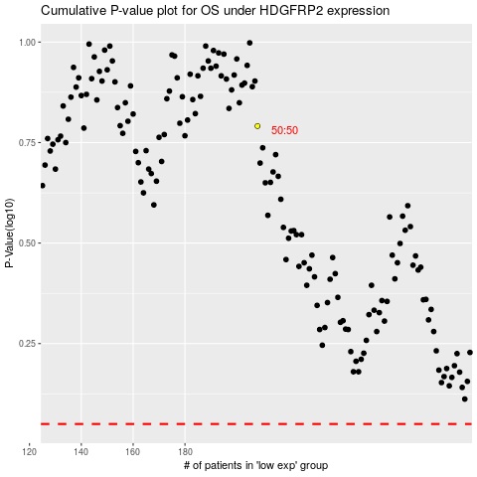

 |  |  |  |  |  | cases_OS | p_OS | rank | exp
 |  |  |  |  |  |  | cases_RFS | p_RFS | rank | exp

