HDGFRP3 _multivariate
Reported by Tex Li-Hsing Chi. tex@gate.sinica.edu.tw 2019-08-19

Table 2. The clinicopathological features of HNSCC cohort and HDGFRP3 expression. (Chi square test)
Cutoff at -0.451 (32.9%)
 |  | HDGFRP3 expression |  | HDGFRP3 expression |  | (Optimised)
 | Features | Low | (%) | High | (%) | Case no | P-value | Remark | Matthews
Gender | Female | 99 | 23.9 | 207 | 49.9 | 415 | 0.719 | 0 | 0
2 | Male | 38 | 9.2 | 71 | 17.1
Age at diagnosis | <=65y | 92 | 22.2 | 182 | 43.9 | 415 | 0.8175 | 0 | 0
4 | >65y | 45 | 10.8 | 96 | 23.1
Clinical T Status | T1+T2 | 56 | 13.5 | 93 | 22.4 | 415 | 0.1696 | 0 | 0
6 | T3+T4 | 81 | 19.5 | 185 | 44.6
Clinical N Status | N0 | 76 | 18.3 | 140 | 33.7 | 415 | 0.3809 | 0 | 0
8 | N1-3 | 61 | 14.7 | 138 | 33.3
Clinical M Status | M0 | 135 | 32.5 | 277 | 66.7 | 415 | 0.2544 | 0 | 0
10 | M1 | 2 | 0.5 | 1 | 0.2
Clinical Stage | Stage I+II | 37 | 8.9 | 65 | 15.7 | 415 | 0.493 | 0 | 0
12 | Stage III+IV | 100 | 24.1 | 213 | 51.3
Surgical Margin status | Negative | 112 | 27 | 206 | 49.6 | 415 | 0.086 | 0 | 0
14 | Positive | 25 | 6 | 72 | 17.3
Tobacco Exposure | Low | 56 | 13.5 | 105 | 25.3 | 415 | 0.5925 | 0 | 0
16 | High | 81 | 19.5 | 173 | 41.7

Table 3. Univariate/Multivariate Cox's proportional hazards regression analyses on OS time of HDGFRP3 gene expression in HNSCC

 |  | Univariate |  |  |  | Multivariate
 | Features | HR | CI95%(L) | CI95%(H) | P-value | HR | CI95%(L) | CI95%(H) | P-value
1 | Female | 1 |  |  |  | 1
Gender | Male | 1.157 | 0.843 | 1.587 | 0.367 | 1.231 | 0.882 | 1.717 | 0.222
11 | <=65y | 1 |  |  |  | 1
Age at diagnosis | >65y | 1.329 | 0.99 | 1.784 | 0.058 | 1.401 | 1.03 | 1.907 | 0.032
12 | T1+T2 | 1 |  |  |  | 1
Clinical T Status | T3+T4 | 1.409 | 1.028 | 1.931 | 0.033 | 2.162 | 1.142 | 4.095 | 0.018
13 | N0 | 1 |  |  |  | 1
Clinical N Status | N1-3 | 1.185 | 0.89 | 1.577 | 0.246 | 1.211 | 0.849 | 1.729 | 0.291
14 | M0 | 1 |  |  |  | 1
Clinical M Status | M1 | 4.097 | 1.009 | 16.644 | 0.049 | 10.526 | 2.287 | 48.452 | 0.003
15 | Stage I+II | 1 |  |  |  | 1
Clinical Stage | Stage III+IV | 1.245 | 0.882 | 1.759 | 0.213 | 0.507 | 0.236 | 1.088 | 0.081
16 | Negative | 1 |  |  |  | 1
Surgical Margin status | Positive | 1.591 | 1.155 | 2.191 | 0.004 | 1.667 | 1.205 | 2.306 | 0.002
17 | Low | 1 |  |  |  | 1
Tobacco Exposure | High | 1.364 | 1.008 | 1.844 | 0.044 | 1.451 | 1.054 | 1.996 | 0.022
18 | Low | 1 |  |  |  | 1
RNAseq(z-score) | High | 1.556 | 1.121 | 2.16 | 0.008 | 1.53 | 1.099 | 2.13 | 0.012

Table 4. Univariate/Multivariate Cox's proportional hazards regression analyses on RFS time of HDGFRP3 gene expression in HNSCC

 |  | Univariate |  |  |  | Multivariate
 | Features | HR | CI95%(L) | CI95%(H) | P-value | HR | CI95%(L) | CI95%(H) | P-value
1 | Female | 1 |  |  |  | 1
Gender | Male | 1.157 | 0.843 | 1.587 | 0.367 | 1.231 | 0.882 | 1.717 | 0.222
11 | <=65y | 1 |  |  |  | 1
Age at diagnosis | >65y | 1.329 | 0.99 | 1.784 | 0.058 | 1.401 | 1.03 | 1.907 | 0.032
12 | T1+T2 | 1 |  |  |  | 1
Clinical T Status | T3+T4 | 1.409 | 1.028 | 1.931 | 0.033 | 2.162 | 1.142 | 4.095 | 0.018
13 | N0 | 1 |  |  |  | 1
Clinical N Status | N1-3 | 1.185 | 0.89 | 1.577 | 0.246 | 1.211 | 0.849 | 1.729 | 0.291
14 | M0 | 1 |  |  |  | 1
Clinical M Status | M1 | 4.097 | 1.009 | 16.644 | 0.049 | 10.526 | 2.287 | 48.452 | 0.003
15 | Stage I+II | 1 |  |  |  | 1
Clinical Stage | Stage III+IV | 1.245 | 0.882 | 1.759 | 0.213 | 0.507 | 0.236 | 1.088 | 0.081
16 | Negative | 1 |  |  |  | 1
Surgical Margin status | Positive | 1.591 | 1.155 | 2.191 | 0.004 | 1.667 | 1.205 | 2.306 | 0.002
17 | Low | 1 |  |  |  | 1
Tobacco Exposure | High | 1.364 | 1.008 | 1.844 | 0.044 | 1.451 | 1.054 | 1.996 | 0.022
18 | Low | 1 |  |  |  | 1
RNAseq(z-score) | High | 1.556 | 1.121 | 2.16 | 0.008 | 1.53 | 1.099 | 2.13 | 0.012

Kaplan-Meier survival estimate: Cutoff at -0.451 (32.9%)

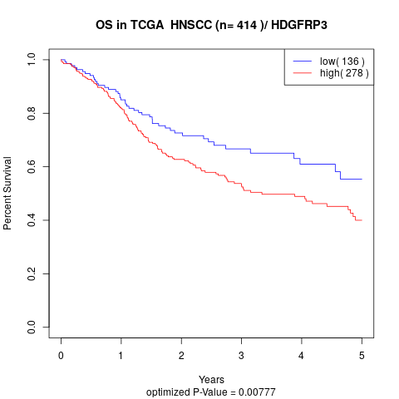

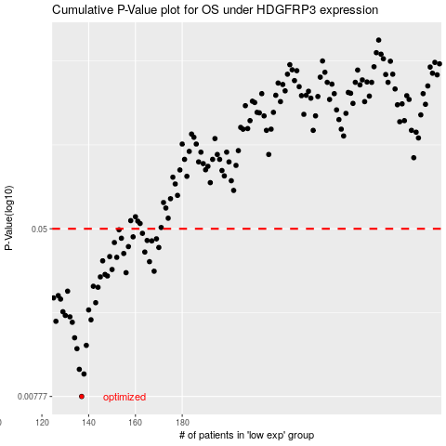

 |  |  |  |  |  | cases_OS | p_OS | rank | exp
 |  |  |  |  |  | 137 | 0.00777 | 215 | -0.4505624216
 |  |  |  |  |  | 138 | 0.00997 | 65 | -0.44940262271
 |  |  |  |  |  | 136 | 0.0105 | 406 | -0.45268391461
 |  |  |  |  |  | 135 | 0.0132 | 174 | -0.45906796609
 |  |  |  |  |  | 139 | 0.0137 | 43 | -0.44753239742
 |  |  |  |  |  | 134 | 0.0149 | 8 | -0.46009498983
 |  |  |  |  |  | 133 | 0.0177 | 235 | -0.46228260592
 |  |  |  |  |  | 126 | 0.0179 | 404 | -0.50893297039
 |  |  |  |  |  | 141 | 0.0182 | 210 | -0.43642980269
 |  |  |  |  |  | 132 | 0.0188 | 298 | -0.4653888039
 |  |  |  |  |  | 130 | 0.0191 | 180 | -0.48944173679
 |  |  |  |  |  | 129 | 0.0199 | 315 | -0.48978187393
 |  |  |  |  |  | 140 | 0.0203 | 352 | -0.44309104214
 |  |  |  |  |  | 143 | 0.022 | 142 | -0.42171900355
 |  |  |  |  |  | 128 | 0.0229 | 354 | -0.50248120888
 |  |  |  |  |  | 125 | 0.0232 | 189 | -0.51053341351
 |  |  |  |  |  | 127 | 0.0238 | 94 | -0.50305489275
 |  |  |  |  |  | 131 | 0.025 | 122 | -0.48763075778
 |  |  |  |  |  | 144 | 0.0261 | 254 | -0.42063590744
 |  |  |  |  |  | 142 | 0.0264 | 407 | -0.4332241556
 |  |  |  |  |  | 145 | 0.0293 | 244 | -0.41018052546
 |  |  |  |  |  | 148 | 0.0296 | 203 | -0.39971244784
 |  |  |  |  |  | 147 | 0.0301 | 291 | -0.40574419553
 |  |  |  |  |  | 156 | 0.0307 | 52 | -0.33808467595
 |  |  |  |  |  | 168 | 0.0312 | 349 | -0.28409861659
 |  |  |  |  |  | 150 | 0.0318 | 69 | -0.3802883953
 |  |  |  |  |  | 166 | 0.0347 | 260 | -0.28787477365
 |  |  |  |  |  | 146 | 0.035 | 91 | -0.40585739825
 |  |  |  |  |  | 152 | 0.0364 | 80 | -0.35897798342
 |  |  |  |  |  | 149 | 0.0367 | 330 | -0.38962523919
 |  |  |  |  |  | 155 | 0.038 | 347 | -0.33996415848
 |  |  |  |  |  | 164 | 0.0386 | 278 | -0.29570797862
 |  |  |  |  |  | 170 | 0.0406 | 161 | -0.26882418427
 |  |  |  |  |  | 157 | 0.041 | 207 | -0.33225447142
 |  |  |  |  |  | 151 | 0.0429 | 18 | -0.35989841674
 |  |  |  |  |  | 167 | 0.0437 | 57 | -0.28755579589
 |  |  |  |  |  | 165 | 0.0439 | 399 | -0.29560112372
 |  |  |  |  |  | 169 | 0.0447 | 147 | -0.28100432077
 |  |  |  |  |  | 154 | 0.045 | 93 | -0.35554857581
 |  |  |  |  |  | 159 | 0.0457 | 206 | -0.31800124402
 |  |  |  |  |  | 163 | 0.0475 | 42 | -0.29655885046
 |  |  |  |  |  | 153 | 0.0494 | 252 | -0.35781315918
 |  |  |  |  |  |  | cases_RFS | p_RFS | rank | exp
 |  |  |  |  |  |  | 136 | 0.00777 | 406 | -0.45268391461
 |  |  |  |  |  |  | 137 | 0.00997 | 215 | -0.4505624216
 |  |  |  |  |  |  | 135 | 0.0105 | 174 | -0.45906796609
 |  |  |  |  |  |  | 134 | 0.0132 | 8 | -0.46009498983
 |  |  |  |  |  |  | 138 | 0.0137 | 65 | -0.44940262271
 |  |  |  |  |  |  | 133 | 0.0149 | 235 | -0.46228260592
 |  |  |  |  |  |  | 132 | 0.0177 | 298 | -0.4653888039
 |  |  |  |  |  |  | 125 | 0.0179 | 189 | -0.51053341351
 |  |  |  |  |  |  | 140 | 0.0182 | 352 | -0.44309104214
 |  |  |  |  |  |  | 131 | 0.0188 | 122 | -0.48763075778
 |  |  |  |  |  |  | 129 | 0.0191 | 315 | -0.48978187393
 |  |  |  |  |  |  | 128 | 0.0199 | 354 | -0.50248120888
 |  |  |  |  |  |  | 139 | 0.0203 | 43 | -0.44753239742
 |  |  |  |  |  |  | 142 | 0.022 | 407 | -0.4332241556
 |  |  |  |  |  |  | 127 | 0.0229 | 94 | -0.50305489275
 |  |  |  |  |  |  |  | 0.0232 | 327 | -0.51844649517
 |  |  |  |  |  |  | 126 | 0.0238 | 404 | -0.50893297039
 |  |  |  |  |  |  | 130 | 0.025 | 180 | -0.48944173679
 |  |  |  |  |  |  | 143 | 0.0261 | 142 | -0.42171900355
 |  |  |  |  |  |  | 141 | 0.0264 | 210 | -0.43642980269
 |  |  |  |  |  |  | 144 | 0.0293 | 254 | -0.42063590744
 |  |  |  |  |  |  | 147 | 0.0296 | 291 | -0.40574419553
 |  |  |  |  |  |  | 146 | 0.0301 | 91 | -0.40585739825
 |  |  |  |  |  |  | 155 | 0.0307 | 347 | -0.33996415848
 |  |  |  |  |  |  | 167 | 0.0312 | 57 | -0.28755579589
 |  |  |  |  |  |  | 149 | 0.0318 | 330 | -0.38962523919
 |  |  |  |  |  |  | 165 | 0.0347 | 399 | -0.29560112372
 |  |  |  |  |  |  | 145 | 0.035 | 244 | -0.41018052546
 |  |  |  |  |  |  | 151 | 0.0364 | 18 | -0.35989841674
 |  |  |  |  |  |  | 148 | 0.0367 | 203 | -0.39971244784
 |  |  |  |  |  |  | 154 | 0.038 | 93 | -0.35554857581
 |  |  |  |  |  |  | 163 | 0.0386 | 42 | -0.29655885046
 |  |  |  |  |  |  | 169 | 0.0406 | 147 | -0.28100432077
 |  |  |  |  |  |  | 156 | 0.041 | 52 | -0.33808467595
 |  |  |  |  |  |  | 150 | 0.0429 | 69 | -0.3802883953
 |  |  |  |  |  |  | 166 | 0.0437 | 260 | -0.28787477365
 |  |  |  |  |  |  | 164 | 0.0439 | 278 | -0.29570797862
 |  |  |  |  |  |  | 168 | 0.0447 | 349 | -0.28409861659
 |  |  |  |  |  |  | 153 | 0.045 | 252 | -0.35781315918
 |  |  |  |  |  |  | 158 | 0.0457 | 164 | -0.32579530413
 |  |  |  |  |  |  | 162 | 0.0475 | 312 | -0.30221898642
 |  |  |  |  |  |  | 152 | 0.0494 | 80 | -0.35897798342

