HDHD3 _multivariate
Reported by Tex Li-Hsing Chi. tex@gate.sinica.edu.tw 2019-08-19

Table 2. The clinicopathological features of HNSCC cohort and HDHD3 expression. (Chi square test)
Cutoff at -0.233 (50.0%)
 |  | HDHD3 expression |  | HDHD3 expression |  | (Optimised)
 | Features | Low | (%) | High | (%) | Case no | P-value | Remark | Matthews
Gender | Female | 151 | 36.4 | 155 | 37.3 | 415 | 0.8007 | 0 | 0
2 | Male | 56 | 13.5 | 53 | 12.8
Age at diagnosis | <=65y | 134 | 32.3 | 140 | 33.7 | 415 | 0.6529 | 0 | 0
4 | >65y | 73 | 17.6 | 68 | 16.4
Clinical T Status | T1+T2 | 83 | 20 | 66 | 15.9 | 415 | 0.0941 | 0 | 0
6 | T3+T4 | 124 | 29.9 | 142 | 34.2
Clinical N Status | N0 | 103 | 24.8 | 113 | 27.2 | 415 | 0.4047 | 0 | 0
8 | N1-3 | 104 | 25.1 | 95 | 22.9
Clinical M Status | M0 | 207 | 49.9 | 205 | 49.4 | 415 | 0.2482 | 0 | 0
10 | M1 | 0 | 0 | 3 | 0.7
Clinical Stage | Stage I+II | 60 | 14.5 | 42 | 10.1 | 415 | 0.0493 | 1 | 0
12 | Stage III+IV | 147 | 35.4 | 166 | 40
Surgical Margin status | Negative | 164 | 39.5 | 154 | 37.1 | 415 | 0.2462 | 0 | 0
14 | Positive | 43 | 10.4 | 54 | 13
Tobacco Exposure | Low | 80 | 19.3 | 81 | 19.5 | 415 | 1 | 0 | 0
16 | High | 127 | 30.6 | 127 | 30.6

Table 3. Univariate/Multivariate Cox's proportional hazards regression analyses on OS time of HDHD3 gene expression in HNSCC

 |  | Univariate |  |  |  | Multivariate
 | Features | HR | CI95%(L) | CI95%(H) | P-value | HR | CI95%(L) | CI95%(H) | P-value
1 | Female | 1 |  |  |  | 1
Gender | Male | 1.157 | 0.843 | 1.587 | 0.367 | 1.207 | 0.864 | 1.687 | 0.27
11 | <=65y | 1 |  |  |  | 1
Age at diagnosis | >65y | 1.329 | 0.99 | 1.784 | 0.058 | 1.388 | 1.021 | 1.886 | 0.036
12 | T1+T2 | 1 |  |  |  | 1
Clinical T Status | T3+T4 | 1.409 | 1.028 | 1.931 | 0.033 | 2.21 | 1.169 | 4.18 | 0.015
13 | N0 | 1 |  |  |  | 1
Clinical N Status | N1-3 | 1.185 | 0.89 | 1.577 | 0.246 | 1.204 | 0.84 | 1.726 | 0.312
14 | M0 | 1 |  |  |  | 1
Clinical M Status | M1 | 4.097 | 1.009 | 16.644 | 0.049 | 10.345 | 2.233 | 47.936 | 0.003
15 | Stage I+II | 1 |  |  |  | 1
Clinical Stage | Stage III+IV | 1.245 | 0.882 | 1.759 | 0.213 | 0.521 | 0.242 | 1.122 | 0.096
16 | Negative | 1 |  |  |  | 1
Surgical Margin status | Positive | 1.591 | 1.155 | 2.191 | 0.004 | 1.705 | 1.231 | 2.361 | 0.001
17 | Low | 1 |  |  |  | 1
Tobacco Exposure | High | 1.364 | 1.008 | 1.844 | 0.044 | 1.46 | 1.06 | 2.011 | 0.021
18 | Low | 1 |  |  |  | 1
RNAseq(z-score) | High | 0.929 | 0.697 | 1.239 | 0.617 | 0.853 | 0.634 | 1.147 | 0.293

Table 4. Univariate/Multivariate Cox's proportional hazards regression analyses on RFS time of HDHD3 gene expression in HNSCC

 |  | Univariate |  |  |  | Multivariate
 | Features | HR | CI95%(L) | CI95%(H) | P-value | HR | CI95%(L) | CI95%(H) | P-value
1 | Female | 1 |  |  |  | 1
Gender | Male | 1.157 | 0.843 | 1.587 | 0.367 | 1.207 | 0.864 | 1.687 | 0.27
11 | <=65y | 1 |  |  |  | 1
Age at diagnosis | >65y | 1.329 | 0.99 | 1.784 | 0.058 | 1.388 | 1.021 | 1.886 | 0.036
12 | T1+T2 | 1 |  |  |  | 1
Clinical T Status | T3+T4 | 1.409 | 1.028 | 1.931 | 0.033 | 2.21 | 1.169 | 4.18 | 0.015
13 | N0 | 1 |  |  |  | 1
Clinical N Status | N1-3 | 1.185 | 0.89 | 1.577 | 0.246 | 1.204 | 0.84 | 1.726 | 0.312
14 | M0 | 1 |  |  |  | 1
Clinical M Status | M1 | 4.097 | 1.009 | 16.644 | 0.049 | 10.345 | 2.233 | 47.936 | 0.003
15 | Stage I+II | 1 |  |  |  | 1
Clinical Stage | Stage III+IV | 1.245 | 0.882 | 1.759 | 0.213 | 0.521 | 0.242 | 1.122 | 0.096
16 | Negative | 1 |  |  |  | 1
Surgical Margin status | Positive | 1.591 | 1.155 | 2.191 | 0.004 | 1.705 | 1.231 | 2.361 | 0.001
17 | Low | 1 |  |  |  | 1
Tobacco Exposure | High | 1.364 | 1.008 | 1.844 | 0.044 | 1.46 | 1.06 | 2.011 | 0.021
18 | Low | 1 |  |  |  | 1
RNAseq(z-score) | High | 0.929 | 0.697 | 1.239 | 0.617 | 0.853 | 0.634 | 1.147 | 0.293

Kaplan-Meier survival estimate: Cutoff at -0.233 (50.0%)



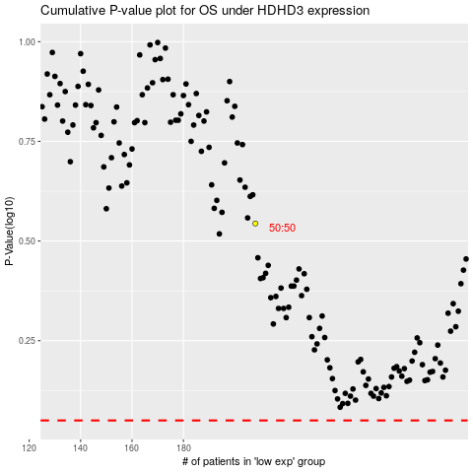

 |  |  |  |  |  | cases_OS | p_OS | rank | exp
 |  |  |  |  |  |  | cases_RFS | p_RFS | rank | exp

