HDLBP _multivariate
Reported by Tex Li-Hsing Chi. tex@gate.sinica.edu.tw 2019-08-19

Table 2. The clinicopathological features of HNSCC cohort and HDLBP expression. (Chi square test)
Cutoff at -0.052 (49.8%)
 |  | HDLBP expression |  | HDLBP expression |  | (Optimised)
 | Features | Low | (%) | High | (%) | Case no | P-value | Remark | Matthews
Gender | Female | 145 | 34.9 | 161 | 38.8 | 415 | 0.1116 | 0 | 0
2 | Male | 62 | 14.9 | 47 | 11.3
Age at diagnosis | <=65y | 142 | 34.2 | 132 | 31.8 | 415 | 0.3167 | 0 | 0
4 | >65y | 65 | 15.7 | 76 | 18.3
Clinical T Status | T1+T2 | 70 | 16.9 | 79 | 19 | 415 | 0.4343 | 0 | 0
6 | T3+T4 | 137 | 33 | 129 | 31.1
Clinical N Status | N0 | 104 | 25.1 | 112 | 27 | 415 | 0.5243 | 0 | 0
8 | N1-3 | 103 | 24.8 | 96 | 23.1
Clinical M Status | M0 | 204 | 49.2 | 208 | 50.1 | 415 | 0.1232 | 0 | 0
10 | M1 | 3 | 0.7 | 0 | 0
Clinical Stage | Stage I+II | 45 | 10.8 | 57 | 13.7 | 415 | 0.2202 | 0 | 0
12 | Stage III+IV | 162 | 39 | 151 | 36.4
Surgical Margin status | Negative | 151 | 36.4 | 167 | 40.2 | 415 | 0.0828 | 0 | 0
14 | Positive | 56 | 13.5 | 41 | 9.9
Tobacco Exposure | Low | 76 | 18.3 | 85 | 20.5 | 415 | 0.4207 | 0 | 0
16 | High | 131 | 31.6 | 123 | 29.6

Table 3. Univariate/Multivariate Cox's proportional hazards regression analyses on OS time of HDLBP gene expression in HNSCC

 |  | Univariate |  |  |  | Multivariate
 | Features | HR | CI95%(L) | CI95%(H) | P-value | HR | CI95%(L) | CI95%(H) | P-value
1 | Female | 1 |  |  |  | 1
Gender | Male | 1.157 | 0.843 | 1.587 | 0.367 | 1.201 | 0.859 | 1.679 | 0.284
11 | <=65y | 1 |  |  |  | 1
Age at diagnosis | >65y | 1.329 | 0.99 | 1.784 | 0.058 | 1.392 | 1.024 | 1.894 | 0.035
12 | T1+T2 | 1 |  |  |  | 1
Clinical T Status | T3+T4 | 1.409 | 1.028 | 1.931 | 0.033 | 2.203 | 1.165 | 4.166 | 0.015
13 | N0 | 1 |  |  |  | 1
Clinical N Status | N1-3 | 1.185 | 0.89 | 1.577 | 0.246 | 1.241 | 0.87 | 1.77 | 0.234
14 | M0 | 1 |  |  |  | 1
Clinical M Status | M1 | 4.097 | 1.009 | 16.644 | 0.049 | 9.379 | 2.033 | 43.266 | 0.004
15 | Stage I+II | 1 |  |  |  | 1
Clinical Stage | Stage III+IV | 1.245 | 0.882 | 1.759 | 0.213 | 0.504 | 0.235 | 1.083 | 0.079
16 | Negative | 1 |  |  |  | 1
Surgical Margin status | Positive | 1.591 | 1.155 | 2.191 | 0.004 | 1.67 | 1.207 | 2.312 | 0.002
17 | Low | 1 |  |  |  | 1
Tobacco Exposure | High | 1.364 | 1.008 | 1.844 | 0.044 | 1.452 | 1.052 | 2.004 | 0.023
18 | Low | 1 |  |  |  | 1
RNAseq(z-score) | High | 0.913 | 0.685 | 1.217 | 0.536 | 0.994 | 0.741 | 1.333 | 0.967

Table 4. Univariate/Multivariate Cox's proportional hazards regression analyses on RFS time of HDLBP gene expression in HNSCC

 |  | Univariate |  |  |  | Multivariate
 | Features | HR | CI95%(L) | CI95%(H) | P-value | HR | CI95%(L) | CI95%(H) | P-value
1 | Female | 1 |  |  |  | 1
Gender | Male | 1.157 | 0.843 | 1.587 | 0.367 | 1.201 | 0.859 | 1.679 | 0.284
11 | <=65y | 1 |  |  |  | 1
Age at diagnosis | >65y | 1.329 | 0.99 | 1.784 | 0.058 | 1.392 | 1.024 | 1.894 | 0.035
12 | T1+T2 | 1 |  |  |  | 1
Clinical T Status | T3+T4 | 1.409 | 1.028 | 1.931 | 0.033 | 2.203 | 1.165 | 4.166 | 0.015
13 | N0 | 1 |  |  |  | 1
Clinical N Status | N1-3 | 1.185 | 0.89 | 1.577 | 0.246 | 1.241 | 0.87 | 1.77 | 0.234
14 | M0 | 1 |  |  |  | 1
Clinical M Status | M1 | 4.097 | 1.009 | 16.644 | 0.049 | 9.379 | 2.033 | 43.266 | 0.004
15 | Stage I+II | 1 |  |  |  | 1
Clinical Stage | Stage III+IV | 1.245 | 0.882 | 1.759 | 0.213 | 0.504 | 0.235 | 1.083 | 0.079
16 | Negative | 1 |  |  |  | 1
Surgical Margin status | Positive | 1.591 | 1.155 | 2.191 | 0.004 | 1.67 | 1.207 | 2.312 | 0.002
17 | Low | 1 |  |  |  | 1
Tobacco Exposure | High | 1.364 | 1.008 | 1.844 | 0.044 | 1.452 | 1.052 | 2.004 | 0.023
18 | Low | 1 |  |  |  | 1
RNAseq(z-score) | High | 0.913 | 0.685 | 1.217 | 0.536 | 0.994 | 0.741 | 1.333 | 0.967

Kaplan-Meier survival estimate: Cutoff at -0.052 (49.8%)



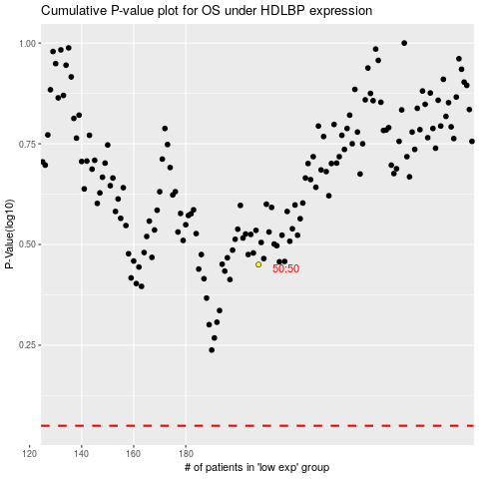

 |  |  |  |  |  | cases_OS | p_OS | rank | exp
 |  |  |  |  |  |  | cases_RFS | p_RFS | rank | exp

