HEATR1 _multivariate
Reported by Tex Li-Hsing Chi. tex@gate.sinica.edu.tw 2019-08-19

Table 2. The clinicopathological features of HNSCC cohort and HEATR1 expression. (Chi square test)
Cutoff at -0.043 (49.8%)
 |  | HEATR1 expression |  | HEATR1 expression |  | (Optimised)
 | Features | Low | (%) | High | (%) | Case no | P-value | Remark | Matthews
Gender | Female | 147 | 35.4 | 159 | 38.3 | 415 | 0.2523 | 0 | 0
2 | Male | 60 | 14.5 | 49 | 11.8
Age at diagnosis | <=65y | 135 | 32.5 | 139 | 33.5 | 415 | 0.8084 | 0 | 0
4 | >65y | 72 | 17.3 | 69 | 16.6
Clinical T Status | T1+T2 | 87 | 21 | 62 | 14.9 | 415 | 0.0127 | 1 | 0
6 | T3+T4 | 120 | 28.9 | 146 | 35.2
Clinical N Status | N0 | 114 | 27.5 | 102 | 24.6 | 415 | 0.2576 | 1 | 0
8 | N1-3 | 93 | 22.4 | 106 | 25.5
Clinical M Status | M0 | 205 | 49.4 | 207 | 49.9 | 415 | 0.6232 | 0 | 0
10 | M1 | 2 | 0.5 | 1 | 0.2
Clinical Stage | Stage I+II | 57 | 13.7 | 45 | 10.8 | 415 | 0.1998 | 0 | 0
12 | Stage III+IV | 150 | 36.1 | 163 | 39.3
Surgical Margin status | Negative | 145 | 34.9 | 173 | 41.7 | 415 | 0.0017 | 1 | 0
14 | Positive | 62 | 14.9 | 35 | 8.4
Tobacco Exposure | Low | 100 | 24.1 | 61 | 14.7 | 415 | 1e-04 | 1 | 0
16 | High | 107 | 25.8 | 147 | 35.4

Table 3. Univariate/Multivariate Cox's proportional hazards regression analyses on OS time of HEATR1 gene expression in HNSCC

 |  | Univariate |  |  |  | Multivariate
 | Features | HR | CI95%(L) | CI95%(H) | P-value | HR | CI95%(L) | CI95%(H) | P-value
1 | Female | 1 |  |  |  | 1
Gender | Male | 1.157 | 0.843 | 1.587 | 0.367 | 1.222 | 0.875 | 1.709 | 0.24
11 | <=65y | 1 |  |  |  | 1
Age at diagnosis | >65y | 1.329 | 0.99 | 1.784 | 0.058 | 1.385 | 1.019 | 1.882 | 0.038
12 | T1+T2 | 1 |  |  |  | 1
Clinical T Status | T3+T4 | 1.409 | 1.028 | 1.931 | 0.033 | 2.132 | 1.126 | 4.037 | 0.02
13 | N0 | 1 |  |  |  | 1
Clinical N Status | N1-3 | 1.185 | 0.89 | 1.577 | 0.246 | 1.225 | 0.858 | 1.751 | 0.264
14 | M0 | 1 |  |  |  | 1
Clinical M Status | M1 | 4.097 | 1.009 | 16.644 | 0.049 | 9.815 | 2.137 | 45.076 | 0.003
15 | Stage I+II | 1 |  |  |  | 1
Clinical Stage | Stage III+IV | 1.245 | 0.882 | 1.759 | 0.213 | 0.512 | 0.239 | 1.099 | 0.086
16 | Negative | 1 |  |  |  | 1
Surgical Margin status | Positive | 1.591 | 1.155 | 2.191 | 0.004 | 1.726 | 1.244 | 2.395 | 0.001
17 | Low | 1 |  |  |  | 1
Tobacco Exposure | High | 1.364 | 1.008 | 1.844 | 0.044 | 1.427 | 1.036 | 1.967 | 0.03
18 | Low | 1 |  |  |  | 1
RNAseq(z-score) | High | 1.2 | 0.898 | 1.604 | 0.217 | 1.199 | 0.887 | 1.622 | 0.238

Table 4. Univariate/Multivariate Cox's proportional hazards regression analyses on RFS time of HEATR1 gene expression in HNSCC

 |  | Univariate |  |  |  | Multivariate
 | Features | HR | CI95%(L) | CI95%(H) | P-value | HR | CI95%(L) | CI95%(H) | P-value
1 | Female | 1 |  |  |  | 1
Gender | Male | 1.157 | 0.843 | 1.587 | 0.367 | 1.222 | 0.875 | 1.709 | 0.24
11 | <=65y | 1 |  |  |  | 1
Age at diagnosis | >65y | 1.329 | 0.99 | 1.784 | 0.058 | 1.385 | 1.019 | 1.882 | 0.038
12 | T1+T2 | 1 |  |  |  | 1
Clinical T Status | T3+T4 | 1.409 | 1.028 | 1.931 | 0.033 | 2.132 | 1.126 | 4.037 | 0.02
13 | N0 | 1 |  |  |  | 1
Clinical N Status | N1-3 | 1.185 | 0.89 | 1.577 | 0.246 | 1.225 | 0.858 | 1.751 | 0.264
14 | M0 | 1 |  |  |  | 1
Clinical M Status | M1 | 4.097 | 1.009 | 16.644 | 0.049 | 9.815 | 2.137 | 45.076 | 0.003
15 | Stage I+II | 1 |  |  |  | 1
Clinical Stage | Stage III+IV | 1.245 | 0.882 | 1.759 | 0.213 | 0.512 | 0.239 | 1.099 | 0.086
16 | Negative | 1 |  |  |  | 1
Surgical Margin status | Positive | 1.591 | 1.155 | 2.191 | 0.004 | 1.726 | 1.244 | 2.395 | 0.001
17 | Low | 1 |  |  |  | 1
Tobacco Exposure | High | 1.364 | 1.008 | 1.844 | 0.044 | 1.427 | 1.036 | 1.967 | 0.03
18 | Low | 1 |  |  |  | 1
RNAseq(z-score) | High | 1.2 | 0.898 | 1.604 | 0.217 | 1.199 | 0.887 | 1.622 | 0.238

Kaplan-Meier survival estimate: Cutoff at -0.043 (49.8%)



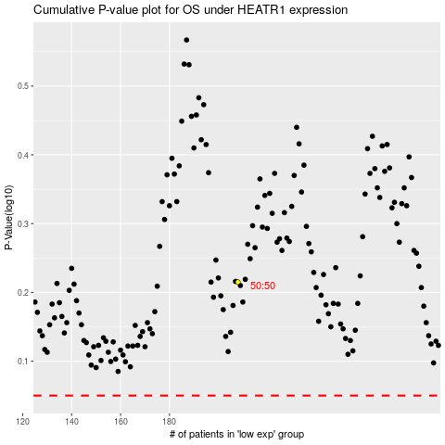

 |  |  |  |  |  | cases_OS | p_OS | rank | exp
 |  |  |  |  |  |  | cases_RFS | p_RFS | rank | exp

