HEATR6 _multivariate
Reported by Tex Li-Hsing Chi. tex@gate.sinica.edu.tw 2019-08-19

Table 2. The clinicopathological features of HNSCC cohort and HEATR6 expression. (Chi square test)
Cutoff at 0.027 (49.8%)
 |  | HEATR6 expression |  | HEATR6 expression |  | (Optimised)
 | Features | Low | (%) | High | (%) | Case no | P-value | Remark | Matthews
Gender | Female | 157 | 37.8 | 149 | 35.9 | 415 | 0.3881 | 0 | 0
2 | Male | 50 | 12 | 59 | 14.2
Age at diagnosis | <=65y | 140 | 33.7 | 134 | 32.3 | 415 | 0.5574 | 0 | 0
4 | >65y | 67 | 16.1 | 74 | 17.8
Clinical T Status | T1+T2 | 74 | 17.8 | 75 | 18.1 | 415 | 1 | 0 | 0
6 | T3+T4 | 133 | 32 | 133 | 32
Clinical N Status | N0 | 101 | 24.3 | 115 | 27.7 | 415 | 0.2201 | 0 | 0
8 | N1-3 | 106 | 25.5 | 93 | 22.4
Clinical M Status | M0 | 206 | 49.6 | 206 | 49.6 | 415 | 1 | 0 | 0
10 | M1 | 1 | 0.2 | 2 | 0.5
Clinical Stage | Stage I+II | 50 | 12 | 52 | 12.5 | 415 | 0.9315 | 0 | 0
12 | Stage III+IV | 157 | 37.8 | 156 | 37.6
Surgical Margin status | Negative | 164 | 39.5 | 154 | 37.1 | 415 | 0.2462 | 0 | 0
14 | Positive | 43 | 10.4 | 54 | 13
Tobacco Exposure | Low | 80 | 19.3 | 81 | 19.5 | 415 | 1 | 0 | 0
16 | High | 127 | 30.6 | 127 | 30.6

Table 3. Univariate/Multivariate Cox's proportional hazards regression analyses on OS time of HEATR6 gene expression in HNSCC

 |  | Univariate |  |  |  | Multivariate
 | Features | HR | CI95%(L) | CI95%(H) | P-value | HR | CI95%(L) | CI95%(H) | P-value
1 | Female | 1 |  |  |  | 1
Gender | Male | 1.157 | 0.843 | 1.587 | 0.367 | 1.202 | 0.86 | 1.678 | 0.281
11 | <=65y | 1 |  |  |  | 1
Age at diagnosis | >65y | 1.329 | 0.99 | 1.784 | 0.058 | 1.396 | 1.026 | 1.899 | 0.034
12 | T1+T2 | 1 |  |  |  | 1
Clinical T Status | T3+T4 | 1.409 | 1.028 | 1.931 | 0.033 | 2.198 | 1.162 | 4.156 | 0.015
13 | N0 | 1 |  |  |  | 1
Clinical N Status | N1-3 | 1.185 | 0.89 | 1.577 | 0.246 | 1.236 | 0.866 | 1.766 | 0.243
14 | M0 | 1 |  |  |  | 1
Clinical M Status | M1 | 4.097 | 1.009 | 16.644 | 0.049 | 9.43 | 2.057 | 43.23 | 0.004
15 | Stage I+II | 1 |  |  |  | 1
Clinical Stage | Stage III+IV | 1.245 | 0.882 | 1.759 | 0.213 | 0.507 | 0.236 | 1.089 | 0.082
16 | Negative | 1 |  |  |  | 1
Surgical Margin status | Positive | 1.591 | 1.155 | 2.191 | 0.004 | 1.669 | 1.208 | 2.306 | 0.002
17 | Low | 1 |  |  |  | 1
Tobacco Exposure | High | 1.364 | 1.008 | 1.844 | 0.044 | 1.454 | 1.055 | 2.002 | 0.022
18 | Low | 1 |  |  |  | 1
RNAseq(z-score) | High | 0.967 | 0.726 | 1.288 | 0.818 | 0.965 | 0.722 | 1.289 | 0.81

Table 4. Univariate/Multivariate Cox's proportional hazards regression analyses on RFS time of HEATR6 gene expression in HNSCC

 |  | Univariate |  |  |  | Multivariate
 | Features | HR | CI95%(L) | CI95%(H) | P-value | HR | CI95%(L) | CI95%(H) | P-value
1 | Female | 1 |  |  |  | 1
Gender | Male | 1.157 | 0.843 | 1.587 | 0.367 | 1.202 | 0.86 | 1.678 | 0.281
11 | <=65y | 1 |  |  |  | 1
Age at diagnosis | >65y | 1.329 | 0.99 | 1.784 | 0.058 | 1.396 | 1.026 | 1.899 | 0.034
12 | T1+T2 | 1 |  |  |  | 1
Clinical T Status | T3+T4 | 1.409 | 1.028 | 1.931 | 0.033 | 2.198 | 1.162 | 4.156 | 0.015
13 | N0 | 1 |  |  |  | 1
Clinical N Status | N1-3 | 1.185 | 0.89 | 1.577 | 0.246 | 1.236 | 0.866 | 1.766 | 0.243
14 | M0 | 1 |  |  |  | 1
Clinical M Status | M1 | 4.097 | 1.009 | 16.644 | 0.049 | 9.43 | 2.057 | 43.23 | 0.004
15 | Stage I+II | 1 |  |  |  | 1
Clinical Stage | Stage III+IV | 1.245 | 0.882 | 1.759 | 0.213 | 0.507 | 0.236 | 1.089 | 0.082
16 | Negative | 1 |  |  |  | 1
Surgical Margin status | Positive | 1.591 | 1.155 | 2.191 | 0.004 | 1.669 | 1.208 | 2.306 | 0.002
17 | Low | 1 |  |  |  | 1
Tobacco Exposure | High | 1.364 | 1.008 | 1.844 | 0.044 | 1.454 | 1.055 | 2.002 | 0.022
18 | Low | 1 |  |  |  | 1
RNAseq(z-score) | High | 0.967 | 0.726 | 1.288 | 0.818 | 0.965 | 0.722 | 1.289 | 0.81

Kaplan-Meier survival estimate: Cutoff at 0.027 (49.8%)



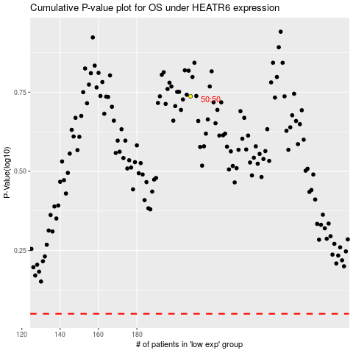

 |  |  |  |  |  | cases_OS | p_OS | rank | exp
 |  |  |  |  |  |  | cases_RFS | p_RFS | rank | exp

