HEBP1 _multivariate
Reported by Tex Li-Hsing Chi. tex@gate.sinica.edu.tw 2019-08-19

Table 2. The clinicopathological features of HNSCC cohort and HEBP1 expression. (Chi square test)
Cutoff at -0.159 (49.8%)
 |  | HEBP1 expression |  | HEBP1 expression |  | (Optimised)
 | Features | Low | (%) | High | (%) | Case no | P-value | Remark | Matthews
Gender | Female | 153 | 36.9 | 153 | 36.9 | 415 | 1 | 0 | 0
2 | Male | 54 | 13 | 55 | 13.3
Age at diagnosis | <=65y | 140 | 33.7 | 134 | 32.3 | 415 | 0.5574 | 0 | 0
4 | >65y | 67 | 16.1 | 74 | 17.8
Clinical T Status | T1+T2 | 78 | 18.8 | 71 | 17.1 | 415 | 0.5152 | 0 | 0
6 | T3+T4 | 129 | 31.1 | 137 | 33
Clinical N Status | N0 | 109 | 26.3 | 107 | 25.8 | 415 | 0.8812 | 0 | 0
8 | N1-3 | 98 | 23.6 | 101 | 24.3
Clinical M Status | M0 | 206 | 49.6 | 206 | 49.6 | 415 | 1 | 0 | 0
10 | M1 | 1 | 0.2 | 2 | 0.5
Clinical Stage | Stage I+II | 54 | 13 | 48 | 11.6 | 415 | 0.5498 | 0 | 0
12 | Stage III+IV | 153 | 36.9 | 160 | 38.6
Surgical Margin status | Negative | 159 | 38.3 | 159 | 38.3 | 415 | 1 | 0 | 0
14 | Positive | 48 | 11.6 | 49 | 11.8
Tobacco Exposure | Low | 84 | 20.2 | 77 | 18.6 | 415 | 0.4816 | 0 | 0
16 | High | 123 | 29.6 | 131 | 31.6

Table 3. Univariate/Multivariate Cox's proportional hazards regression analyses on OS time of HEBP1 gene expression in HNSCC

 |  | Univariate |  |  |  | Multivariate
 | Features | HR | CI95%(L) | CI95%(H) | P-value | HR | CI95%(L) | CI95%(H) | P-value
1 | Female | 1 |  |  |  | 1
Gender | Male | 1.157 | 0.843 | 1.587 | 0.367 | 1.209 | 0.865 | 1.689 | 0.267
11 | <=65y | 1 |  |  |  | 1
Age at diagnosis | >65y | 1.329 | 0.99 | 1.784 | 0.058 | 1.398 | 1.028 | 1.9 | 0.032
12 | T1+T2 | 1 |  |  |  | 1
Clinical T Status | T3+T4 | 1.409 | 1.028 | 1.931 | 0.033 | 2.162 | 1.144 | 4.087 | 0.018
13 | N0 | 1 |  |  |  | 1
Clinical N Status | N1-3 | 1.185 | 0.89 | 1.577 | 0.246 | 1.227 | 0.859 | 1.753 | 0.26
14 | M0 | 1 |  |  |  | 1
Clinical M Status | M1 | 4.097 | 1.009 | 16.644 | 0.049 | 9.089 | 1.982 | 41.686 | 0.005
15 | Stage I+II | 1 |  |  |  | 1
Clinical Stage | Stage III+IV | 1.245 | 0.882 | 1.759 | 0.213 | 0.515 | 0.24 | 1.105 | 0.089
16 | Negative | 1 |  |  |  | 1
Surgical Margin status | Positive | 1.591 | 1.155 | 2.191 | 0.004 | 1.666 | 1.206 | 2.303 | 0.002
17 | Low | 1 |  |  |  | 1
Tobacco Exposure | High | 1.364 | 1.008 | 1.844 | 0.044 | 1.436 | 1.041 | 1.98 | 0.027
18 | Low | 1 |  |  |  | 1
RNAseq(z-score) | High | 1.279 | 0.959 | 1.706 | 0.094 | 1.232 | 0.922 | 1.645 | 0.158

Table 4. Univariate/Multivariate Cox's proportional hazards regression analyses on RFS time of HEBP1 gene expression in HNSCC

 |  | Univariate |  |  |  | Multivariate
 | Features | HR | CI95%(L) | CI95%(H) | P-value | HR | CI95%(L) | CI95%(H) | P-value
1 | Female | 1 |  |  |  | 1
Gender | Male | 1.157 | 0.843 | 1.587 | 0.367 | 1.209 | 0.865 | 1.689 | 0.267
11 | <=65y | 1 |  |  |  | 1
Age at diagnosis | >65y | 1.329 | 0.99 | 1.784 | 0.058 | 1.398 | 1.028 | 1.9 | 0.032
12 | T1+T2 | 1 |  |  |  | 1
Clinical T Status | T3+T4 | 1.409 | 1.028 | 1.931 | 0.033 | 2.162 | 1.144 | 4.087 | 0.018
13 | N0 | 1 |  |  |  | 1
Clinical N Status | N1-3 | 1.185 | 0.89 | 1.577 | 0.246 | 1.227 | 0.859 | 1.753 | 0.26
14 | M0 | 1 |  |  |  | 1
Clinical M Status | M1 | 4.097 | 1.009 | 16.644 | 0.049 | 9.089 | 1.982 | 41.686 | 0.005
15 | Stage I+II | 1 |  |  |  | 1
Clinical Stage | Stage III+IV | 1.245 | 0.882 | 1.759 | 0.213 | 0.515 | 0.24 | 1.105 | 0.089
16 | Negative | 1 |  |  |  | 1
Surgical Margin status | Positive | 1.591 | 1.155 | 2.191 | 0.004 | 1.666 | 1.206 | 2.303 | 0.002
17 | Low | 1 |  |  |  | 1
Tobacco Exposure | High | 1.364 | 1.008 | 1.844 | 0.044 | 1.436 | 1.041 | 1.98 | 0.027
18 | Low | 1 |  |  |  | 1
RNAseq(z-score) | High | 1.279 | 0.959 | 1.706 | 0.094 | 1.232 | 0.922 | 1.645 | 0.158

Kaplan-Meier survival estimate: Cutoff at -0.159 (49.8%)



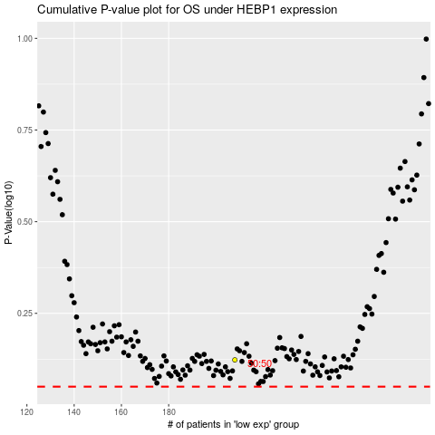

 |  |  |  |  |  | cases_OS | p_OS | rank | exp
 |  |  |  |  |  |  | cases_RFS | p_RFS | rank | exp

