HEBP2 _multivariate
Reported by Tex Li-Hsing Chi. tex@gate.sinica.edu.tw 2019-08-19

Table 2. The clinicopathological features of HNSCC cohort and HEBP2 expression. (Chi square test)
Cutoff at -0.284 (50.0%)
 |  | HEBP2 expression |  | HEBP2 expression |  | (Optimised)
 | Features | Low | (%) | High | (%) | Case no | P-value | Remark | Matthews
Gender | Female | 157 | 37.8 | 149 | 35.9 | 415 | 0.3881 | 0 | 0
2 | Male | 50 | 12 | 59 | 14.2
Age at diagnosis | <=65y | 147 | 35.4 | 127 | 30.6 | 415 | 0.0416 | 1 | 0
4 | >65y | 60 | 14.5 | 81 | 19.5
Clinical T Status | T1+T2 | 71 | 17.1 | 78 | 18.8 | 415 | 0.5638 | 0 | 0
6 | T3+T4 | 136 | 32.8 | 130 | 31.3
Clinical N Status | N0 | 94 | 22.7 | 122 | 29.4 | 415 | 0.0093 | 1 | 0
8 | N1-3 | 113 | 27.2 | 86 | 20.7
Clinical M Status | M0 | 204 | 49.2 | 208 | 50.1 | 415 | 0.1232 | 0 | 0
10 | M1 | 3 | 0.7 | 0 | 0
Clinical Stage | Stage I+II | 44 | 10.6 | 58 | 14 | 415 | 0.1459 | 0 | 0
12 | Stage III+IV | 163 | 39.3 | 150 | 36.1
Surgical Margin status | Negative | 167 | 40.2 | 151 | 36.4 | 415 | 0.0632 | 0 | 0
14 | Positive | 40 | 9.6 | 57 | 13.7
Tobacco Exposure | Low | 69 | 16.6 | 92 | 22.2 | 415 | 0.0266 | 1 | 0
16 | High | 138 | 33.3 | 116 | 28

Table 3. Univariate/Multivariate Cox's proportional hazards regression analyses on OS time of HEBP2 gene expression in HNSCC

 |  | Univariate |  |  |  | Multivariate
 | Features | HR | CI95%(L) | CI95%(H) | P-value | HR | CI95%(L) | CI95%(H) | P-value
1 | Female | 1 |  |  |  | 1
Gender | Male | 1.157 | 0.843 | 1.587 | 0.367 | 1.198 | 0.858 | 1.674 | 0.289
11 | <=65y | 1 |  |  |  | 1
Age at diagnosis | >65y | 1.329 | 0.99 | 1.784 | 0.058 | 1.384 | 1.017 | 1.883 | 0.039
12 | T1+T2 | 1 |  |  |  | 1
Clinical T Status | T3+T4 | 1.409 | 1.028 | 1.931 | 0.033 | 2.207 | 1.167 | 4.173 | 0.015
13 | N0 | 1 |  |  |  | 1
Clinical N Status | N1-3 | 1.185 | 0.89 | 1.577 | 0.246 | 1.247 | 0.873 | 1.78 | 0.225
14 | M0 | 1 |  |  |  | 1
Clinical M Status | M1 | 4.097 | 1.009 | 16.644 | 0.049 | 9.705 | 2.103 | 44.789 | 0.004
15 | Stage I+II | 1 |  |  |  | 1
Clinical Stage | Stage III+IV | 1.245 | 0.882 | 1.759 | 0.213 | 0.502 | 0.234 | 1.078 | 0.077
16 | Negative | 1 |  |  |  | 1
Surgical Margin status | Positive | 1.591 | 1.155 | 2.191 | 0.004 | 1.663 | 1.202 | 2.3 | 0.002
17 | Low | 1 |  |  |  | 1
Tobacco Exposure | High | 1.364 | 1.008 | 1.844 | 0.044 | 1.46 | 1.059 | 2.013 | 0.021
18 | Low | 1 |  |  |  | 1
RNAseq(z-score) | High | 1.063 | 0.798 | 1.416 | 0.677 | 1.067 | 0.796 | 1.431 | 0.663

Table 4. Univariate/Multivariate Cox's proportional hazards regression analyses on RFS time of HEBP2 gene expression in HNSCC

 |  | Univariate |  |  |  | Multivariate
 | Features | HR | CI95%(L) | CI95%(H) | P-value | HR | CI95%(L) | CI95%(H) | P-value
1 | Female | 1 |  |  |  | 1
Gender | Male | 1.157 | 0.843 | 1.587 | 0.367 | 1.198 | 0.858 | 1.674 | 0.289
11 | <=65y | 1 |  |  |  | 1
Age at diagnosis | >65y | 1.329 | 0.99 | 1.784 | 0.058 | 1.384 | 1.017 | 1.883 | 0.039
12 | T1+T2 | 1 |  |  |  | 1
Clinical T Status | T3+T4 | 1.409 | 1.028 | 1.931 | 0.033 | 2.207 | 1.167 | 4.173 | 0.015
13 | N0 | 1 |  |  |  | 1
Clinical N Status | N1-3 | 1.185 | 0.89 | 1.577 | 0.246 | 1.247 | 0.873 | 1.78 | 0.225
14 | M0 | 1 |  |  |  | 1
Clinical M Status | M1 | 4.097 | 1.009 | 16.644 | 0.049 | 9.705 | 2.103 | 44.789 | 0.004
15 | Stage I+II | 1 |  |  |  | 1
Clinical Stage | Stage III+IV | 1.245 | 0.882 | 1.759 | 0.213 | 0.502 | 0.234 | 1.078 | 0.077
16 | Negative | 1 |  |  |  | 1
Surgical Margin status | Positive | 1.591 | 1.155 | 2.191 | 0.004 | 1.663 | 1.202 | 2.3 | 0.002
17 | Low | 1 |  |  |  | 1
Tobacco Exposure | High | 1.364 | 1.008 | 1.844 | 0.044 | 1.46 | 1.059 | 2.013 | 0.021
18 | Low | 1 |  |  |  | 1
RNAseq(z-score) | High | 1.063 | 0.798 | 1.416 | 0.677 | 1.067 | 0.796 | 1.431 | 0.663

Kaplan-Meier survival estimate: Cutoff at -0.284 (50.0%)

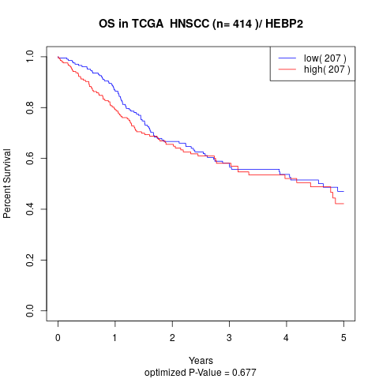

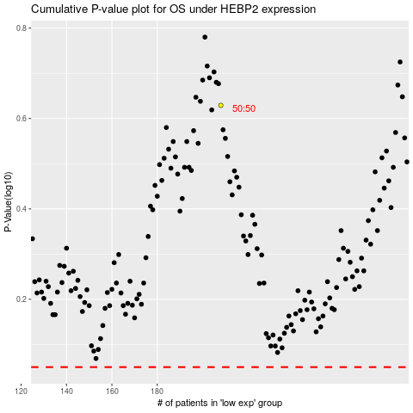

 |  |  |  |  |  | cases_OS | p_OS | rank | exp
 |  |  |  |  |  |  | cases_RFS | p_RFS | rank | exp

