HECTD3 _multivariate
Reported by Tex Li-Hsing Chi. tex@gate.sinica.edu.tw 2019-08-19

Table 2. The clinicopathological features of HNSCC cohort and HECTD3 expression. (Chi square test)
Cutoff at -0.047 (50.0%)
 |  | HECTD3 expression |  | HECTD3 expression |  | (Optimised)
 | Features | Low | (%) | High | (%) | Case no | P-value | Remark | Matthews
Gender | Female | 156 | 37.6 | 150 | 36.1 | 415 | 0.5222 | 0 | 0
2 | Male | 51 | 12.3 | 58 | 14
Age at diagnosis | <=65y | 136 | 32.8 | 138 | 33.3 | 415 | 0.9719 | 0 | 0
4 | >65y | 71 | 17.1 | 70 | 16.9
Clinical T Status | T1+T2 | 68 | 16.4 | 81 | 19.5 | 415 | 0.2336 | 0 | 0
6 | T3+T4 | 139 | 33.5 | 127 | 30.6
Clinical N Status | N0 | 104 | 25.1 | 112 | 27 | 415 | 0.5243 | 0 | 0
8 | N1-3 | 103 | 24.8 | 96 | 23.1
Clinical M Status | M0 | 207 | 49.9 | 205 | 49.4 | 415 | 0.2482 | 0 | 0
10 | M1 | 0 | 0 | 3 | 0.7
Clinical Stage | Stage I+II | 43 | 10.4 | 59 | 14.2 | 415 | 0.0925 | 0 | 0
12 | Stage III+IV | 164 | 39.5 | 149 | 35.9
Surgical Margin status | Negative | 151 | 36.4 | 167 | 40.2 | 415 | 0.0828 | 0 | 0
14 | Positive | 56 | 13.5 | 41 | 9.9
Tobacco Exposure | Low | 67 | 16.1 | 94 | 22.7 | 415 | 0.0088 | 1 | 0
16 | High | 140 | 33.7 | 114 | 27.5

Table 3. Univariate/Multivariate Cox's proportional hazards regression analyses on OS time of HECTD3 gene expression in HNSCC

 |  | Univariate |  |  |  | Multivariate
 | Features | HR | CI95%(L) | CI95%(H) | P-value | HR | CI95%(L) | CI95%(H) | P-value
1 | Female | 1 |  |  |  | 1
Gender | Male | 1.157 | 0.843 | 1.587 | 0.367 | 1.187 | 0.849 | 1.66 | 0.317
11 | <=65y | 1 |  |  |  | 1
Age at diagnosis | >65y | 1.329 | 0.99 | 1.784 | 0.058 | 1.389 | 1.022 | 1.889 | 0.036
12 | T1+T2 | 1 |  |  |  | 1
Clinical T Status | T3+T4 | 1.409 | 1.028 | 1.931 | 0.033 | 2.167 | 1.145 | 4.1 | 0.017
13 | N0 | 1 |  |  |  | 1
Clinical N Status | N1-3 | 1.185 | 0.89 | 1.577 | 0.246 | 1.233 | 0.865 | 1.759 | 0.247
14 | M0 | 1 |  |  |  | 1
Clinical M Status | M1 | 4.097 | 1.009 | 16.644 | 0.049 | 8.587 | 1.854 | 39.761 | 0.006
15 | Stage I+II | 1 |  |  |  | 1
Clinical Stage | Stage III+IV | 1.245 | 0.882 | 1.759 | 0.213 | 0.522 | 0.243 | 1.125 | 0.097
16 | Negative | 1 |  |  |  | 1
Surgical Margin status | Positive | 1.591 | 1.155 | 2.191 | 0.004 | 1.684 | 1.219 | 2.326 | 0.002
17 | Low | 1 |  |  |  | 1
Tobacco Exposure | High | 1.364 | 1.008 | 1.844 | 0.044 | 1.467 | 1.064 | 2.022 | 0.019
18 | Low | 1 |  |  |  | 1
RNAseq(z-score) | High | 1.134 | 0.85 | 1.513 | 0.393 | 1.157 | 0.862 | 1.553 | 0.332

Table 4. Univariate/Multivariate Cox's proportional hazards regression analyses on RFS time of HECTD3 gene expression in HNSCC

 |  | Univariate |  |  |  | Multivariate
 | Features | HR | CI95%(L) | CI95%(H) | P-value | HR | CI95%(L) | CI95%(H) | P-value
1 | Female | 1 |  |  |  | 1
Gender | Male | 1.157 | 0.843 | 1.587 | 0.367 | 1.187 | 0.849 | 1.66 | 0.317
11 | <=65y | 1 |  |  |  | 1
Age at diagnosis | >65y | 1.329 | 0.99 | 1.784 | 0.058 | 1.389 | 1.022 | 1.889 | 0.036
12 | T1+T2 | 1 |  |  |  | 1
Clinical T Status | T3+T4 | 1.409 | 1.028 | 1.931 | 0.033 | 2.167 | 1.145 | 4.1 | 0.017
13 | N0 | 1 |  |  |  | 1
Clinical N Status | N1-3 | 1.185 | 0.89 | 1.577 | 0.246 | 1.233 | 0.865 | 1.759 | 0.247
14 | M0 | 1 |  |  |  | 1
Clinical M Status | M1 | 4.097 | 1.009 | 16.644 | 0.049 | 8.587 | 1.854 | 39.761 | 0.006
15 | Stage I+II | 1 |  |  |  | 1
Clinical Stage | Stage III+IV | 1.245 | 0.882 | 1.759 | 0.213 | 0.522 | 0.243 | 1.125 | 0.097
16 | Negative | 1 |  |  |  | 1
Surgical Margin status | Positive | 1.591 | 1.155 | 2.191 | 0.004 | 1.684 | 1.219 | 2.326 | 0.002
17 | Low | 1 |  |  |  | 1
Tobacco Exposure | High | 1.364 | 1.008 | 1.844 | 0.044 | 1.467 | 1.064 | 2.022 | 0.019
18 | Low | 1 |  |  |  | 1
RNAseq(z-score) | High | 1.134 | 0.85 | 1.513 | 0.393 | 1.157 | 0.862 | 1.553 | 0.332

Kaplan-Meier survival estimate: Cutoff at -0.047 (50.0%)



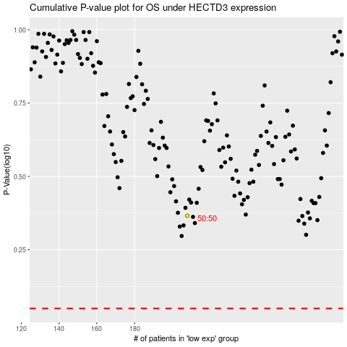

 |  |  |  |  |  | cases_OS | p_OS | rank | exp
 |  |  |  |  |  |  | cases_RFS | p_RFS | rank | exp

