HECW1 _multivariate
Reported by Tex Li-Hsing Chi. tex@gate.sinica.edu.tw 2019-08-19

Table 2. The clinicopathological features of HNSCC cohort and HECW1 expression. (Chi square test)
Cutoff at -0.323 (49.8%)
 |  | HECW1 expression |  | HECW1 expression |  | (Optimised)
 | Features | Low | (%) | High | (%) | Case no | P-value | Remark | Matthews
Gender | Female | 158 | 38.1 | 148 | 35.7 | 415 | 0.2774 | 0 | 0
2 | Male | 49 | 11.8 | 60 | 14.5
Age at diagnosis | <=65y | 145 | 34.9 | 129 | 31.1 | 415 | 0.1046 | 0 | 0
4 | >65y | 62 | 14.9 | 79 | 19
Clinical T Status | T1+T2 | 67 | 16.1 | 82 | 19.8 | 415 | 0.1628 | 0 | 0
6 | T3+T4 | 140 | 33.7 | 126 | 30.4
Clinical N Status | N0 | 94 | 22.7 | 122 | 29.4 | 415 | 0.0093 | 1 | 0
8 | N1-3 | 113 | 27.2 | 86 | 20.7
Clinical M Status | M0 | 205 | 49.4 | 207 | 49.9 | 415 | 0.6232 | 0 | 0
10 | M1 | 2 | 0.5 | 1 | 0.2
Clinical Stage | Stage I+II | 36 | 8.7 | 66 | 15.9 | 415 | 0.001 | 1 | 0
12 | Stage III+IV | 171 | 41.2 | 142 | 34.2
Surgical Margin status | Negative | 151 | 36.4 | 167 | 40.2 | 415 | 0.0828 | 0 | 0
14 | Positive | 56 | 13.5 | 41 | 9.9
Tobacco Exposure | Low | 73 | 17.6 | 88 | 21.2 | 415 | 0.1587 | 0 | 0
16 | High | 134 | 32.3 | 120 | 28.9

Table 3. Univariate/Multivariate Cox's proportional hazards regression analyses on OS time of HECW1 gene expression in HNSCC

 |  | Univariate |  |  |  | Multivariate
 | Features | HR | CI95%(L) | CI95%(H) | P-value | HR | CI95%(L) | CI95%(H) | P-value
1 | Female | 1 |  |  |  | 1
Gender | Male | 1.157 | 0.843 | 1.587 | 0.367 | 1.203 | 0.861 | 1.68 | 0.28
11 | <=65y | 1 |  |  |  | 1
Age at diagnosis | >65y | 1.329 | 0.99 | 1.784 | 0.058 | 1.388 | 1.02 | 1.889 | 0.037
12 | T1+T2 | 1 |  |  |  | 1
Clinical T Status | T3+T4 | 1.409 | 1.028 | 1.931 | 0.033 | 2.19 | 1.155 | 4.152 | 0.016
13 | N0 | 1 |  |  |  | 1
Clinical N Status | N1-3 | 1.185 | 0.89 | 1.577 | 0.246 | 1.239 | 0.868 | 1.768 | 0.238
14 | M0 | 1 |  |  |  | 1
Clinical M Status | M1 | 4.097 | 1.009 | 16.644 | 0.049 | 9.371 | 2.043 | 42.977 | 0.004
15 | Stage I+II | 1 |  |  |  | 1
Clinical Stage | Stage III+IV | 1.245 | 0.882 | 1.759 | 0.213 | 0.51 | 0.236 | 1.106 | 0.088
16 | Negative | 1 |  |  |  | 1
Surgical Margin status | Positive | 1.591 | 1.155 | 2.191 | 0.004 | 1.67 | 1.208 | 2.308 | 0.002
17 | Low | 1 |  |  |  | 1
Tobacco Exposure | High | 1.364 | 1.008 | 1.844 | 0.044 | 1.453 | 1.055 | 2.001 | 0.022
18 | Low | 1 |  |  |  | 1
RNAseq(z-score) | High | 1.049 | 0.787 | 1.397 | 0.745 | 1.028 | 0.767 | 1.378 | 0.853

Table 4. Univariate/Multivariate Cox's proportional hazards regression analyses on RFS time of HECW1 gene expression in HNSCC

 |  | Univariate |  |  |  | Multivariate
 | Features | HR | CI95%(L) | CI95%(H) | P-value | HR | CI95%(L) | CI95%(H) | P-value
1 | Female | 1 |  |  |  | 1
Gender | Male | 1.157 | 0.843 | 1.587 | 0.367 | 1.203 | 0.861 | 1.68 | 0.28
11 | <=65y | 1 |  |  |  | 1
Age at diagnosis | >65y | 1.329 | 0.99 | 1.784 | 0.058 | 1.388 | 1.02 | 1.889 | 0.037
12 | T1+T2 | 1 |  |  |  | 1
Clinical T Status | T3+T4 | 1.409 | 1.028 | 1.931 | 0.033 | 2.19 | 1.155 | 4.152 | 0.016
13 | N0 | 1 |  |  |  | 1
Clinical N Status | N1-3 | 1.185 | 0.89 | 1.577 | 0.246 | 1.239 | 0.868 | 1.768 | 0.238
14 | M0 | 1 |  |  |  | 1
Clinical M Status | M1 | 4.097 | 1.009 | 16.644 | 0.049 | 9.371 | 2.043 | 42.977 | 0.004
15 | Stage I+II | 1 |  |  |  | 1
Clinical Stage | Stage III+IV | 1.245 | 0.882 | 1.759 | 0.213 | 0.51 | 0.236 | 1.106 | 0.088
16 | Negative | 1 |  |  |  | 1
Surgical Margin status | Positive | 1.591 | 1.155 | 2.191 | 0.004 | 1.67 | 1.208 | 2.308 | 0.002
17 | Low | 1 |  |  |  | 1
Tobacco Exposure | High | 1.364 | 1.008 | 1.844 | 0.044 | 1.453 | 1.055 | 2.001 | 0.022
18 | Low | 1 |  |  |  | 1
RNAseq(z-score) | High | 1.049 | 0.787 | 1.397 | 0.745 | 1.028 | 0.767 | 1.378 | 0.853

Kaplan-Meier survival estimate: Cutoff at -0.323 (49.8%)



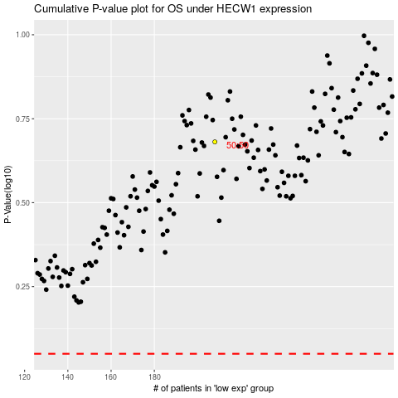

 |  |  |  |  |  | cases_OS | p_OS | rank | exp
 |  |  |  |  |  |  | cases_RFS | p_RFS | rank | exp

