HEG1 _multivariate
Reported by Tex Li-Hsing Chi. tex@gate.sinica.edu.tw 2019-08-19

Table 2. The clinicopathological features of HNSCC cohort and HEG1 expression. (Chi square test)
Cutoff at -0.23 (49.8%)
 |  | HEG1 expression |  | HEG1 expression |  | (Optimised)
 | Features | Low | (%) | High | (%) | Case no | P-value | Remark | Matthews
Gender | Female | 154 | 37.1 | 152 | 36.6 | 415 | 0.8463 | 0 | 0
2 | Male | 53 | 12.8 | 56 | 13.5
Age at diagnosis | <=65y | 141 | 34 | 133 | 32 | 415 | 0.4272 | 0 | 0
4 | >65y | 66 | 15.9 | 75 | 18.1
Clinical T Status | T1+T2 | 73 | 17.6 | 76 | 18.3 | 415 | 0.8666 | 0 | 0
6 | T3+T4 | 134 | 32.3 | 132 | 31.8
Clinical N Status | N0 | 98 | 23.6 | 118 | 28.4 | 415 | 0.0694 | 0 | 0
8 | N1-3 | 109 | 26.3 | 90 | 21.7
Clinical M Status | M0 | 204 | 49.2 | 208 | 50.1 | 415 | 0.1232 | 0 | 0
10 | M1 | 3 | 0.7 | 0 | 0
Clinical Stage | Stage I+II | 45 | 10.8 | 57 | 13.7 | 415 | 0.2202 | 0 | 0
12 | Stage III+IV | 162 | 39 | 151 | 36.4
Surgical Margin status | Negative | 147 | 35.4 | 171 | 41.2 | 415 | 0.0077 | 1 | 0
14 | Positive | 60 | 14.5 | 37 | 8.9
Tobacco Exposure | Low | 81 | 19.5 | 80 | 19.3 | 415 | 0.9199 | 0 | 0
16 | High | 126 | 30.4 | 128 | 30.8

Table 3. Univariate/Multivariate Cox's proportional hazards regression analyses on OS time of HEG1 gene expression in HNSCC

 |  | Univariate |  |  |  | Multivariate
 | Features | HR | CI95%(L) | CI95%(H) | P-value | HR | CI95%(L) | CI95%(H) | P-value
1 | Female | 1 |  |  |  | 1
Gender | Male | 1.157 | 0.843 | 1.587 | 0.367 | 1.201 | 0.86 | 1.679 | 0.282
11 | <=65y | 1 |  |  |  | 1
Age at diagnosis | >65y | 1.329 | 0.99 | 1.784 | 0.058 | 1.393 | 1.024 | 1.894 | 0.035
12 | T1+T2 | 1 |  |  |  | 1
Clinical T Status | T3+T4 | 1.409 | 1.028 | 1.931 | 0.033 | 2.2 | 1.163 | 4.161 | 0.015
13 | N0 | 1 |  |  |  | 1
Clinical N Status | N1-3 | 1.185 | 0.89 | 1.577 | 0.246 | 1.239 | 0.867 | 1.771 | 0.24
14 | M0 | 1 |  |  |  | 1
Clinical M Status | M1 | 4.097 | 1.009 | 16.644 | 0.049 | 9.336 | 2.019 | 43.173 | 0.004
15 | Stage I+II | 1 |  |  |  | 1
Clinical Stage | Stage III+IV | 1.245 | 0.882 | 1.759 | 0.213 | 0.505 | 0.235 | 1.086 | 0.08
16 | Negative | 1 |  |  |  | 1
Surgical Margin status | Positive | 1.591 | 1.155 | 2.191 | 0.004 | 1.667 | 1.201 | 2.315 | 0.002
17 | Low | 1 |  |  |  | 1
Tobacco Exposure | High | 1.364 | 1.008 | 1.844 | 0.044 | 1.453 | 1.054 | 2.002 | 0.022
18 | Low | 1 |  |  |  | 1
RNAseq(z-score) | High | 0.897 | 0.673 | 1.196 | 0.459 | 0.987 | 0.733 | 1.327 | 0.929

Table 4. Univariate/Multivariate Cox's proportional hazards regression analyses on RFS time of HEG1 gene expression in HNSCC

 |  | Univariate |  |  |  | Multivariate
 | Features | HR | CI95%(L) | CI95%(H) | P-value | HR | CI95%(L) | CI95%(H) | P-value
1 | Female | 1 |  |  |  | 1
Gender | Male | 1.157 | 0.843 | 1.587 | 0.367 | 1.201 | 0.86 | 1.679 | 0.282
11 | <=65y | 1 |  |  |  | 1
Age at diagnosis | >65y | 1.329 | 0.99 | 1.784 | 0.058 | 1.393 | 1.024 | 1.894 | 0.035
12 | T1+T2 | 1 |  |  |  | 1
Clinical T Status | T3+T4 | 1.409 | 1.028 | 1.931 | 0.033 | 2.2 | 1.163 | 4.161 | 0.015
13 | N0 | 1 |  |  |  | 1
Clinical N Status | N1-3 | 1.185 | 0.89 | 1.577 | 0.246 | 1.239 | 0.867 | 1.771 | 0.24
14 | M0 | 1 |  |  |  | 1
Clinical M Status | M1 | 4.097 | 1.009 | 16.644 | 0.049 | 9.336 | 2.019 | 43.173 | 0.004
15 | Stage I+II | 1 |  |  |  | 1
Clinical Stage | Stage III+IV | 1.245 | 0.882 | 1.759 | 0.213 | 0.505 | 0.235 | 1.086 | 0.08
16 | Negative | 1 |  |  |  | 1
Surgical Margin status | Positive | 1.591 | 1.155 | 2.191 | 0.004 | 1.667 | 1.201 | 2.315 | 0.002
17 | Low | 1 |  |  |  | 1
Tobacco Exposure | High | 1.364 | 1.008 | 1.844 | 0.044 | 1.453 | 1.054 | 2.002 | 0.022
18 | Low | 1 |  |  |  | 1
RNAseq(z-score) | High | 0.897 | 0.673 | 1.196 | 0.459 | 0.987 | 0.733 | 1.327 | 0.929

Kaplan-Meier survival estimate: Cutoff at -0.23 (49.8%)



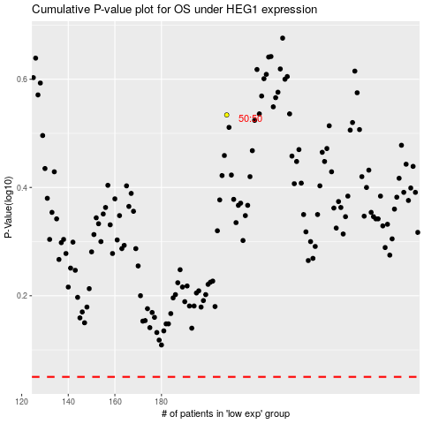

 |  |  |  |  |  | cases_OS | p_OS | rank | exp
 |  |  |  |  |  |  | cases_RFS | p_RFS | rank | exp

