HELLS _multivariate
Reported by Tex Li-Hsing Chi. tex@gate.sinica.edu.tw 2019-08-19

Table 2. The clinicopathological features of HNSCC cohort and HELLS expression. (Chi square test)
Cutoff at -0.205 (49.8%)
 |  | HELLS expression |  | HELLS expression |  | (Optimised)
 | Features | Low | (%) | High | (%) | Case no | P-value | Remark | Matthews
Gender | Female | 141 | 34 | 165 | 39.8 | 415 | 0.013 | 1 | 0
2 | Male | 66 | 15.9 | 43 | 10.4
Age at diagnosis | <=65y | 133 | 32 | 141 | 34 | 415 | 0.5111 | 0 | 0
4 | >65y | 74 | 17.8 | 67 | 16.1
Clinical T Status | T1+T2 | 75 | 18.1 | 74 | 17.8 | 415 | 0.9707 | 0 | 0
6 | T3+T4 | 132 | 31.8 | 134 | 32.3
Clinical N Status | N0 | 114 | 27.5 | 102 | 24.6 | 415 | 0.2576 | 1 | 0
8 | N1-3 | 93 | 22.4 | 106 | 25.5
Clinical M Status | M0 | 205 | 49.4 | 207 | 49.9 | 415 | 0.6232 | 0 | 0
10 | M1 | 2 | 0.5 | 1 | 0.2
Clinical Stage | Stage I+II | 56 | 13.5 | 46 | 11.1 | 415 | 0.2918 | 0 | 0
12 | Stage III+IV | 151 | 36.4 | 162 | 39
Surgical Margin status | Negative | 164 | 39.5 | 154 | 37.1 | 415 | 0.2462 | 0 | 0
14 | Positive | 43 | 10.4 | 54 | 13
Tobacco Exposure | Low | 90 | 21.7 | 71 | 17.1 | 415 | 0.0559 | 0 | 0
16 | High | 117 | 28.2 | 137 | 33

Table 3. Univariate/Multivariate Cox's proportional hazards regression analyses on OS time of HELLS gene expression in HNSCC

 |  | Univariate |  |  |  | Multivariate
 | Features | HR | CI95%(L) | CI95%(H) | P-value | HR | CI95%(L) | CI95%(H) | P-value
1 | Female | 1 |  |  |  | 1
Gender | Male | 1.157 | 0.843 | 1.587 | 0.367 | 1.206 | 0.863 | 1.687 | 0.273
11 | <=65y | 1 |  |  |  | 1
Age at diagnosis | >65y | 1.329 | 0.99 | 1.784 | 0.058 | 1.391 | 1.023 | 1.891 | 0.035
12 | T1+T2 | 1 |  |  |  | 1
Clinical T Status | T3+T4 | 1.409 | 1.028 | 1.931 | 0.033 | 2.217 | 1.17 | 4.201 | 0.015
13 | N0 | 1 |  |  |  | 1
Clinical N Status | N1-3 | 1.185 | 0.89 | 1.577 | 0.246 | 1.241 | 0.87 | 1.771 | 0.233
14 | M0 | 1 |  |  |  | 1
Clinical M Status | M1 | 4.097 | 1.009 | 16.644 | 0.049 | 9.586 | 2.077 | 44.246 | 0.004
15 | Stage I+II | 1 |  |  |  | 1
Clinical Stage | Stage III+IV | 1.245 | 0.882 | 1.759 | 0.213 | 0.5 | 0.232 | 1.077 | 0.077
16 | Negative | 1 |  |  |  | 1
Surgical Margin status | Positive | 1.591 | 1.155 | 2.191 | 0.004 | 1.674 | 1.211 | 2.313 | 0.002
17 | Low | 1 |  |  |  | 1
Tobacco Exposure | High | 1.364 | 1.008 | 1.844 | 0.044 | 1.448 | 1.05 | 1.997 | 0.024
18 | Low | 1 |  |  |  | 1
RNAseq(z-score) | High | 1.01 | 0.757 | 1.347 | 0.947 | 1.039 | 0.775 | 1.393 | 0.799

Table 4. Univariate/Multivariate Cox's proportional hazards regression analyses on RFS time of HELLS gene expression in HNSCC

 |  | Univariate |  |  |  | Multivariate
 | Features | HR | CI95%(L) | CI95%(H) | P-value | HR | CI95%(L) | CI95%(H) | P-value
1 | Female | 1 |  |  |  | 1
Gender | Male | 1.157 | 0.843 | 1.587 | 0.367 | 1.206 | 0.863 | 1.687 | 0.273
11 | <=65y | 1 |  |  |  | 1
Age at diagnosis | >65y | 1.329 | 0.99 | 1.784 | 0.058 | 1.391 | 1.023 | 1.891 | 0.035
12 | T1+T2 | 1 |  |  |  | 1
Clinical T Status | T3+T4 | 1.409 | 1.028 | 1.931 | 0.033 | 2.217 | 1.17 | 4.201 | 0.015
13 | N0 | 1 |  |  |  | 1
Clinical N Status | N1-3 | 1.185 | 0.89 | 1.577 | 0.246 | 1.241 | 0.87 | 1.771 | 0.233
14 | M0 | 1 |  |  |  | 1
Clinical M Status | M1 | 4.097 | 1.009 | 16.644 | 0.049 | 9.586 | 2.077 | 44.246 | 0.004
15 | Stage I+II | 1 |  |  |  | 1
Clinical Stage | Stage III+IV | 1.245 | 0.882 | 1.759 | 0.213 | 0.5 | 0.232 | 1.077 | 0.077
16 | Negative | 1 |  |  |  | 1
Surgical Margin status | Positive | 1.591 | 1.155 | 2.191 | 0.004 | 1.674 | 1.211 | 2.313 | 0.002
17 | Low | 1 |  |  |  | 1
Tobacco Exposure | High | 1.364 | 1.008 | 1.844 | 0.044 | 1.448 | 1.05 | 1.997 | 0.024
18 | Low | 1 |  |  |  | 1
RNAseq(z-score) | High | 1.01 | 0.757 | 1.347 | 0.947 | 1.039 | 0.775 | 1.393 | 0.799

Kaplan-Meier survival estimate: Cutoff at -0.205 (49.8%)



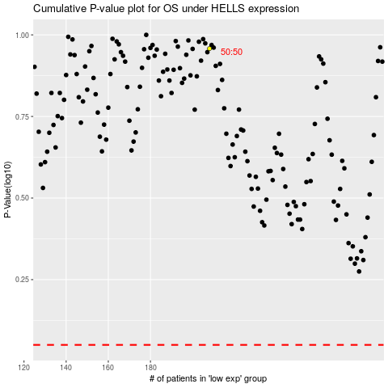

 |  |  |  |  |  | cases_OS | p_OS | rank | exp
 |  |  |  |  |  |  | cases_RFS | p_RFS | rank | exp

