HELZ _multivariate
Reported by Tex Li-Hsing Chi. tex@gate.sinica.edu.tw 2019-08-19

Table 2. The clinicopathological features of HNSCC cohort and HELZ expression. (Chi square test)
Cutoff at -0.037 (49.8%)
 |  | HELZ expression |  | HELZ expression |  | (Optimised)
 | Features | Low | (%) | High | (%) | Case no | P-value | Remark | Matthews
Gender | Female | 146 | 35.2 | 160 | 38.6 | 415 | 0.1714 | 0 | 0
2 | Male | 61 | 14.7 | 48 | 11.6
Age at diagnosis | <=65y | 138 | 33.3 | 136 | 32.8 | 415 | 0.8634 | 0 | 0
4 | >65y | 69 | 16.6 | 72 | 17.3
Clinical T Status | T1+T2 | 73 | 17.6 | 76 | 18.3 | 415 | 0.8666 | 0 | 0
6 | T3+T4 | 134 | 32.3 | 132 | 31.8
Clinical N Status | N0 | 112 | 27 | 104 | 25.1 | 415 | 0.4599 | 0 | 0
8 | N1-3 | 95 | 22.9 | 104 | 25.1
Clinical M Status | M0 | 204 | 49.2 | 208 | 50.1 | 415 | 0.1232 | 0 | 0
10 | M1 | 3 | 0.7 | 0 | 0
Clinical Stage | Stage I+II | 49 | 11.8 | 53 | 12.8 | 415 | 0.7535 | 0 | 0
12 | Stage III+IV | 158 | 38.1 | 155 | 37.3
Surgical Margin status | Negative | 160 | 38.6 | 158 | 38.1 | 415 | 0.8167 | 0 | 0
14 | Positive | 47 | 11.3 | 50 | 12
Tobacco Exposure | Low | 87 | 21 | 74 | 17.8 | 415 | 0.1911 | 0 | 0
16 | High | 120 | 28.9 | 134 | 32.3

Table 3. Univariate/Multivariate Cox's proportional hazards regression analyses on OS time of HELZ gene expression in HNSCC

 |  | Univariate |  |  |  | Multivariate
 | Features | HR | CI95%(L) | CI95%(H) | P-value | HR | CI95%(L) | CI95%(H) | P-value
1 | Female | 1 |  |  |  | 1
Gender | Male | 1.157 | 0.843 | 1.587 | 0.367 | 1.237 | 0.883 | 1.734 | 0.216
11 | <=65y | 1 |  |  |  | 1
Age at diagnosis | >65y | 1.329 | 0.99 | 1.784 | 0.058 | 1.376 | 1.012 | 1.873 | 0.042
12 | T1+T2 | 1 |  |  |  | 1
Clinical T Status | T3+T4 | 1.409 | 1.028 | 1.931 | 0.033 | 2.199 | 1.163 | 4.159 | 0.015
13 | N0 | 1 |  |  |  | 1
Clinical N Status | N1-3 | 1.185 | 0.89 | 1.577 | 0.246 | 1.216 | 0.851 | 1.737 | 0.282
14 | M0 | 1 |  |  |  | 1
Clinical M Status | M1 | 4.097 | 1.009 | 16.644 | 0.049 | 10.603 | 2.288 | 49.122 | 0.003
15 | Stage I+II | 1 |  |  |  | 1
Clinical Stage | Stage III+IV | 1.245 | 0.882 | 1.759 | 0.213 | 0.515 | 0.239 | 1.106 | 0.089
16 | Negative | 1 |  |  |  | 1
Surgical Margin status | Positive | 1.591 | 1.155 | 2.191 | 0.004 | 1.68 | 1.216 | 2.323 | 0.002
17 | Low | 1 |  |  |  | 1
Tobacco Exposure | High | 1.364 | 1.008 | 1.844 | 0.044 | 1.465 | 1.062 | 2.019 | 0.02
18 | Low | 1 |  |  |  | 1
RNAseq(z-score) | High | 1.184 | 0.889 | 1.577 | 0.248 | 1.226 | 0.915 | 1.643 | 0.173

Table 4. Univariate/Multivariate Cox's proportional hazards regression analyses on RFS time of HELZ gene expression in HNSCC

 |  | Univariate |  |  |  | Multivariate
 | Features | HR | CI95%(L) | CI95%(H) | P-value | HR | CI95%(L) | CI95%(H) | P-value
1 | Female | 1 |  |  |  | 1
Gender | Male | 1.157 | 0.843 | 1.587 | 0.367 | 1.237 | 0.883 | 1.734 | 0.216
11 | <=65y | 1 |  |  |  | 1
Age at diagnosis | >65y | 1.329 | 0.99 | 1.784 | 0.058 | 1.376 | 1.012 | 1.873 | 0.042
12 | T1+T2 | 1 |  |  |  | 1
Clinical T Status | T3+T4 | 1.409 | 1.028 | 1.931 | 0.033 | 2.199 | 1.163 | 4.159 | 0.015
13 | N0 | 1 |  |  |  | 1
Clinical N Status | N1-3 | 1.185 | 0.89 | 1.577 | 0.246 | 1.216 | 0.851 | 1.737 | 0.282
14 | M0 | 1 |  |  |  | 1
Clinical M Status | M1 | 4.097 | 1.009 | 16.644 | 0.049 | 10.603 | 2.288 | 49.122 | 0.003
15 | Stage I+II | 1 |  |  |  | 1
Clinical Stage | Stage III+IV | 1.245 | 0.882 | 1.759 | 0.213 | 0.515 | 0.239 | 1.106 | 0.089
16 | Negative | 1 |  |  |  | 1
Surgical Margin status | Positive | 1.591 | 1.155 | 2.191 | 0.004 | 1.68 | 1.216 | 2.323 | 0.002
17 | Low | 1 |  |  |  | 1
Tobacco Exposure | High | 1.364 | 1.008 | 1.844 | 0.044 | 1.465 | 1.062 | 2.019 | 0.02
18 | Low | 1 |  |  |  | 1
RNAseq(z-score) | High | 1.184 | 0.889 | 1.577 | 0.248 | 1.226 | 0.915 | 1.643 | 0.173

Kaplan-Meier survival estimate: Cutoff at -0.037 (49.8%)



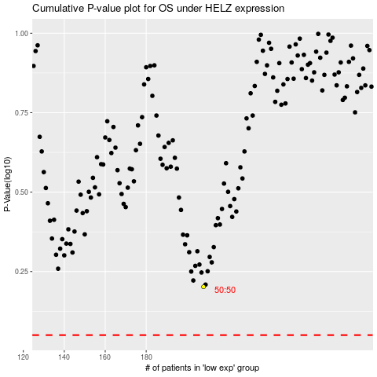

 |  |  |  |  |  | cases_OS | p_OS | rank | exp
 |  |  |  |  |  |  | cases_RFS | p_RFS | rank | exp

