HEPHL1 _multivariate
Reported by Tex Li-Hsing Chi. tex@gate.sinica.edu.tw 2019-08-19

Table 2. The clinicopathological features of HNSCC cohort and HEPHL1 expression. (Chi square test)
Cutoff at -0.301 (50.0%)
 |  | HEPHL1 expression |  | HEPHL1 expression |  | (Optimised)
 | Features | Low | (%) | High | (%) | Case no | P-value | Remark | Matthews
Gender | Female | 162 | 39 | 144 | 34.7 | 415 | 0.0479 | 1 | 0
2 | Male | 45 | 10.8 | 64 | 15.4
Age at diagnosis | <=65y | 136 | 32.8 | 138 | 33.3 | 415 | 0.9719 | 0 | 0
4 | >65y | 71 | 17.1 | 70 | 16.9
Clinical T Status | T1+T2 | 72 | 17.3 | 77 | 18.6 | 415 | 0.7095 | 0 | 0
6 | T3+T4 | 135 | 32.5 | 131 | 31.6
Clinical N Status | N0 | 102 | 24.6 | 114 | 27.5 | 415 | 0.3031 | 0 | 0
8 | N1-3 | 105 | 25.3 | 94 | 22.7
Clinical M Status | M0 | 206 | 49.6 | 206 | 49.6 | 415 | 1 | 0 | 0
10 | M1 | 1 | 0.2 | 2 | 0.5
Clinical Stage | Stage I+II | 43 | 10.4 | 59 | 14.2 | 415 | 0.0925 | 0 | 0
12 | Stage III+IV | 164 | 39.5 | 149 | 35.9
Surgical Margin status | Negative | 153 | 36.9 | 165 | 39.8 | 415 | 0.2036 | 0 | 0
14 | Positive | 54 | 13 | 43 | 10.4
Tobacco Exposure | Low | 66 | 15.9 | 95 | 22.9 | 415 | 0.0048 | 1 | 0
16 | High | 141 | 34 | 113 | 27.2

Table 3. Univariate/Multivariate Cox's proportional hazards regression analyses on OS time of HEPHL1 gene expression in HNSCC

 |  | Univariate |  |  |  | Multivariate
 | Features | HR | CI95%(L) | CI95%(H) | P-value | HR | CI95%(L) | CI95%(H) | P-value
1 | Female | 1 |  |  |  | 1
Gender | Male | 1.157 | 0.843 | 1.587 | 0.367 | 1.208 | 0.864 | 1.688 | 0.27
11 | <=65y | 1 |  |  |  | 1
Age at diagnosis | >65y | 1.329 | 0.99 | 1.784 | 0.058 | 1.387 | 1.019 | 1.886 | 0.037
12 | T1+T2 | 1 |  |  |  | 1
Clinical T Status | T3+T4 | 1.409 | 1.028 | 1.931 | 0.033 | 2.206 | 1.167 | 4.17 | 0.015
13 | N0 | 1 |  |  |  | 1
Clinical N Status | N1-3 | 1.185 | 0.89 | 1.577 | 0.246 | 1.231 | 0.861 | 1.759 | 0.255
14 | M0 | 1 |  |  |  | 1
Clinical M Status | M1 | 4.097 | 1.009 | 16.644 | 0.049 | 9.671 | 2.099 | 44.558 | 0.004
15 | Stage I+II | 1 |  |  |  | 1
Clinical Stage | Stage III+IV | 1.245 | 0.882 | 1.759 | 0.213 | 0.499 | 0.232 | 1.073 | 0.075
16 | Negative | 1 |  |  |  | 1
Surgical Margin status | Positive | 1.591 | 1.155 | 2.191 | 0.004 | 1.662 | 1.201 | 2.298 | 0.002
17 | Low | 1 |  |  |  | 1
Tobacco Exposure | High | 1.364 | 1.008 | 1.844 | 0.044 | 1.441 | 1.044 | 1.989 | 0.026
18 | Low | 1 |  |  |  | 1
RNAseq(z-score) | High | 0.854 | 0.641 | 1.139 | 0.283 | 0.935 | 0.692 | 1.263 | 0.662

Table 4. Univariate/Multivariate Cox's proportional hazards regression analyses on RFS time of HEPHL1 gene expression in HNSCC

 |  | Univariate |  |  |  | Multivariate
 | Features | HR | CI95%(L) | CI95%(H) | P-value | HR | CI95%(L) | CI95%(H) | P-value
1 | Female | 1 |  |  |  | 1
Gender | Male | 1.157 | 0.843 | 1.587 | 0.367 | 1.208 | 0.864 | 1.688 | 0.27
11 | <=65y | 1 |  |  |  | 1
Age at diagnosis | >65y | 1.329 | 0.99 | 1.784 | 0.058 | 1.387 | 1.019 | 1.886 | 0.037
12 | T1+T2 | 1 |  |  |  | 1
Clinical T Status | T3+T4 | 1.409 | 1.028 | 1.931 | 0.033 | 2.206 | 1.167 | 4.17 | 0.015
13 | N0 | 1 |  |  |  | 1
Clinical N Status | N1-3 | 1.185 | 0.89 | 1.577 | 0.246 | 1.231 | 0.861 | 1.759 | 0.255
14 | M0 | 1 |  |  |  | 1
Clinical M Status | M1 | 4.097 | 1.009 | 16.644 | 0.049 | 9.671 | 2.099 | 44.558 | 0.004
15 | Stage I+II | 1 |  |  |  | 1
Clinical Stage | Stage III+IV | 1.245 | 0.882 | 1.759 | 0.213 | 0.499 | 0.232 | 1.073 | 0.075
16 | Negative | 1 |  |  |  | 1
Surgical Margin status | Positive | 1.591 | 1.155 | 2.191 | 0.004 | 1.662 | 1.201 | 2.298 | 0.002
17 | Low | 1 |  |  |  | 1
Tobacco Exposure | High | 1.364 | 1.008 | 1.844 | 0.044 | 1.441 | 1.044 | 1.989 | 0.026
18 | Low | 1 |  |  |  | 1
RNAseq(z-score) | High | 0.854 | 0.641 | 1.139 | 0.283 | 0.935 | 0.692 | 1.263 | 0.662

Kaplan-Meier survival estimate: Cutoff at -0.301 (50.0%)



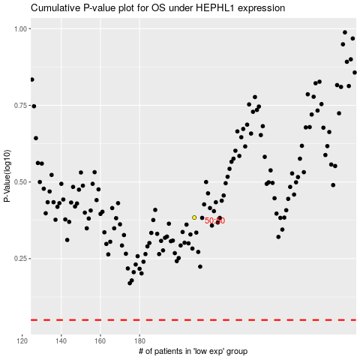

 |  |  |  |  |  | cases_OS | p_OS | rank | exp
 |  |  |  |  |  |  | cases_RFS | p_RFS | rank | exp

