HERC4 _multivariate
Reported by Tex Li-Hsing Chi. tex@gate.sinica.edu.tw 2019-08-19

Table 2. The clinicopathological features of HNSCC cohort and HERC4 expression. (Chi square test)
Cutoff at -0.096 (50.0%)
 |  | HERC4 expression |  | HERC4 expression |  | (Optimised)
 | Features | Low | (%) | High | (%) | Case no | P-value | Remark | Matthews
Gender | Female | 162 | 39 | 144 | 34.7 | 415 | 0.0479 | 1 | 0
2 | Male | 45 | 10.8 | 64 | 15.4
Age at diagnosis | <=65y | 140 | 33.7 | 134 | 32.3 | 415 | 0.5574 | 0 | 0
4 | >65y | 67 | 16.1 | 74 | 17.8
Clinical T Status | T1+T2 | 76 | 18.3 | 73 | 17.6 | 415 | 0.8092 | 0 | 0
6 | T3+T4 | 131 | 31.6 | 135 | 32.5
Clinical N Status | N0 | 114 | 27.5 | 102 | 24.6 | 415 | 0.2576 | 1 | 0
8 | N1-3 | 93 | 22.4 | 106 | 25.5
Clinical M Status | M0 | 206 | 49.6 | 206 | 49.6 | 415 | 1 | 0 | 0
10 | M1 | 1 | 0.2 | 2 | 0.5
Clinical Stage | Stage I+II | 50 | 12 | 52 | 12.5 | 415 | 0.9315 | 0 | 0
12 | Stage III+IV | 157 | 37.8 | 156 | 37.6
Surgical Margin status | Negative | 158 | 38.1 | 160 | 38.6 | 415 | 0.9081 | 0 | 0
14 | Positive | 49 | 11.8 | 48 | 11.6
Tobacco Exposure | Low | 71 | 17.1 | 90 | 21.7 | 415 | 0.0698 | 0 | 0
16 | High | 136 | 32.8 | 118 | 28.4

Table 3. Univariate/Multivariate Cox's proportional hazards regression analyses on OS time of HERC4 gene expression in HNSCC

 |  | Univariate |  |  |  | Multivariate
 | Features | HR | CI95%(L) | CI95%(H) | P-value | HR | CI95%(L) | CI95%(H) | P-value
1 | Female | 1 |  |  |  | 1
Gender | Male | 1.157 | 0.843 | 1.587 | 0.367 | 1.176 | 0.841 | 1.643 | 0.343
11 | <=65y | 1 |  |  |  | 1
Age at diagnosis | >65y | 1.329 | 0.99 | 1.784 | 0.058 | 1.363 | 1.001 | 1.855 | 0.049
12 | T1+T2 | 1 |  |  |  | 1
Clinical T Status | T3+T4 | 1.409 | 1.028 | 1.931 | 0.033 | 2.171 | 1.148 | 4.105 | 0.017
13 | N0 | 1 |  |  |  | 1
Clinical N Status | N1-3 | 1.185 | 0.89 | 1.577 | 0.246 | 1.224 | 0.858 | 1.746 | 0.265
14 | M0 | 1 |  |  |  | 1
Clinical M Status | M1 | 4.097 | 1.009 | 16.644 | 0.049 | 9.037 | 1.97 | 41.456 | 0.005
15 | Stage I+II | 1 |  |  |  | 1
Clinical Stage | Stage III+IV | 1.245 | 0.882 | 1.759 | 0.213 | 0.528 | 0.245 | 1.137 | 0.103
16 | Negative | 1 |  |  |  | 1
Surgical Margin status | Positive | 1.591 | 1.155 | 2.191 | 0.004 | 1.695 | 1.226 | 2.343 | 0.001
17 | Low | 1 |  |  |  | 1
Tobacco Exposure | High | 1.364 | 1.008 | 1.844 | 0.044 | 1.474 | 1.07 | 2.032 | 0.018
18 | Low | 1 |  |  |  | 1
RNAseq(z-score) | High | 1.218 | 0.914 | 1.624 | 0.178 | 1.254 | 0.933 | 1.685 | 0.134

Table 4. Univariate/Multivariate Cox's proportional hazards regression analyses on RFS time of HERC4 gene expression in HNSCC

 |  | Univariate |  |  |  | Multivariate
 | Features | HR | CI95%(L) | CI95%(H) | P-value | HR | CI95%(L) | CI95%(H) | P-value
1 | Female | 1 |  |  |  | 1
Gender | Male | 1.157 | 0.843 | 1.587 | 0.367 | 1.176 | 0.841 | 1.643 | 0.343
11 | <=65y | 1 |  |  |  | 1
Age at diagnosis | >65y | 1.329 | 0.99 | 1.784 | 0.058 | 1.363 | 1.001 | 1.855 | 0.049
12 | T1+T2 | 1 |  |  |  | 1
Clinical T Status | T3+T4 | 1.409 | 1.028 | 1.931 | 0.033 | 2.171 | 1.148 | 4.105 | 0.017
13 | N0 | 1 |  |  |  | 1
Clinical N Status | N1-3 | 1.185 | 0.89 | 1.577 | 0.246 | 1.224 | 0.858 | 1.746 | 0.265
14 | M0 | 1 |  |  |  | 1
Clinical M Status | M1 | 4.097 | 1.009 | 16.644 | 0.049 | 9.037 | 1.97 | 41.456 | 0.005
15 | Stage I+II | 1 |  |  |  | 1
Clinical Stage | Stage III+IV | 1.245 | 0.882 | 1.759 | 0.213 | 0.528 | 0.245 | 1.137 | 0.103
16 | Negative | 1 |  |  |  | 1
Surgical Margin status | Positive | 1.591 | 1.155 | 2.191 | 0.004 | 1.695 | 1.226 | 2.343 | 0.001
17 | Low | 1 |  |  |  | 1
Tobacco Exposure | High | 1.364 | 1.008 | 1.844 | 0.044 | 1.474 | 1.07 | 2.032 | 0.018
18 | Low | 1 |  |  |  | 1
RNAseq(z-score) | High | 1.218 | 0.914 | 1.624 | 0.178 | 1.254 | 0.933 | 1.685 | 0.134

Kaplan-Meier survival estimate: Cutoff at -0.096 (50.0%)



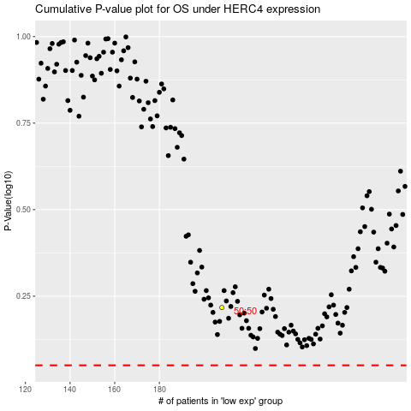

 |  |  |  |  |  | cases_OS | p_OS | rank | exp
 |  |  |  |  |  |  | cases_RFS | p_RFS | rank | exp

