HERC6 _multivariate
Reported by Tex Li-Hsing Chi. tex@gate.sinica.edu.tw 2019-08-19

Table 2. The clinicopathological features of HNSCC cohort and HERC6 expression. (Chi square test)
Cutoff at -0.334 (50.0%)
 |  | HERC6 expression |  | HERC6 expression |  | (Optimised)
 | Features | Low | (%) | High | (%) | Case no | P-value | Remark | Matthews
Gender | Female | 168 | 40.5 | 138 | 33.3 | 415 | 9e-04 | 1 | 0
2 | Male | 39 | 9.4 | 70 | 16.9
Age at diagnosis | <=65y | 141 | 34 | 133 | 32 | 415 | 0.4272 | 0 | 0
4 | >65y | 66 | 15.9 | 75 | 18.1
Clinical T Status | T1+T2 | 70 | 16.9 | 79 | 19 | 415 | 0.4343 | 0 | 0
6 | T3+T4 | 137 | 33 | 129 | 31.1
Clinical N Status | N0 | 110 | 26.5 | 106 | 25.5 | 415 | 0.7294 | 0 | 0
8 | N1-3 | 97 | 23.4 | 102 | 24.6
Clinical M Status | M0 | 206 | 49.6 | 206 | 49.6 | 415 | 1 | 0 | 0
10 | M1 | 1 | 0.2 | 2 | 0.5
Clinical Stage | Stage I+II | 44 | 10.6 | 58 | 14 | 415 | 0.1459 | 0 | 0
12 | Stage III+IV | 163 | 39.3 | 150 | 36.1
Surgical Margin status | Negative | 160 | 38.6 | 158 | 38.1 | 415 | 0.8167 | 0 | 0
14 | Positive | 47 | 11.3 | 50 | 12
Tobacco Exposure | Low | 65 | 15.7 | 96 | 23.1 | 415 | 0.0025 | 1 | 0
16 | High | 142 | 34.2 | 112 | 27

Table 3. Univariate/Multivariate Cox's proportional hazards regression analyses on OS time of HERC6 gene expression in HNSCC

 |  | Univariate |  |  |  | Multivariate
 | Features | HR | CI95%(L) | CI95%(H) | P-value | HR | CI95%(L) | CI95%(H) | P-value
1 | Female | 1 |  |  |  | 1
Gender | Male | 1.157 | 0.843 | 1.587 | 0.367 | 1.194 | 0.851 | 1.675 | 0.304
11 | <=65y | 1 |  |  |  | 1
Age at diagnosis | >65y | 1.329 | 0.99 | 1.784 | 0.058 | 1.389 | 1.021 | 1.889 | 0.037
12 | T1+T2 | 1 |  |  |  | 1
Clinical T Status | T3+T4 | 1.409 | 1.028 | 1.931 | 0.033 | 2.194 | 1.159 | 4.152 | 0.016
13 | N0 | 1 |  |  |  | 1
Clinical N Status | N1-3 | 1.185 | 0.89 | 1.577 | 0.246 | 1.236 | 0.866 | 1.766 | 0.243
14 | M0 | 1 |  |  |  | 1
Clinical M Status | M1 | 4.097 | 1.009 | 16.644 | 0.049 | 9.258 | 2.009 | 42.66 | 0.004
15 | Stage I+II | 1 |  |  |  | 1
Clinical Stage | Stage III+IV | 1.245 | 0.882 | 1.759 | 0.213 | 0.509 | 0.236 | 1.095 | 0.084
16 | Negative | 1 |  |  |  | 1
Surgical Margin status | Positive | 1.591 | 1.155 | 2.191 | 0.004 | 1.669 | 1.208 | 2.307 | 0.002
17 | Low | 1 |  |  |  | 1
Tobacco Exposure | High | 1.364 | 1.008 | 1.844 | 0.044 | 1.461 | 1.057 | 2.019 | 0.022
18 | Low | 1 |  |  |  | 1
RNAseq(z-score) | High | 1.097 | 0.823 | 1.462 | 0.528 | 1.039 | 0.769 | 1.403 | 0.805

Table 4. Univariate/Multivariate Cox's proportional hazards regression analyses on RFS time of HERC6 gene expression in HNSCC

 |  | Univariate |  |  |  | Multivariate
 | Features | HR | CI95%(L) | CI95%(H) | P-value | HR | CI95%(L) | CI95%(H) | P-value
1 | Female | 1 |  |  |  | 1
Gender | Male | 1.157 | 0.843 | 1.587 | 0.367 | 1.194 | 0.851 | 1.675 | 0.304
11 | <=65y | 1 |  |  |  | 1
Age at diagnosis | >65y | 1.329 | 0.99 | 1.784 | 0.058 | 1.389 | 1.021 | 1.889 | 0.037
12 | T1+T2 | 1 |  |  |  | 1
Clinical T Status | T3+T4 | 1.409 | 1.028 | 1.931 | 0.033 | 2.194 | 1.159 | 4.152 | 0.016
13 | N0 | 1 |  |  |  | 1
Clinical N Status | N1-3 | 1.185 | 0.89 | 1.577 | 0.246 | 1.236 | 0.866 | 1.766 | 0.243
14 | M0 | 1 |  |  |  | 1
Clinical M Status | M1 | 4.097 | 1.009 | 16.644 | 0.049 | 9.258 | 2.009 | 42.66 | 0.004
15 | Stage I+II | 1 |  |  |  | 1
Clinical Stage | Stage III+IV | 1.245 | 0.882 | 1.759 | 0.213 | 0.509 | 0.236 | 1.095 | 0.084
16 | Negative | 1 |  |  |  | 1
Surgical Margin status | Positive | 1.591 | 1.155 | 2.191 | 0.004 | 1.669 | 1.208 | 2.307 | 0.002
17 | Low | 1 |  |  |  | 1
Tobacco Exposure | High | 1.364 | 1.008 | 1.844 | 0.044 | 1.461 | 1.057 | 2.019 | 0.022
18 | Low | 1 |  |  |  | 1
RNAseq(z-score) | High | 1.097 | 0.823 | 1.462 | 0.528 | 1.039 | 0.769 | 1.403 | 0.805

Kaplan-Meier survival estimate: Cutoff at -0.334 (50.0%)



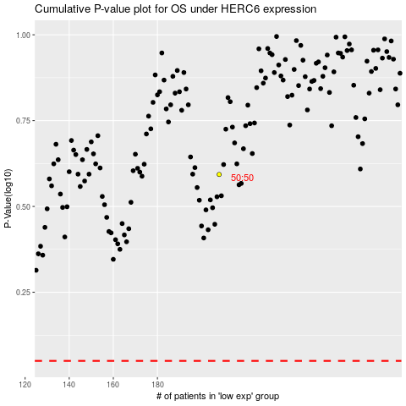

 |  |  |  |  |  | cases_OS | p_OS | rank | exp
 |  |  |  |  |  |  | cases_RFS | p_RFS | rank | exp

