HES1 _multivariate
Reported by Tex Li-Hsing Chi. tex@gate.sinica.edu.tw 2019-08-19

Table 2. The clinicopathological features of HNSCC cohort and HES1 expression. (Chi square test)
Cutoff at -0.266 (50.0%)
 |  | HES1 expression |  | HES1 expression |  | (Optimised)
 | Features | Low | (%) | High | (%) | Case no | P-value | Remark | Matthews
Gender | Female | 151 | 36.4 | 155 | 37.3 | 415 | 0.8007 | 0 | 0
2 | Male | 56 | 13.5 | 53 | 12.8
Age at diagnosis | <=65y | 143 | 34.5 | 131 | 31.6 | 415 | 0.2269 | 0 | 0
4 | >65y | 64 | 15.4 | 77 | 18.6
Clinical T Status | T1+T2 | 81 | 19.5 | 68 | 16.4 | 415 | 0.206 | 0 | 0
6 | T3+T4 | 126 | 30.4 | 140 | 33.7
Clinical N Status | N0 | 104 | 25.1 | 112 | 27 | 415 | 0.5243 | 0 | 0
8 | N1-3 | 103 | 24.8 | 96 | 23.1
Clinical M Status | M0 | 207 | 49.9 | 205 | 49.4 | 415 | 0.2482 | 0 | 0
10 | M1 | 0 | 0 | 3 | 0.7
Clinical Stage | Stage I+II | 58 | 14 | 44 | 10.6 | 415 | 0.131 | 0 | 0
12 | Stage III+IV | 149 | 35.9 | 164 | 39.5
Surgical Margin status | Negative | 165 | 39.8 | 153 | 36.9 | 415 | 0.1639 | 0 | 0
14 | Positive | 42 | 10.1 | 55 | 13.3
Tobacco Exposure | Low | 78 | 18.8 | 83 | 20 | 415 | 0.6873 | 0 | 0
16 | High | 129 | 31.1 | 125 | 30.1

Table 3. Univariate/Multivariate Cox's proportional hazards regression analyses on OS time of HES1 gene expression in HNSCC

 |  | Univariate |  |  |  | Multivariate
 | Features | HR | CI95%(L) | CI95%(H) | P-value | HR | CI95%(L) | CI95%(H) | P-value
1 | Female | 1 |  |  |  | 1
Gender | Male | 1.157 | 0.843 | 1.587 | 0.367 | 1.207 | 0.864 | 1.687 | 0.27
11 | <=65y | 1 |  |  |  | 1
Age at diagnosis | >65y | 1.329 | 0.99 | 1.784 | 0.058 | 1.381 | 1.016 | 1.877 | 0.04
12 | T1+T2 | 1 |  |  |  | 1
Clinical T Status | T3+T4 | 1.409 | 1.028 | 1.931 | 0.033 | 2.206 | 1.167 | 4.171 | 0.015
13 | N0 | 1 |  |  |  | 1
Clinical N Status | N1-3 | 1.185 | 0.89 | 1.577 | 0.246 | 1.244 | 0.872 | 1.775 | 0.228
14 | M0 | 1 |  |  |  | 1
Clinical M Status | M1 | 4.097 | 1.009 | 16.644 | 0.049 | 9.008 | 1.954 | 41.521 | 0.005
15 | Stage I+II | 1 |  |  |  | 1
Clinical Stage | Stage III+IV | 1.245 | 0.882 | 1.759 | 0.213 | 0.494 | 0.23 | 1.064 | 0.072
16 | Negative | 1 |  |  |  | 1
Surgical Margin status | Positive | 1.591 | 1.155 | 2.191 | 0.004 | 1.656 | 1.197 | 2.291 | 0.002
17 | Low | 1 |  |  |  | 1
Tobacco Exposure | High | 1.364 | 1.008 | 1.844 | 0.044 | 1.46 | 1.059 | 2.012 | 0.021
18 | Low | 1 |  |  |  | 1
RNAseq(z-score) | High | 1.187 | 0.89 | 1.583 | 0.243 | 1.102 | 0.82 | 1.48 | 0.52

Table 4. Univariate/Multivariate Cox's proportional hazards regression analyses on RFS time of HES1 gene expression in HNSCC

 |  | Univariate |  |  |  | Multivariate
 | Features | HR | CI95%(L) | CI95%(H) | P-value | HR | CI95%(L) | CI95%(H) | P-value
1 | Female | 1 |  |  |  | 1
Gender | Male | 1.157 | 0.843 | 1.587 | 0.367 | 1.207 | 0.864 | 1.687 | 0.27
11 | <=65y | 1 |  |  |  | 1
Age at diagnosis | >65y | 1.329 | 0.99 | 1.784 | 0.058 | 1.381 | 1.016 | 1.877 | 0.04
12 | T1+T2 | 1 |  |  |  | 1
Clinical T Status | T3+T4 | 1.409 | 1.028 | 1.931 | 0.033 | 2.206 | 1.167 | 4.171 | 0.015
13 | N0 | 1 |  |  |  | 1
Clinical N Status | N1-3 | 1.185 | 0.89 | 1.577 | 0.246 | 1.244 | 0.872 | 1.775 | 0.228
14 | M0 | 1 |  |  |  | 1
Clinical M Status | M1 | 4.097 | 1.009 | 16.644 | 0.049 | 9.008 | 1.954 | 41.521 | 0.005
15 | Stage I+II | 1 |  |  |  | 1
Clinical Stage | Stage III+IV | 1.245 | 0.882 | 1.759 | 0.213 | 0.494 | 0.23 | 1.064 | 0.072
16 | Negative | 1 |  |  |  | 1
Surgical Margin status | Positive | 1.591 | 1.155 | 2.191 | 0.004 | 1.656 | 1.197 | 2.291 | 0.002
17 | Low | 1 |  |  |  | 1
Tobacco Exposure | High | 1.364 | 1.008 | 1.844 | 0.044 | 1.46 | 1.059 | 2.012 | 0.021
18 | Low | 1 |  |  |  | 1
RNAseq(z-score) | High | 1.187 | 0.89 | 1.583 | 0.243 | 1.102 | 0.82 | 1.48 | 0.52

Kaplan-Meier survival estimate: Cutoff at -0.266 (50.0%)



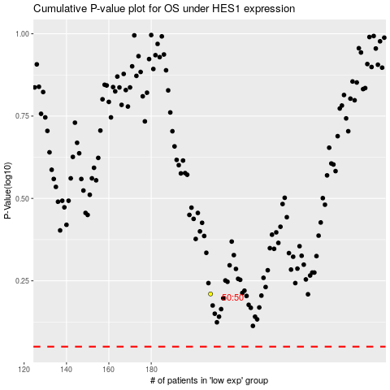

 |  |  |  |  |  | cases_OS | p_OS | rank | exp
 |  |  |  |  |  |  | cases_RFS | p_RFS | rank | exp

