HES4 _multivariate
Reported by Tex Li-Hsing Chi. tex@gate.sinica.edu.tw 2019-08-19

Table 2. The clinicopathological features of HNSCC cohort and HES4 expression. (Chi square test)
Cutoff at -0.239 (50.0%)
 |  | HES4 expression |  | HES4 expression |  | (Optimised)
 | Features | Low | (%) | High | (%) | Case no | P-value | Remark | Matthews
Gender | Female | 153 | 36.9 | 153 | 36.9 | 415 | 1 | 0 | 0
2 | Male | 54 | 13 | 55 | 13.3
Age at diagnosis | <=65y | 140 | 33.7 | 134 | 32.3 | 415 | 0.5574 | 0 | 0
4 | >65y | 67 | 16.1 | 74 | 17.8
Clinical T Status | T1+T2 | 85 | 20.5 | 64 | 15.4 | 415 | 0.0372 | 1 | 0
6 | T3+T4 | 122 | 29.4 | 144 | 34.7
Clinical N Status | N0 | 104 | 25.1 | 112 | 27 | 415 | 0.5243 | 0 | 0
8 | N1-3 | 103 | 24.8 | 96 | 23.1
Clinical M Status | M0 | 207 | 49.9 | 205 | 49.4 | 415 | 0.2482 | 0 | 0
10 | M1 | 0 | 0 | 3 | 0.7
Clinical Stage | Stage I+II | 61 | 14.7 | 41 | 9.9 | 415 | 0.0282 | 1 | 0
12 | Stage III+IV | 146 | 35.2 | 167 | 40.2
Surgical Margin status | Negative | 155 | 37.3 | 163 | 39.3 | 415 | 0.4187 | 0 | 0
14 | Positive | 52 | 12.5 | 45 | 10.8
Tobacco Exposure | Low | 84 | 20.2 | 77 | 18.6 | 415 | 0.4816 | 0 | 0
16 | High | 123 | 29.6 | 131 | 31.6

Table 3. Univariate/Multivariate Cox's proportional hazards regression analyses on OS time of HES4 gene expression in HNSCC

 |  | Univariate |  |  |  | Multivariate
 | Features | HR | CI95%(L) | CI95%(H) | P-value | HR | CI95%(L) | CI95%(H) | P-value
1 | Female | 1 |  |  |  | 1
Gender | Male | 1.157 | 0.843 | 1.587 | 0.367 | 1.197 | 0.857 | 1.672 | 0.291
11 | <=65y | 1 |  |  |  | 1
Age at diagnosis | >65y | 1.329 | 0.99 | 1.784 | 0.058 | 1.398 | 1.028 | 1.901 | 0.033
12 | T1+T2 | 1 |  |  |  | 1
Clinical T Status | T3+T4 | 1.409 | 1.028 | 1.931 | 0.033 | 2.218 | 1.172 | 4.197 | 0.014
13 | N0 | 1 |  |  |  | 1
Clinical N Status | N1-3 | 1.185 | 0.89 | 1.577 | 0.246 | 1.239 | 0.868 | 1.767 | 0.238
14 | M0 | 1 |  |  |  | 1
Clinical M Status | M1 | 4.097 | 1.009 | 16.644 | 0.049 | 9.849 | 2.13 | 45.54 | 0.003
15 | Stage I+II | 1 |  |  |  | 1
Clinical Stage | Stage III+IV | 1.245 | 0.882 | 1.759 | 0.213 | 0.509 | 0.237 | 1.094 | 0.084
16 | Negative | 1 |  |  |  | 1
Surgical Margin status | Positive | 1.591 | 1.155 | 2.191 | 0.004 | 1.67 | 1.209 | 2.308 | 0.002
17 | Low | 1 |  |  |  | 1
Tobacco Exposure | High | 1.364 | 1.008 | 1.844 | 0.044 | 1.459 | 1.059 | 2.01 | 0.021
18 | Low | 1 |  |  |  | 1
RNAseq(z-score) | High | 0.994 | 0.745 | 1.325 | 0.966 | 0.919 | 0.684 | 1.233 | 0.573

Table 4. Univariate/Multivariate Cox's proportional hazards regression analyses on RFS time of HES4 gene expression in HNSCC

 |  | Univariate |  |  |  | Multivariate
 | Features | HR | CI95%(L) | CI95%(H) | P-value | HR | CI95%(L) | CI95%(H) | P-value
1 | Female | 1 |  |  |  | 1
Gender | Male | 1.157 | 0.843 | 1.587 | 0.367 | 1.197 | 0.857 | 1.672 | 0.291
11 | <=65y | 1 |  |  |  | 1
Age at diagnosis | >65y | 1.329 | 0.99 | 1.784 | 0.058 | 1.398 | 1.028 | 1.901 | 0.033
12 | T1+T2 | 1 |  |  |  | 1
Clinical T Status | T3+T4 | 1.409 | 1.028 | 1.931 | 0.033 | 2.218 | 1.172 | 4.197 | 0.014
13 | N0 | 1 |  |  |  | 1
Clinical N Status | N1-3 | 1.185 | 0.89 | 1.577 | 0.246 | 1.239 | 0.868 | 1.767 | 0.238
14 | M0 | 1 |  |  |  | 1
Clinical M Status | M1 | 4.097 | 1.009 | 16.644 | 0.049 | 9.849 | 2.13 | 45.54 | 0.003
15 | Stage I+II | 1 |  |  |  | 1
Clinical Stage | Stage III+IV | 1.245 | 0.882 | 1.759 | 0.213 | 0.509 | 0.237 | 1.094 | 0.084
16 | Negative | 1 |  |  |  | 1
Surgical Margin status | Positive | 1.591 | 1.155 | 2.191 | 0.004 | 1.67 | 1.209 | 2.308 | 0.002
17 | Low | 1 |  |  |  | 1
Tobacco Exposure | High | 1.364 | 1.008 | 1.844 | 0.044 | 1.459 | 1.059 | 2.01 | 0.021
18 | Low | 1 |  |  |  | 1
RNAseq(z-score) | High | 0.994 | 0.745 | 1.325 | 0.966 | 0.919 | 0.684 | 1.233 | 0.573

Kaplan-Meier survival estimate: Cutoff at -0.239 (50.0%)



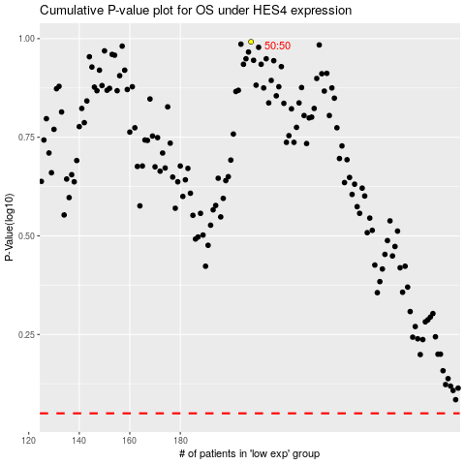

 |  |  |  |  |  | cases_OS | p_OS | rank | exp
 |  |  |  |  |  |  | cases_RFS | p_RFS | rank | exp

