HES7 _multivariate
Reported by Tex Li-Hsing Chi. tex@gate.sinica.edu.tw 2019-08-19

Table 2. The clinicopathological features of HNSCC cohort and HES7 expression. (Chi square test)
Cutoff at -0.256 (49.8%)
 |  | HES7 expression |  | HES7 expression |  | (Optimised)
 | Features | Low | (%) | High | (%) | Case no | P-value | Remark | Matthews
Gender | Female | 136 | 32.8 | 170 | 41 | 415 | 3e-04 | 1 | 0
2 | Male | 71 | 17.1 | 38 | 9.2
Age at diagnosis | <=65y | 140 | 33.7 | 134 | 32.3 | 415 | 0.5574 | 0 | 0
4 | >65y | 67 | 16.1 | 74 | 17.8
Clinical T Status | T1+T2 | 92 | 22.2 | 57 | 13.7 | 415 | 4e-04 | 1 | 0
6 | T3+T4 | 115 | 27.7 | 151 | 36.4
Clinical N Status | N0 | 115 | 27.7 | 101 | 24.3 | 415 | 0.184 | 1 | 0
8 | N1-3 | 92 | 22.2 | 107 | 25.8
Clinical M Status | M0 | 206 | 49.6 | 206 | 49.6 | 415 | 1 | 0 | 0
10 | M1 | 1 | 0.2 | 2 | 0.5
Clinical Stage | Stage I+II | 61 | 14.7 | 41 | 9.9 | 415 | 0.0282 | 1 | 0
12 | Stage III+IV | 146 | 35.2 | 167 | 40.2
Surgical Margin status | Negative | 156 | 37.6 | 162 | 39 | 415 | 0.5636 | 0 | 0
14 | Positive | 51 | 12.3 | 46 | 11.1
Tobacco Exposure | Low | 97 | 23.4 | 64 | 15.4 | 415 | 9e-04 | 1 | 0
16 | High | 110 | 26.5 | 144 | 34.7

Table 3. Univariate/Multivariate Cox's proportional hazards regression analyses on OS time of HES7 gene expression in HNSCC

 |  | Univariate |  |  |  | Multivariate
 | Features | HR | CI95%(L) | CI95%(H) | P-value | HR | CI95%(L) | CI95%(H) | P-value
1 | Female | 1 |  |  |  | 1
Gender | Male | 1.157 | 0.843 | 1.587 | 0.367 | 1.172 | 0.836 | 1.642 | 0.358
11 | <=65y | 1 |  |  |  | 1
Age at diagnosis | >65y | 1.329 | 0.99 | 1.784 | 0.058 | 1.39 | 1.023 | 1.888 | 0.035
12 | T1+T2 | 1 |  |  |  | 1
Clinical T Status | T3+T4 | 1.409 | 1.028 | 1.931 | 0.033 | 2.277 | 1.199 | 4.324 | 0.012
13 | N0 | 1 |  |  |  | 1
Clinical N Status | N1-3 | 1.185 | 0.89 | 1.577 | 0.246 | 1.247 | 0.874 | 1.779 | 0.224
14 | M0 | 1 |  |  |  | 1
Clinical M Status | M1 | 4.097 | 1.009 | 16.644 | 0.049 | 10.002 | 2.169 | 46.112 | 0.003
15 | Stage I+II | 1 |  |  |  | 1
Clinical Stage | Stage III+IV | 1.245 | 0.882 | 1.759 | 0.213 | 0.494 | 0.23 | 1.061 | 0.07
16 | Negative | 1 |  |  |  | 1
Surgical Margin status | Positive | 1.591 | 1.155 | 2.191 | 0.004 | 1.664 | 1.204 | 2.3 | 0.002
17 | Low | 1 |  |  |  | 1
Tobacco Exposure | High | 1.364 | 1.008 | 1.844 | 0.044 | 1.489 | 1.076 | 2.059 | 0.016
18 | Low | 1 |  |  |  | 1
RNAseq(z-score) | High | 0.967 | 0.725 | 1.288 | 0.816 | 0.868 | 0.642 | 1.174 | 0.359

Table 4. Univariate/Multivariate Cox's proportional hazards regression analyses on RFS time of HES7 gene expression in HNSCC

 |  | Univariate |  |  |  | Multivariate
 | Features | HR | CI95%(L) | CI95%(H) | P-value | HR | CI95%(L) | CI95%(H) | P-value
1 | Female | 1 |  |  |  | 1
Gender | Male | 1.157 | 0.843 | 1.587 | 0.367 | 1.172 | 0.836 | 1.642 | 0.358
11 | <=65y | 1 |  |  |  | 1
Age at diagnosis | >65y | 1.329 | 0.99 | 1.784 | 0.058 | 1.39 | 1.023 | 1.888 | 0.035
12 | T1+T2 | 1 |  |  |  | 1
Clinical T Status | T3+T4 | 1.409 | 1.028 | 1.931 | 0.033 | 2.277 | 1.199 | 4.324 | 0.012
13 | N0 | 1 |  |  |  | 1
Clinical N Status | N1-3 | 1.185 | 0.89 | 1.577 | 0.246 | 1.247 | 0.874 | 1.779 | 0.224
14 | M0 | 1 |  |  |  | 1
Clinical M Status | M1 | 4.097 | 1.009 | 16.644 | 0.049 | 10.002 | 2.169 | 46.112 | 0.003
15 | Stage I+II | 1 |  |  |  | 1
Clinical Stage | Stage III+IV | 1.245 | 0.882 | 1.759 | 0.213 | 0.494 | 0.23 | 1.061 | 0.07
16 | Negative | 1 |  |  |  | 1
Surgical Margin status | Positive | 1.591 | 1.155 | 2.191 | 0.004 | 1.664 | 1.204 | 2.3 | 0.002
17 | Low | 1 |  |  |  | 1
Tobacco Exposure | High | 1.364 | 1.008 | 1.844 | 0.044 | 1.489 | 1.076 | 2.059 | 0.016
18 | Low | 1 |  |  |  | 1
RNAseq(z-score) | High | 0.967 | 0.725 | 1.288 | 0.816 | 0.868 | 0.642 | 1.174 | 0.359

Kaplan-Meier survival estimate: Cutoff at -0.256 (49.8%)



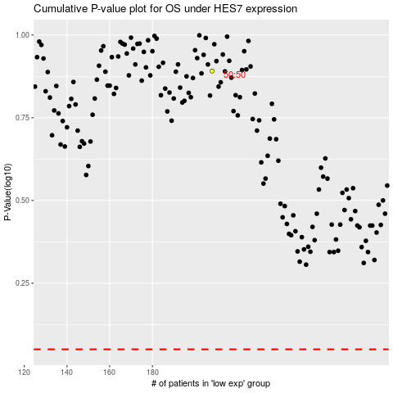

 |  |  |  |  |  | cases_OS | p_OS | rank | exp
 |  |  |  |  |  |  | cases_RFS | p_RFS | rank | exp

